TRAPPC6B _multivariate
Reported by Tex Li-Hsing Chi. tex@gate.sinica.edu.tw 2019-08-15

Table 2. The clinicopathological features of HNSCC cohort and TRAPPC6B expression. (Chi square test)
Cutoff at -0.164 (50.0%)
 |  | TRAPPC6B expression |  | TRAPPC6B expression |  | (Optimised)
 | Features | Low | (%) | High | (%) | Case no | P-value | Remark | Matthews
Gender | Female | 154 | 37.1 | 152 | 36.6 | 415 | 0.8463 | 0 | 0
2 | Male | 53 | 12.8 | 56 | 13.5
Age at diagnosis | <=65y | 141 | 34 | 133 | 32 | 415 | 0.4272 | 0 | 0
4 | >65y | 66 | 15.9 | 75 | 18.1
Clinical T Status | T1+T2 | 69 | 16.6 | 80 | 19.3 | 415 | 0.3239 | 0 | 0
6 | T3+T4 | 138 | 33.3 | 128 | 30.8
Clinical N Status | N0 | 104 | 25.1 | 112 | 27 | 415 | 0.5243 | 0 | 0
8 | N1-3 | 103 | 24.8 | 96 | 23.1
Clinical M Status | M0 | 206 | 49.6 | 206 | 49.6 | 415 | 1 | 0 | 0
10 | M1 | 1 | 0.2 | 2 | 0.5
Clinical Stage | Stage I+II | 45 | 10.8 | 57 | 13.7 | 415 | 0.2202 | 0 | 0
12 | Stage III+IV | 162 | 39 | 151 | 36.4
Surgical Margin status | Negative | 167 | 40.2 | 151 | 36.4 | 415 | 0.0632 | 0 | 0
14 | Positive | 40 | 9.6 | 57 | 13.7
Tobacco Exposure | Low | 79 | 19 | 82 | 19.8 | 415 | 0.8405 | 0 | 0
16 | High | 128 | 30.8 | 126 | 30.4

Table 3. Univariate/Multivariate Cox's proportional hazards regression analyses on OS time of TRAPPC6B gene expression in HNSCC

 |  | Univariate |  |  |  | Multivariate
 | Features | HR | CI95%(L) | CI95%(H) | P-value | HR | CI95%(L) | CI95%(H) | P-value
1 | Female | 1 |  |  |  | 1
Gender | Male | 1.157 | 0.843 | 1.587 | 0.367 | 1.203 | 0.861 | 1.68 | 0.279
11 | <=65y | 1 |  |  |  | 1
Age at diagnosis | >65y | 1.329 | 0.99 | 1.784 | 0.058 | 1.379 | 1.013 | 1.876 | 0.041
12 | T1+T2 | 1 |  |  |  | 1
Clinical T Status | T3+T4 | 1.409 | 1.028 | 1.931 | 0.033 | 2.193 | 1.159 | 4.147 | 0.016
13 | N0 | 1 |  |  |  | 1
Clinical N Status | N1-3 | 1.185 | 0.89 | 1.577 | 0.246 | 1.236 | 0.866 | 1.763 | 0.244
14 | M0 | 1 |  |  |  | 1
Clinical M Status | M1 | 4.097 | 1.009 | 16.644 | 0.049 | 9.259 | 2.018 | 42.486 | 0.004
15 | Stage I+II | 1 |  |  |  | 1
Clinical Stage | Stage III+IV | 1.245 | 0.882 | 1.759 | 0.213 | 0.508 | 0.237 | 1.092 | 0.083
16 | Negative | 1 |  |  |  | 1
Surgical Margin status | Positive | 1.591 | 1.155 | 2.191 | 0.004 | 1.658 | 1.199 | 2.294 | 0.002
17 | Low | 1 |  |  |  | 1
Tobacco Exposure | High | 1.364 | 1.008 | 1.844 | 0.044 | 1.454 | 1.056 | 2.003 | 0.022
18 | Low | 1 |  |  |  | 1
RNAseq(z-score) | High | 1.161 | 0.87 | 1.547 | 0.31 | 1.095 | 0.819 | 1.463 | 0.54

Table 4. Univariate/Multivariate Cox's proportional hazards regression analyses on RFS time of TRAPPC6B gene expression in HNSCC

 |  | Univariate |  |  |  | Multivariate
 | Features | HR | CI95%(L) | CI95%(H) | P-value | HR | CI95%(L) | CI95%(H) | P-value
1 | Female | 1 |  |  |  | 1
Gender | Male | 1.157 | 0.843 | 1.587 | 0.367 | 1.203 | 0.861 | 1.68 | 0.279
11 | <=65y | 1 |  |  |  | 1
Age at diagnosis | >65y | 1.329 | 0.99 | 1.784 | 0.058 | 1.379 | 1.013 | 1.876 | 0.041
12 | T1+T2 | 1 |  |  |  | 1
Clinical T Status | T3+T4 | 1.409 | 1.028 | 1.931 | 0.033 | 2.193 | 1.159 | 4.147 | 0.016
13 | N0 | 1 |  |  |  | 1
Clinical N Status | N1-3 | 1.185 | 0.89 | 1.577 | 0.246 | 1.236 | 0.866 | 1.763 | 0.244
14 | M0 | 1 |  |  |  | 1
Clinical M Status | M1 | 4.097 | 1.009 | 16.644 | 0.049 | 9.259 | 2.018 | 42.486 | 0.004
15 | Stage I+II | 1 |  |  |  | 1
Clinical Stage | Stage III+IV | 1.245 | 0.882 | 1.759 | 0.213 | 0.508 | 0.237 | 1.092 | 0.083
16 | Negative | 1 |  |  |  | 1
Surgical Margin status | Positive | 1.591 | 1.155 | 2.191 | 0.004 | 1.658 | 1.199 | 2.294 | 0.002
17 | Low | 1 |  |  |  | 1
Tobacco Exposure | High | 1.364 | 1.008 | 1.844 | 0.044 | 1.454 | 1.056 | 2.003 | 0.022
18 | Low | 1 |  |  |  | 1
RNAseq(z-score) | High | 1.161 | 0.87 | 1.547 | 0.31 | 1.095 | 0.819 | 1.463 | 0.54

Kaplan-Meier survival estimate: Cutoff at -0.164 (50.0%)

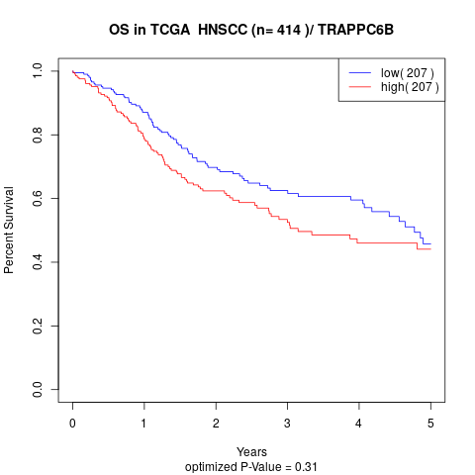

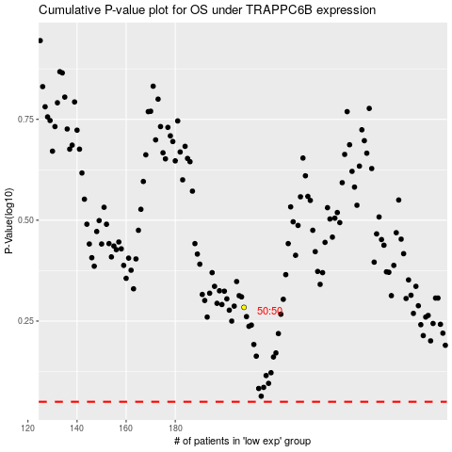

 |  |  |  |  |  | cases_OS | p_OS | rank | exp
 |  |  |  |  |  |  | cases_RFS | p_RFS | rank | exp

