TRAPPC9 _multivariate
Reported by Tex Li-Hsing Chi. tex@gate.sinica.edu.tw 2019-08-15

Table 2. The clinicopathological features of HNSCC cohort and TRAPPC9 expression. (Chi square test)
Cutoff at -0.227 (49.8%)
 |  | TRAPPC9 expression |  | TRAPPC9 expression |  | (Optimised)
 | Features | Low | (%) | High | (%) | Case no | P-value | Remark | Matthews
Gender | Female | 148 | 35.7 | 158 | 38.1 | 415 | 0.3567 | 0 | 0
2 | Male | 59 | 14.2 | 50 | 12
Age at diagnosis | <=65y | 135 | 32.5 | 139 | 33.5 | 415 | 0.8084 | 0 | 0
4 | >65y | 72 | 17.3 | 69 | 16.6
Clinical T Status | T1+T2 | 79 | 19 | 70 | 16.9 | 415 | 0.3924 | 0 | 0
6 | T3+T4 | 128 | 30.8 | 138 | 33.3
Clinical N Status | N0 | 112 | 27 | 104 | 25.1 | 415 | 0.4599 | 0 | 0
8 | N1-3 | 95 | 22.9 | 104 | 25.1
Clinical M Status | M0 | 205 | 49.4 | 207 | 49.9 | 415 | 0.6232 | 0 | 0
10 | M1 | 2 | 0.5 | 1 | 0.2
Clinical Stage | Stage I+II | 55 | 13.3 | 47 | 11.3 | 415 | 0.4087 | 0 | 0
12 | Stage III+IV | 152 | 36.6 | 161 | 38.8
Surgical Margin status | Negative | 163 | 39.3 | 155 | 37.3 | 415 | 0.3537 | 0 | 0
14 | Positive | 44 | 10.6 | 53 | 12.8
Tobacco Exposure | Low | 86 | 20.7 | 75 | 18.1 | 415 | 0.2687 | 0 | 0
16 | High | 121 | 29.2 | 133 | 32

Table 3. Univariate/Multivariate Cox's proportional hazards regression analyses on OS time of TRAPPC9 gene expression in HNSCC

 |  | Univariate |  |  |  | Multivariate
 | Features | HR | CI95%(L) | CI95%(H) | P-value | HR | CI95%(L) | CI95%(H) | P-value
1 | Female | 1 |  |  |  | 1
Gender | Male | 1.157 | 0.843 | 1.587 | 0.367 | 1.197 | 0.854 | 1.677 | 0.296
11 | <=65y | 1 |  |  |  | 1
Age at diagnosis | >65y | 1.329 | 0.99 | 1.784 | 0.058 | 1.39 | 1.022 | 1.89 | 0.036
12 | T1+T2 | 1 |  |  |  | 1
Clinical T Status | T3+T4 | 1.409 | 1.028 | 1.931 | 0.033 | 2.208 | 1.167 | 4.178 | 0.015
13 | N0 | 1 |  |  |  | 1
Clinical N Status | N1-3 | 1.185 | 0.89 | 1.577 | 0.246 | 1.245 | 0.871 | 1.78 | 0.23
14 | M0 | 1 |  |  |  | 1
Clinical M Status | M1 | 4.097 | 1.009 | 16.644 | 0.049 | 9.325 | 2.027 | 42.886 | 0.004
15 | Stage I+II | 1 |  |  |  | 1
Clinical Stage | Stage III+IV | 1.245 | 0.882 | 1.759 | 0.213 | 0.504 | 0.235 | 1.082 | 0.079
16 | Negative | 1 |  |  |  | 1
Surgical Margin status | Positive | 1.591 | 1.155 | 2.191 | 0.004 | 1.672 | 1.21 | 2.311 | 0.002
17 | Low | 1 |  |  |  | 1
Tobacco Exposure | High | 1.364 | 1.008 | 1.844 | 0.044 | 1.452 | 1.054 | 2.001 | 0.023
18 | Low | 1 |  |  |  | 1
RNAseq(z-score) | High | 0.99 | 0.743 | 1.319 | 0.943 | 0.975 | 0.725 | 1.31 | 0.865

Table 4. Univariate/Multivariate Cox's proportional hazards regression analyses on RFS time of TRAPPC9 gene expression in HNSCC

 |  | Univariate |  |  |  | Multivariate
 | Features | HR | CI95%(L) | CI95%(H) | P-value | HR | CI95%(L) | CI95%(H) | P-value
1 | Female | 1 |  |  |  | 1
Gender | Male | 1.157 | 0.843 | 1.587 | 0.367 | 1.197 | 0.854 | 1.677 | 0.296
11 | <=65y | 1 |  |  |  | 1
Age at diagnosis | >65y | 1.329 | 0.99 | 1.784 | 0.058 | 1.39 | 1.022 | 1.89 | 0.036
12 | T1+T2 | 1 |  |  |  | 1
Clinical T Status | T3+T4 | 1.409 | 1.028 | 1.931 | 0.033 | 2.208 | 1.167 | 4.178 | 0.015
13 | N0 | 1 |  |  |  | 1
Clinical N Status | N1-3 | 1.185 | 0.89 | 1.577 | 0.246 | 1.245 | 0.871 | 1.78 | 0.23
14 | M0 | 1 |  |  |  | 1
Clinical M Status | M1 | 4.097 | 1.009 | 16.644 | 0.049 | 9.325 | 2.027 | 42.886 | 0.004
15 | Stage I+II | 1 |  |  |  | 1
Clinical Stage | Stage III+IV | 1.245 | 0.882 | 1.759 | 0.213 | 0.504 | 0.235 | 1.082 | 0.079
16 | Negative | 1 |  |  |  | 1
Surgical Margin status | Positive | 1.591 | 1.155 | 2.191 | 0.004 | 1.672 | 1.21 | 2.311 | 0.002
17 | Low | 1 |  |  |  | 1
Tobacco Exposure | High | 1.364 | 1.008 | 1.844 | 0.044 | 1.452 | 1.054 | 2.001 | 0.023
18 | Low | 1 |  |  |  | 1
RNAseq(z-score) | High | 0.99 | 0.743 | 1.319 | 0.943 | 0.975 | 0.725 | 1.31 | 0.865

Kaplan-Meier survival estimate: Cutoff at -0.227 (49.8%)



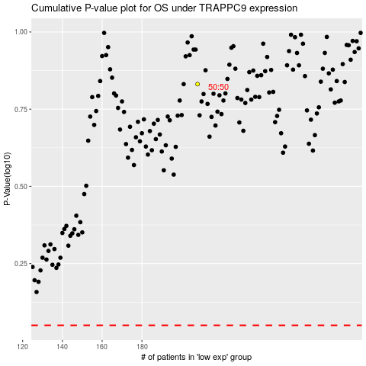

 |  |  |  |  |  | cases_OS | p_OS | rank | exp
 |  |  |  |  |  |  | cases_RFS | p_RFS | rank | exp

