TRDMT1 _multivariate
Reported by Tex Li-Hsing Chi. tex@gate.sinica.edu.tw 2019-08-15

Table 2. The clinicopathological features of HNSCC cohort and TRDMT1 expression. (Chi square test)
Cutoff at -0.095 (50.0%)
 |  | TRDMT1 expression |  | TRDMT1 expression |  | (Optimised)
 | Features | Low | (%) | High | (%) | Case no | P-value | Remark | Matthews
Gender | Female | 157 | 37.8 | 149 | 35.9 | 415 | 0.3881 | 0 | 0
2 | Male | 50 | 12 | 59 | 14.2
Age at diagnosis | <=65y | 146 | 35.2 | 128 | 30.8 | 415 | 0.0672 | 0 | 0
4 | >65y | 61 | 14.7 | 80 | 19.3
Clinical T Status | T1+T2 | 66 | 15.9 | 83 | 20 | 415 | 0.1095 | 0 | 0
6 | T3+T4 | 141 | 34 | 125 | 30.1
Clinical N Status | N0 | 108 | 26 | 108 | 26 | 415 | 1 | 0 | 0
8 | N1-3 | 99 | 23.9 | 100 | 24.1
Clinical M Status | M0 | 205 | 49.4 | 207 | 49.9 | 415 | 0.6232 | 0 | 0
10 | M1 | 2 | 0.5 | 1 | 0.2
Clinical Stage | Stage I+II | 40 | 9.6 | 62 | 14.9 | 415 | 0.018 | 1 | 0
12 | Stage III+IV | 167 | 40.2 | 146 | 35.2
Surgical Margin status | Negative | 156 | 37.6 | 162 | 39 | 415 | 0.5636 | 0 | 0
14 | Positive | 51 | 12.3 | 46 | 11.1
Tobacco Exposure | Low | 80 | 19.3 | 81 | 19.5 | 415 | 1 | 0 | 0
16 | High | 127 | 30.6 | 127 | 30.6

Table 3. Univariate/Multivariate Cox's proportional hazards regression analyses on OS time of TRDMT1 gene expression in HNSCC

 |  | Univariate |  |  |  | Multivariate
 | Features | HR | CI95%(L) | CI95%(H) | P-value | HR | CI95%(L) | CI95%(H) | P-value
1 | Female | 1 |  |  |  | 1
Gender | Male | 1.157 | 0.843 | 1.587 | 0.367 | 1.203 | 0.861 | 1.68 | 0.279
11 | <=65y | 1 |  |  |  | 1
Age at diagnosis | >65y | 1.329 | 0.99 | 1.784 | 0.058 | 1.382 | 1.013 | 1.886 | 0.041
12 | T1+T2 | 1 |  |  |  | 1
Clinical T Status | T3+T4 | 1.409 | 1.028 | 1.931 | 0.033 | 2.208 | 1.167 | 4.176 | 0.015
13 | N0 | 1 |  |  |  | 1
Clinical N Status | N1-3 | 1.185 | 0.89 | 1.577 | 0.246 | 1.236 | 0.865 | 1.765 | 0.245
14 | M0 | 1 |  |  |  | 1
Clinical M Status | M1 | 4.097 | 1.009 | 16.644 | 0.049 | 9.469 | 2.064 | 43.44 | 0.004
15 | Stage I+II | 1 |  |  |  | 1
Clinical Stage | Stage III+IV | 1.245 | 0.882 | 1.759 | 0.213 | 0.508 | 0.236 | 1.093 | 0.083
16 | Negative | 1 |  |  |  | 1
Surgical Margin status | Positive | 1.591 | 1.155 | 2.191 | 0.004 | 1.682 | 1.214 | 2.331 | 0.002
17 | Low | 1 |  |  |  | 1
Tobacco Exposure | High | 1.364 | 1.008 | 1.844 | 0.044 | 1.449 | 1.052 | 1.998 | 0.023
18 | Low | 1 |  |  |  | 1
RNAseq(z-score) | High | 1.02 | 0.765 | 1.36 | 0.892 | 1.045 | 0.777 | 1.405 | 0.771

Table 4. Univariate/Multivariate Cox's proportional hazards regression analyses on RFS time of TRDMT1 gene expression in HNSCC

 |  | Univariate |  |  |  | Multivariate
 | Features | HR | CI95%(L) | CI95%(H) | P-value | HR | CI95%(L) | CI95%(H) | P-value
1 | Female | 1 |  |  |  | 1
Gender | Male | 1.157 | 0.843 | 1.587 | 0.367 | 1.203 | 0.861 | 1.68 | 0.279
11 | <=65y | 1 |  |  |  | 1
Age at diagnosis | >65y | 1.329 | 0.99 | 1.784 | 0.058 | 1.382 | 1.013 | 1.886 | 0.041
12 | T1+T2 | 1 |  |  |  | 1
Clinical T Status | T3+T4 | 1.409 | 1.028 | 1.931 | 0.033 | 2.208 | 1.167 | 4.176 | 0.015
13 | N0 | 1 |  |  |  | 1
Clinical N Status | N1-3 | 1.185 | 0.89 | 1.577 | 0.246 | 1.236 | 0.865 | 1.765 | 0.245
14 | M0 | 1 |  |  |  | 1
Clinical M Status | M1 | 4.097 | 1.009 | 16.644 | 0.049 | 9.469 | 2.064 | 43.44 | 0.004
15 | Stage I+II | 1 |  |  |  | 1
Clinical Stage | Stage III+IV | 1.245 | 0.882 | 1.759 | 0.213 | 0.508 | 0.236 | 1.093 | 0.083
16 | Negative | 1 |  |  |  | 1
Surgical Margin status | Positive | 1.591 | 1.155 | 2.191 | 0.004 | 1.682 | 1.214 | 2.331 | 0.002
17 | Low | 1 |  |  |  | 1
Tobacco Exposure | High | 1.364 | 1.008 | 1.844 | 0.044 | 1.449 | 1.052 | 1.998 | 0.023
18 | Low | 1 |  |  |  | 1
RNAseq(z-score) | High | 1.02 | 0.765 | 1.36 | 0.892 | 1.045 | 0.777 | 1.405 | 0.771

Kaplan-Meier survival estimate: Cutoff at -0.095 (50.0%)



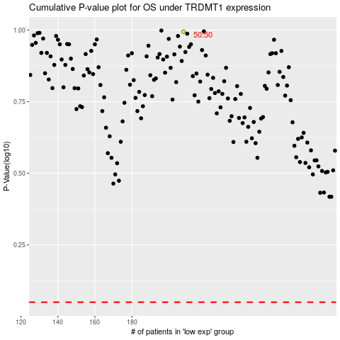

 |  |  |  |  |  | cases_OS | p_OS | rank | exp
 |  |  |  |  |  |  | cases_RFS | p_RFS | rank | exp

