TREM1 _multivariate
Reported by Tex Li-Hsing Chi. tex@gate.sinica.edu.tw 2019-08-15

Table 2. The clinicopathological features of HNSCC cohort and TREM1 expression. (Chi square test)
Cutoff at -0.311 (50.0%)
 |  | TREM1 expression |  | TREM1 expression |  | (Optimised)
 | Features | Low | (%) | High | (%) | Case no | P-value | Remark | Matthews
Gender | Female | 161 | 38.8 | 145 | 34.9 | 415 | 0.0792 | 0 | 0
2 | Male | 46 | 11.1 | 63 | 15.2
Age at diagnosis | <=65y | 146 | 35.2 | 128 | 30.8 | 415 | 0.0672 | 0 | 0
4 | >65y | 61 | 14.7 | 80 | 19.3
Clinical T Status | T1+T2 | 88 | 21.2 | 61 | 14.7 | 415 | 0.007 | 1 | 0
6 | T3+T4 | 119 | 28.7 | 147 | 35.4
Clinical N Status | N0 | 107 | 25.8 | 109 | 26.3 | 415 | 0.9624 | 0 | 0
8 | N1-3 | 100 | 24.1 | 99 | 23.9
Clinical M Status | M0 | 206 | 49.6 | 206 | 49.6 | 415 | 1 | 0 | 0
10 | M1 | 1 | 0.2 | 2 | 0.5
Clinical Stage | Stage I+II | 58 | 14 | 44 | 10.6 | 415 | 0.131 | 0 | 0
12 | Stage III+IV | 149 | 35.9 | 164 | 39.5
Surgical Margin status | Negative | 151 | 36.4 | 167 | 40.2 | 415 | 0.0828 | 0 | 0
14 | Positive | 56 | 13.5 | 41 | 9.9
Tobacco Exposure | Low | 80 | 19.3 | 81 | 19.5 | 415 | 1 | 0 | 0
16 | High | 127 | 30.6 | 127 | 30.6

Table 3. Univariate/Multivariate Cox's proportional hazards regression analyses on OS time of TREM1 gene expression in HNSCC

 |  | Univariate |  |  |  | Multivariate
 | Features | HR | CI95%(L) | CI95%(H) | P-value | HR | CI95%(L) | CI95%(H) | P-value
1 | Female | 1 |  |  |  | 1
Gender | Male | 1.157 | 0.843 | 1.587 | 0.367 | 1.194 | 0.854 | 1.669 | 0.301
11 | <=65y | 1 |  |  |  | 1
Age at diagnosis | >65y | 1.329 | 0.99 | 1.784 | 0.058 | 1.389 | 1.022 | 1.888 | 0.036
12 | T1+T2 | 1 |  |  |  | 1
Clinical T Status | T3+T4 | 1.409 | 1.028 | 1.931 | 0.033 | 2.188 | 1.157 | 4.138 | 0.016
13 | N0 | 1 |  |  |  | 1
Clinical N Status | N1-3 | 1.185 | 0.89 | 1.577 | 0.246 | 1.244 | 0.872 | 1.776 | 0.229
14 | M0 | 1 |  |  |  | 1
Clinical M Status | M1 | 4.097 | 1.009 | 16.644 | 0.049 | 9.28 | 2.023 | 42.576 | 0.004
15 | Stage I+II | 1 |  |  |  | 1
Clinical Stage | Stage III+IV | 1.245 | 0.882 | 1.759 | 0.213 | 0.505 | 0.236 | 1.085 | 0.08
16 | Negative | 1 |  |  |  | 1
Surgical Margin status | Positive | 1.591 | 1.155 | 2.191 | 0.004 | 1.69 | 1.22 | 2.342 | 0.002
17 | Low | 1 |  |  |  | 1
Tobacco Exposure | High | 1.364 | 1.008 | 1.844 | 0.044 | 1.454 | 1.055 | 2.003 | 0.022
18 | Low | 1 |  |  |  | 1
RNAseq(z-score) | High | 1.063 | 0.798 | 1.416 | 0.676 | 1.079 | 0.806 | 1.445 | 0.608

Table 4. Univariate/Multivariate Cox's proportional hazards regression analyses on RFS time of TREM1 gene expression in HNSCC

 |  | Univariate |  |  |  | Multivariate
 | Features | HR | CI95%(L) | CI95%(H) | P-value | HR | CI95%(L) | CI95%(H) | P-value
1 | Female | 1 |  |  |  | 1
Gender | Male | 1.157 | 0.843 | 1.587 | 0.367 | 1.194 | 0.854 | 1.669 | 0.301
11 | <=65y | 1 |  |  |  | 1
Age at diagnosis | >65y | 1.329 | 0.99 | 1.784 | 0.058 | 1.389 | 1.022 | 1.888 | 0.036
12 | T1+T2 | 1 |  |  |  | 1
Clinical T Status | T3+T4 | 1.409 | 1.028 | 1.931 | 0.033 | 2.188 | 1.157 | 4.138 | 0.016
13 | N0 | 1 |  |  |  | 1
Clinical N Status | N1-3 | 1.185 | 0.89 | 1.577 | 0.246 | 1.244 | 0.872 | 1.776 | 0.229
14 | M0 | 1 |  |  |  | 1
Clinical M Status | M1 | 4.097 | 1.009 | 16.644 | 0.049 | 9.28 | 2.023 | 42.576 | 0.004
15 | Stage I+II | 1 |  |  |  | 1
Clinical Stage | Stage III+IV | 1.245 | 0.882 | 1.759 | 0.213 | 0.505 | 0.236 | 1.085 | 0.08
16 | Negative | 1 |  |  |  | 1
Surgical Margin status | Positive | 1.591 | 1.155 | 2.191 | 0.004 | 1.69 | 1.22 | 2.342 | 0.002
17 | Low | 1 |  |  |  | 1
Tobacco Exposure | High | 1.364 | 1.008 | 1.844 | 0.044 | 1.454 | 1.055 | 2.003 | 0.022
18 | Low | 1 |  |  |  | 1
RNAseq(z-score) | High | 1.063 | 0.798 | 1.416 | 0.676 | 1.079 | 0.806 | 1.445 | 0.608

Kaplan-Meier survival estimate: Cutoff at -0.311 (50.0%)



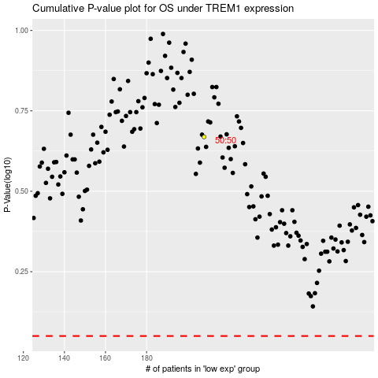

 |  |  |  |  |  | cases_OS | p_OS | rank | exp
 |  |  |  |  |  |  | cases_RFS | p_RFS | rank | exp

