TRHDE _multivariate
Reported by Tex Li-Hsing Chi. tex@gate.sinica.edu.tw 2019-08-15

Table 2. The clinicopathological features of HNSCC cohort and TRHDE expression. (Chi square test)
Cutoff at -0.382 (50.0%)
 |  | TRHDE expression |  | TRHDE expression |  | (Optimised)
 | Features | Low | (%) | High | (%) | Case no | P-value | Remark | Matthews
Gender | Female | 161 | 38.8 | 145 | 34.9 | 415 | 0.0792 | 0 | 0
2 | Male | 46 | 11.1 | 63 | 15.2
Age at diagnosis | <=65y | 133 | 32 | 141 | 34 | 415 | 0.5111 | 0 | 0
4 | >65y | 74 | 17.8 | 67 | 16.1
Clinical T Status | T1+T2 | 59 | 14.2 | 90 | 21.7 | 415 | 0.0024 | 1 | 0
6 | T3+T4 | 148 | 35.7 | 118 | 28.4
Clinical N Status | N0 | 96 | 23.1 | 120 | 28.9 | 415 | 0.0272 | 1 | 0
8 | N1-3 | 111 | 26.7 | 88 | 21.2
Clinical M Status | M0 | 205 | 49.4 | 207 | 49.9 | 415 | 0.6232 | 0 | 0
10 | M1 | 2 | 0.5 | 1 | 0.2
Clinical Stage | Stage I+II | 36 | 8.7 | 66 | 15.9 | 415 | 0.001 | 1 | 0
12 | Stage III+IV | 171 | 41.2 | 142 | 34.2
Surgical Margin status | Negative | 148 | 35.7 | 170 | 41 | 415 | 0.015 | 1 | 0
14 | Positive | 59 | 14.2 | 38 | 9.2
Tobacco Exposure | Low | 61 | 14.7 | 100 | 24.1 | 415 | 1e-04 | 1 | 0
16 | High | 146 | 35.2 | 108 | 26

Table 3. Univariate/Multivariate Cox's proportional hazards regression analyses on OS time of TRHDE gene expression in HNSCC

 |  | Univariate |  |  |  | Multivariate
 | Features | HR | CI95%(L) | CI95%(H) | P-value | HR | CI95%(L) | CI95%(H) | P-value
1 | Female | 1 |  |  |  | 1
Gender | Male | 1.157 | 0.843 | 1.587 | 0.367 | 1.203 | 0.861 | 1.681 | 0.279
11 | <=65y | 1 |  |  |  | 1
Age at diagnosis | >65y | 1.329 | 0.99 | 1.784 | 0.058 | 1.409 | 1.034 | 1.92 | 0.03
12 | T1+T2 | 1 |  |  |  | 1
Clinical T Status | T3+T4 | 1.409 | 1.028 | 1.931 | 0.033 | 2.235 | 1.181 | 4.23 | 0.014
13 | N0 | 1 |  |  |  | 1
Clinical N Status | N1-3 | 1.185 | 0.89 | 1.577 | 0.246 | 1.256 | 0.879 | 1.794 | 0.21
14 | M0 | 1 |  |  |  | 1
Clinical M Status | M1 | 4.097 | 1.009 | 16.644 | 0.049 | 9.632 | 2.098 | 44.211 | 0.004
15 | Stage I+II | 1 |  |  |  | 1
Clinical Stage | Stage III+IV | 1.245 | 0.882 | 1.759 | 0.213 | 0.502 | 0.234 | 1.079 | 0.077
16 | Negative | 1 |  |  |  | 1
Surgical Margin status | Positive | 1.591 | 1.155 | 2.191 | 0.004 | 1.691 | 1.222 | 2.34 | 0.002
17 | Low | 1 |  |  |  | 1
Tobacco Exposure | High | 1.364 | 1.008 | 1.844 | 0.044 | 1.498 | 1.078 | 2.082 | 0.016
18 | Low | 1 |  |  |  | 1
RNAseq(z-score) | High | 0.933 | 0.7 | 1.244 | 0.636 | 1.133 | 0.838 | 1.533 | 0.417

Table 4. Univariate/Multivariate Cox's proportional hazards regression analyses on RFS time of TRHDE gene expression in HNSCC

 |  | Univariate |  |  |  | Multivariate
 | Features | HR | CI95%(L) | CI95%(H) | P-value | HR | CI95%(L) | CI95%(H) | P-value
1 | Female | 1 |  |  |  | 1
Gender | Male | 1.157 | 0.843 | 1.587 | 0.367 | 1.203 | 0.861 | 1.681 | 0.279
11 | <=65y | 1 |  |  |  | 1
Age at diagnosis | >65y | 1.329 | 0.99 | 1.784 | 0.058 | 1.409 | 1.034 | 1.92 | 0.03
12 | T1+T2 | 1 |  |  |  | 1
Clinical T Status | T3+T4 | 1.409 | 1.028 | 1.931 | 0.033 | 2.235 | 1.181 | 4.23 | 0.014
13 | N0 | 1 |  |  |  | 1
Clinical N Status | N1-3 | 1.185 | 0.89 | 1.577 | 0.246 | 1.256 | 0.879 | 1.794 | 0.21
14 | M0 | 1 |  |  |  | 1
Clinical M Status | M1 | 4.097 | 1.009 | 16.644 | 0.049 | 9.632 | 2.098 | 44.211 | 0.004
15 | Stage I+II | 1 |  |  |  | 1
Clinical Stage | Stage III+IV | 1.245 | 0.882 | 1.759 | 0.213 | 0.502 | 0.234 | 1.079 | 0.077
16 | Negative | 1 |  |  |  | 1
Surgical Margin status | Positive | 1.591 | 1.155 | 2.191 | 0.004 | 1.691 | 1.222 | 2.34 | 0.002
17 | Low | 1 |  |  |  | 1
Tobacco Exposure | High | 1.364 | 1.008 | 1.844 | 0.044 | 1.498 | 1.078 | 2.082 | 0.016
18 | Low | 1 |  |  |  | 1
RNAseq(z-score) | High | 0.933 | 0.7 | 1.244 | 0.636 | 1.133 | 0.838 | 1.533 | 0.417

Kaplan-Meier survival estimate: Cutoff at -0.382 (50.0%)



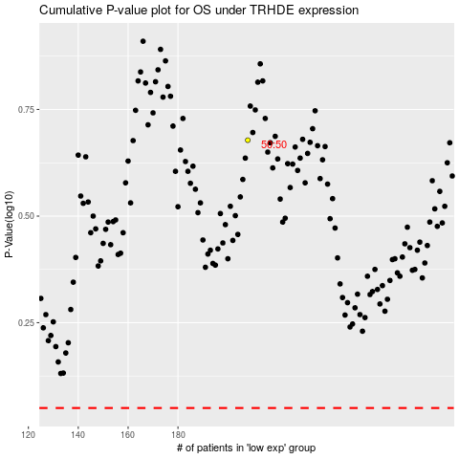

 |  |  |  |  |  | cases_OS | p_OS | rank | exp
 |  |  |  |  |  |  | cases_RFS | p_RFS | rank | exp

