TRIB2 _multivariate
Reported by Tex Li-Hsing Chi. tex@gate.sinica.edu.tw 2019-08-15

Table 2. The clinicopathological features of HNSCC cohort and TRIB2 expression. (Chi square test)
Cutoff at -0.226 (49.8%)
 |  | TRIB2 expression |  | TRIB2 expression |  | (Optimised)
 | Features | Low | (%) | High | (%) | Case no | P-value | Remark | Matthews
Gender | Female | 152 | 36.6 | 154 | 37.1 | 415 | 0.9766 | 0 | 0
2 | Male | 55 | 13.3 | 54 | 13
Age at diagnosis | <=65y | 140 | 33.7 | 134 | 32.3 | 415 | 0.5574 | 0 | 0
4 | >65y | 67 | 16.1 | 74 | 17.8
Clinical T Status | T1+T2 | 70 | 16.9 | 79 | 19 | 415 | 0.4343 | 0 | 0
6 | T3+T4 | 137 | 33 | 129 | 31.1
Clinical N Status | N0 | 114 | 27.5 | 102 | 24.6 | 415 | 0.2576 | 1 | 0
8 | N1-3 | 93 | 22.4 | 106 | 25.5
Clinical M Status | M0 | 205 | 49.4 | 207 | 49.9 | 415 | 0.6232 | 0 | 0
10 | M1 | 2 | 0.5 | 1 | 0.2
Clinical Stage | Stage I+II | 48 | 11.6 | 54 | 13 | 415 | 0.5878 | 0 | 0
12 | Stage III+IV | 159 | 38.3 | 154 | 37.1
Surgical Margin status | Negative | 157 | 37.8 | 161 | 38.8 | 415 | 0.729 | 0 | 0
14 | Positive | 50 | 12 | 47 | 11.3
Tobacco Exposure | Low | 83 | 20 | 78 | 18.8 | 415 | 0.6152 | 0 | 0
16 | High | 124 | 29.9 | 130 | 31.3

Table 3. Univariate/Multivariate Cox's proportional hazards regression analyses on OS time of TRIB2 gene expression in HNSCC

 |  | Univariate |  |  |  | Multivariate
 | Features | HR | CI95%(L) | CI95%(H) | P-value | HR | CI95%(L) | CI95%(H) | P-value
1 | Female | 1 |  |  |  | 1
Gender | Male | 1.157 | 0.843 | 1.587 | 0.367 | 1.19 | 0.851 | 1.663 | 0.31
11 | <=65y | 1 |  |  |  | 1
Age at diagnosis | >65y | 1.329 | 0.99 | 1.784 | 0.058 | 1.397 | 1.028 | 1.899 | 0.033
12 | T1+T2 | 1 |  |  |  | 1
Clinical T Status | T3+T4 | 1.409 | 1.028 | 1.931 | 0.033 | 2.18 | 1.153 | 4.124 | 0.017
13 | N0 | 1 |  |  |  | 1
Clinical N Status | N1-3 | 1.185 | 0.89 | 1.577 | 0.246 | 1.252 | 0.877 | 1.787 | 0.216
14 | M0 | 1 |  |  |  | 1
Clinical M Status | M1 | 4.097 | 1.009 | 16.644 | 0.049 | 8.963 | 1.945 | 41.296 | 0.005
15 | Stage I+II | 1 |  |  |  | 1
Clinical Stage | Stage III+IV | 1.245 | 0.882 | 1.759 | 0.213 | 0.506 | 0.236 | 1.086 | 0.081
16 | Negative | 1 |  |  |  | 1
Surgical Margin status | Positive | 1.591 | 1.155 | 2.191 | 0.004 | 1.658 | 1.2 | 2.292 | 0.002
17 | Low | 1 |  |  |  | 1
Tobacco Exposure | High | 1.364 | 1.008 | 1.844 | 0.044 | 1.461 | 1.06 | 2.012 | 0.02
18 | Low | 1 |  |  |  | 1
RNAseq(z-score) | High | 0.857 | 0.644 | 1.142 | 0.293 | 0.895 | 0.669 | 1.197 | 0.455

Table 4. Univariate/Multivariate Cox's proportional hazards regression analyses on RFS time of TRIB2 gene expression in HNSCC

 |  | Univariate |  |  |  | Multivariate
 | Features | HR | CI95%(L) | CI95%(H) | P-value | HR | CI95%(L) | CI95%(H) | P-value
1 | Female | 1 |  |  |  | 1
Gender | Male | 1.157 | 0.843 | 1.587 | 0.367 | 1.19 | 0.851 | 1.663 | 0.31
11 | <=65y | 1 |  |  |  | 1
Age at diagnosis | >65y | 1.329 | 0.99 | 1.784 | 0.058 | 1.397 | 1.028 | 1.899 | 0.033
12 | T1+T2 | 1 |  |  |  | 1
Clinical T Status | T3+T4 | 1.409 | 1.028 | 1.931 | 0.033 | 2.18 | 1.153 | 4.124 | 0.017
13 | N0 | 1 |  |  |  | 1
Clinical N Status | N1-3 | 1.185 | 0.89 | 1.577 | 0.246 | 1.252 | 0.877 | 1.787 | 0.216
14 | M0 | 1 |  |  |  | 1
Clinical M Status | M1 | 4.097 | 1.009 | 16.644 | 0.049 | 8.963 | 1.945 | 41.296 | 0.005
15 | Stage I+II | 1 |  |  |  | 1
Clinical Stage | Stage III+IV | 1.245 | 0.882 | 1.759 | 0.213 | 0.506 | 0.236 | 1.086 | 0.081
16 | Negative | 1 |  |  |  | 1
Surgical Margin status | Positive | 1.591 | 1.155 | 2.191 | 0.004 | 1.658 | 1.2 | 2.292 | 0.002
17 | Low | 1 |  |  |  | 1
Tobacco Exposure | High | 1.364 | 1.008 | 1.844 | 0.044 | 1.461 | 1.06 | 2.012 | 0.02
18 | Low | 1 |  |  |  | 1
RNAseq(z-score) | High | 0.857 | 0.644 | 1.142 | 0.293 | 0.895 | 0.669 | 1.197 | 0.455

Kaplan-Meier survival estimate: Cutoff at -0.226 (49.8%)



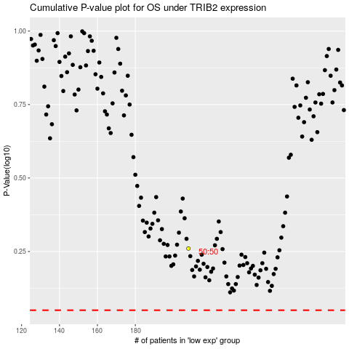

 |  |  |  |  |  | cases_OS | p_OS | rank | exp
 |  |  |  |  |  |  | cases_RFS | p_RFS | rank | exp

