TRIL _multivariate
Reported by Tex Li-Hsing Chi. tex@gate.sinica.edu.tw 2019-08-15

Table 2. The clinicopathological features of HNSCC cohort and TRIL expression. (Chi square test)
Cutoff at -0.331 (49.8%)
 |  | TRIL expression |  | TRIL expression |  | (Optimised)
 | Features | Low | (%) | High | (%) | Case no | P-value | Remark | Matthews
Gender | Female | 161 | 38.8 | 145 | 34.9 | 415 | 0.0792 | 0 | 0
2 | Male | 46 | 11.1 | 63 | 15.2
Age at diagnosis | <=65y | 142 | 34.2 | 132 | 31.8 | 415 | 0.3167 | 0 | 0
4 | >65y | 65 | 15.7 | 76 | 18.3
Clinical T Status | T1+T2 | 60 | 14.5 | 89 | 21.4 | 415 | 0.0047 | 1 | 0
6 | T3+T4 | 147 | 35.4 | 119 | 28.7
Clinical N Status | N0 | 99 | 23.9 | 117 | 28.2 | 415 | 0.1054 | 0 | 0
8 | N1-3 | 108 | 26 | 91 | 21.9
Clinical M Status | M0 | 206 | 49.6 | 206 | 49.6 | 415 | 1 | 0 | 0
10 | M1 | 1 | 0.2 | 2 | 0.5
Clinical Stage | Stage I+II | 39 | 9.4 | 63 | 15.2 | 415 | 0.0095 | 1 | 0
12 | Stage III+IV | 168 | 40.5 | 145 | 34.9
Surgical Margin status | Negative | 157 | 37.8 | 161 | 38.8 | 415 | 0.729 | 0 | 0
14 | Positive | 50 | 12 | 47 | 11.3
Tobacco Exposure | Low | 84 | 20.2 | 77 | 18.6 | 415 | 0.4816 | 0 | 0
16 | High | 123 | 29.6 | 131 | 31.6

Table 3. Univariate/Multivariate Cox's proportional hazards regression analyses on OS time of TRIL gene expression in HNSCC

 |  | Univariate |  |  |  | Multivariate
 | Features | HR | CI95%(L) | CI95%(H) | P-value | HR | CI95%(L) | CI95%(H) | P-value
1 | Female | 1 |  |  |  | 1
Gender | Male | 1.157 | 0.843 | 1.587 | 0.367 | 1.194 | 0.854 | 1.671 | 0.299
11 | <=65y | 1 |  |  |  | 1
Age at diagnosis | >65y | 1.329 | 0.99 | 1.784 | 0.058 | 1.388 | 1.021 | 1.887 | 0.037
12 | T1+T2 | 1 |  |  |  | 1
Clinical T Status | T3+T4 | 1.409 | 1.028 | 1.931 | 0.033 | 2.229 | 1.176 | 4.227 | 0.014
13 | N0 | 1 |  |  |  | 1
Clinical N Status | N1-3 | 1.185 | 0.89 | 1.577 | 0.246 | 1.248 | 0.874 | 1.783 | 0.223
14 | M0 | 1 |  |  |  | 1
Clinical M Status | M1 | 4.097 | 1.009 | 16.644 | 0.049 | 9.377 | 2.045 | 42.991 | 0.004
15 | Stage I+II | 1 |  |  |  | 1
Clinical Stage | Stage III+IV | 1.245 | 0.882 | 1.759 | 0.213 | 0.501 | 0.233 | 1.077 | 0.077
16 | Negative | 1 |  |  |  | 1
Surgical Margin status | Positive | 1.591 | 1.155 | 2.191 | 0.004 | 1.682 | 1.216 | 2.328 | 0.002
17 | Low | 1 |  |  |  | 1
Tobacco Exposure | High | 1.364 | 1.008 | 1.844 | 0.044 | 1.444 | 1.046 | 1.992 | 0.025
18 | Low | 1 |  |  |  | 1
RNAseq(z-score) | High | 1.029 | 0.773 | 1.37 | 0.844 | 1.063 | 0.793 | 1.427 | 0.682

Table 4. Univariate/Multivariate Cox's proportional hazards regression analyses on RFS time of TRIL gene expression in HNSCC

 |  | Univariate |  |  |  | Multivariate
 | Features | HR | CI95%(L) | CI95%(H) | P-value | HR | CI95%(L) | CI95%(H) | P-value
1 | Female | 1 |  |  |  | 1
Gender | Male | 1.157 | 0.843 | 1.587 | 0.367 | 1.194 | 0.854 | 1.671 | 0.299
11 | <=65y | 1 |  |  |  | 1
Age at diagnosis | >65y | 1.329 | 0.99 | 1.784 | 0.058 | 1.388 | 1.021 | 1.887 | 0.037
12 | T1+T2 | 1 |  |  |  | 1
Clinical T Status | T3+T4 | 1.409 | 1.028 | 1.931 | 0.033 | 2.229 | 1.176 | 4.227 | 0.014
13 | N0 | 1 |  |  |  | 1
Clinical N Status | N1-3 | 1.185 | 0.89 | 1.577 | 0.246 | 1.248 | 0.874 | 1.783 | 0.223
14 | M0 | 1 |  |  |  | 1
Clinical M Status | M1 | 4.097 | 1.009 | 16.644 | 0.049 | 9.377 | 2.045 | 42.991 | 0.004
15 | Stage I+II | 1 |  |  |  | 1
Clinical Stage | Stage III+IV | 1.245 | 0.882 | 1.759 | 0.213 | 0.501 | 0.233 | 1.077 | 0.077
16 | Negative | 1 |  |  |  | 1
Surgical Margin status | Positive | 1.591 | 1.155 | 2.191 | 0.004 | 1.682 | 1.216 | 2.328 | 0.002
17 | Low | 1 |  |  |  | 1
Tobacco Exposure | High | 1.364 | 1.008 | 1.844 | 0.044 | 1.444 | 1.046 | 1.992 | 0.025
18 | Low | 1 |  |  |  | 1
RNAseq(z-score) | High | 1.029 | 0.773 | 1.37 | 0.844 | 1.063 | 0.793 | 1.427 | 0.682

Kaplan-Meier survival estimate: Cutoff at -0.331 (49.8%)



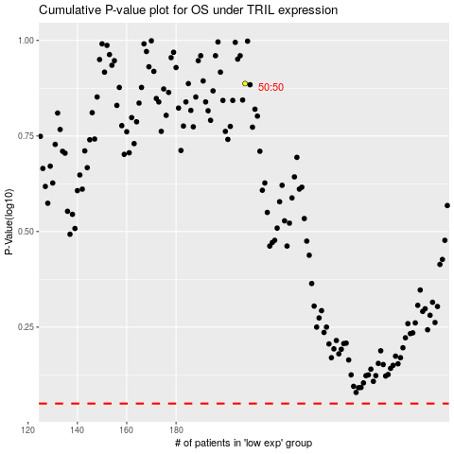

 |  |  |  |  |  | cases_OS | p_OS | rank | exp
 |  |  |  |  |  |  | cases_RFS | p_RFS | rank | exp

