TRIM13 _multivariate
Reported by Tex Li-Hsing Chi. tex@gate.sinica.edu.tw 2019-08-15

Table 2. The clinicopathological features of HNSCC cohort and TRIM13 expression. (Chi square test)
Cutoff at -0.306 (50.0%)
 |  | TRIM13 expression |  | TRIM13 expression |  | (Optimised)
 | Features | Low | (%) | High | (%) | Case no | P-value | Remark | Matthews
Gender | Female | 157 | 37.8 | 149 | 35.9 | 415 | 0.3881 | 0 | 0
2 | Male | 50 | 12 | 59 | 14.2
Age at diagnosis | <=65y | 149 | 35.9 | 125 | 30.1 | 415 | 0.0142 | 1 | 0
4 | >65y | 58 | 14 | 83 | 20
Clinical T Status | T1+T2 | 75 | 18.1 | 74 | 17.8 | 415 | 0.9707 | 0 | 0
6 | T3+T4 | 132 | 31.8 | 134 | 32.3
Clinical N Status | N0 | 91 | 21.9 | 125 | 30.1 | 415 | 0.0014 | 1 | 0
8 | N1-3 | 116 | 28 | 83 | 20
Clinical M Status | M0 | 205 | 49.4 | 207 | 49.9 | 415 | 0.6232 | 0 | 0
10 | M1 | 2 | 0.5 | 1 | 0.2
Clinical Stage | Stage I+II | 44 | 10.6 | 58 | 14 | 415 | 0.1459 | 0 | 0
12 | Stage III+IV | 163 | 39.3 | 150 | 36.1
Surgical Margin status | Negative | 160 | 38.6 | 158 | 38.1 | 415 | 0.8167 | 0 | 0
14 | Positive | 47 | 11.3 | 50 | 12
Tobacco Exposure | Low | 81 | 19.5 | 80 | 19.3 | 415 | 0.9199 | 0 | 0
16 | High | 126 | 30.4 | 128 | 30.8

Table 3. Univariate/Multivariate Cox's proportional hazards regression analyses on OS time of TRIM13 gene expression in HNSCC

 |  | Univariate |  |  |  | Multivariate
 | Features | HR | CI95%(L) | CI95%(H) | P-value | HR | CI95%(L) | CI95%(H) | P-value
1 | Female | 1 |  |  |  | 1
Gender | Male | 1.157 | 0.843 | 1.587 | 0.367 | 1.2 | 0.859 | 1.677 | 0.284
11 | <=65y | 1 |  |  |  | 1
Age at diagnosis | >65y | 1.329 | 0.99 | 1.784 | 0.058 | 1.398 | 1.027 | 1.904 | 0.033
12 | T1+T2 | 1 |  |  |  | 1
Clinical T Status | T3+T4 | 1.409 | 1.028 | 1.931 | 0.033 | 2.211 | 1.169 | 4.182 | 0.015
13 | N0 | 1 |  |  |  | 1
Clinical N Status | N1-3 | 1.185 | 0.89 | 1.577 | 0.246 | 1.233 | 0.862 | 1.763 | 0.251
14 | M0 | 1 |  |  |  | 1
Clinical M Status | M1 | 4.097 | 1.009 | 16.644 | 0.049 | 9.348 | 2.038 | 42.871 | 0.004
15 | Stage I+II | 1 |  |  |  | 1
Clinical Stage | Stage III+IV | 1.245 | 0.882 | 1.759 | 0.213 | 0.501 | 0.233 | 1.077 | 0.077
16 | Negative | 1 |  |  |  | 1
Surgical Margin status | Positive | 1.591 | 1.155 | 2.191 | 0.004 | 1.675 | 1.212 | 2.315 | 0.002
17 | Low | 1 |  |  |  | 1
Tobacco Exposure | High | 1.364 | 1.008 | 1.844 | 0.044 | 1.457 | 1.057 | 2.009 | 0.021
18 | Low | 1 |  |  |  | 1
RNAseq(z-score) | High | 0.967 | 0.726 | 1.288 | 0.817 | 0.953 | 0.71 | 1.279 | 0.749

Table 4. Univariate/Multivariate Cox's proportional hazards regression analyses on RFS time of TRIM13 gene expression in HNSCC

 |  | Univariate |  |  |  | Multivariate
 | Features | HR | CI95%(L) | CI95%(H) | P-value | HR | CI95%(L) | CI95%(H) | P-value
1 | Female | 1 |  |  |  | 1
Gender | Male | 1.157 | 0.843 | 1.587 | 0.367 | 1.2 | 0.859 | 1.677 | 0.284
11 | <=65y | 1 |  |  |  | 1
Age at diagnosis | >65y | 1.329 | 0.99 | 1.784 | 0.058 | 1.398 | 1.027 | 1.904 | 0.033
12 | T1+T2 | 1 |  |  |  | 1
Clinical T Status | T3+T4 | 1.409 | 1.028 | 1.931 | 0.033 | 2.211 | 1.169 | 4.182 | 0.015
13 | N0 | 1 |  |  |  | 1
Clinical N Status | N1-3 | 1.185 | 0.89 | 1.577 | 0.246 | 1.233 | 0.862 | 1.763 | 0.251
14 | M0 | 1 |  |  |  | 1
Clinical M Status | M1 | 4.097 | 1.009 | 16.644 | 0.049 | 9.348 | 2.038 | 42.871 | 0.004
15 | Stage I+II | 1 |  |  |  | 1
Clinical Stage | Stage III+IV | 1.245 | 0.882 | 1.759 | 0.213 | 0.501 | 0.233 | 1.077 | 0.077
16 | Negative | 1 |  |  |  | 1
Surgical Margin status | Positive | 1.591 | 1.155 | 2.191 | 0.004 | 1.675 | 1.212 | 2.315 | 0.002
17 | Low | 1 |  |  |  | 1
Tobacco Exposure | High | 1.364 | 1.008 | 1.844 | 0.044 | 1.457 | 1.057 | 2.009 | 0.021
18 | Low | 1 |  |  |  | 1
RNAseq(z-score) | High | 0.967 | 0.726 | 1.288 | 0.817 | 0.953 | 0.71 | 1.279 | 0.749

Kaplan-Meier survival estimate: Cutoff at -0.306 (50.0%)



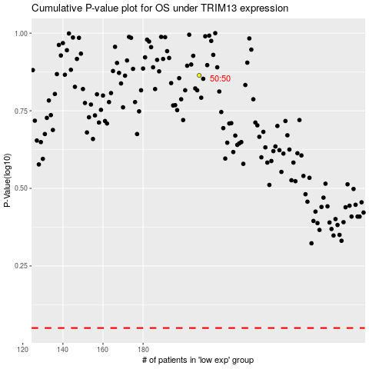

 |  |  |  |  |  | cases_OS | p_OS | rank | exp
 |  |  |  |  |  |  | cases_RFS | p_RFS | rank | exp

