TRIM16 _multivariate
Reported by Tex Li-Hsing Chi. tex@gate.sinica.edu.tw 2019-08-15

Table 2. The clinicopathological features of HNSCC cohort and TRIM16 expression. (Chi square test)
Cutoff at -0.25 (50.0%)
 |  | TRIM16 expression |  | TRIM16 expression |  | (Optimised)
 | Features | Low | (%) | High | (%) | Case no | P-value | Remark | Matthews
Gender | Female | 156 | 37.6 | 150 | 36.1 | 415 | 0.5222 | 0 | 0
2 | Male | 51 | 12.3 | 58 | 14
Age at diagnosis | <=65y | 141 | 34 | 133 | 32 | 415 | 0.4272 | 0 | 0
4 | >65y | 66 | 15.9 | 75 | 18.1
Clinical T Status | T1+T2 | 84 | 20.2 | 65 | 15.7 | 415 | 0.0603 | 0 | 0
6 | T3+T4 | 123 | 29.6 | 143 | 34.5
Clinical N Status | N0 | 101 | 24.3 | 115 | 27.7 | 415 | 0.2201 | 0 | 0
8 | N1-3 | 106 | 25.5 | 93 | 22.4
Clinical M Status | M0 | 204 | 49.2 | 208 | 50.1 | 415 | 0.1232 | 0 | 0
10 | M1 | 3 | 0.7 | 0 | 0
Clinical Stage | Stage I+II | 54 | 13 | 48 | 11.6 | 415 | 0.5498 | 0 | 0
12 | Stage III+IV | 153 | 36.9 | 160 | 38.6
Surgical Margin status | Negative | 153 | 36.9 | 165 | 39.8 | 415 | 0.2036 | 0 | 0
14 | Positive | 54 | 13 | 43 | 10.4
Tobacco Exposure | Low | 82 | 19.8 | 79 | 19 | 415 | 0.763 | 0 | 0
16 | High | 125 | 30.1 | 129 | 31.1

Table 3. Univariate/Multivariate Cox's proportional hazards regression analyses on OS time of TRIM16 gene expression in HNSCC

 |  | Univariate |  |  |  | Multivariate
 | Features | HR | CI95%(L) | CI95%(H) | P-value | HR | CI95%(L) | CI95%(H) | P-value
1 | Female | 1 |  |  |  | 1
Gender | Male | 1.157 | 0.843 | 1.587 | 0.367 | 1.203 | 0.861 | 1.681 | 0.28
11 | <=65y | 1 |  |  |  | 1
Age at diagnosis | >65y | 1.329 | 0.99 | 1.784 | 0.058 | 1.385 | 1.019 | 1.882 | 0.038
12 | T1+T2 | 1 |  |  |  | 1
Clinical T Status | T3+T4 | 1.409 | 1.028 | 1.931 | 0.033 | 2.187 | 1.156 | 4.136 | 0.016
13 | N0 | 1 |  |  |  | 1
Clinical N Status | N1-3 | 1.185 | 0.89 | 1.577 | 0.246 | 1.256 | 0.879 | 1.794 | 0.21
14 | M0 | 1 |  |  |  | 1
Clinical M Status | M1 | 4.097 | 1.009 | 16.644 | 0.049 | 10.004 | 2.168 | 46.161 | 0.003
15 | Stage I+II | 1 |  |  |  | 1
Clinical Stage | Stage III+IV | 1.245 | 0.882 | 1.759 | 0.213 | 0.499 | 0.233 | 1.072 | 0.075
16 | Negative | 1 |  |  |  | 1
Surgical Margin status | Positive | 1.591 | 1.155 | 2.191 | 0.004 | 1.699 | 1.227 | 2.352 | 0.001
17 | Low | 1 |  |  |  | 1
Tobacco Exposure | High | 1.364 | 1.008 | 1.844 | 0.044 | 1.449 | 1.051 | 1.998 | 0.023
18 | Low | 1 |  |  |  | 1
RNAseq(z-score) | High | 1.104 | 0.828 | 1.471 | 0.5 | 1.14 | 0.85 | 1.53 | 0.38

Table 4. Univariate/Multivariate Cox's proportional hazards regression analyses on RFS time of TRIM16 gene expression in HNSCC

 |  | Univariate |  |  |  | Multivariate
 | Features | HR | CI95%(L) | CI95%(H) | P-value | HR | CI95%(L) | CI95%(H) | P-value
1 | Female | 1 |  |  |  | 1
Gender | Male | 1.157 | 0.843 | 1.587 | 0.367 | 1.203 | 0.861 | 1.681 | 0.28
11 | <=65y | 1 |  |  |  | 1
Age at diagnosis | >65y | 1.329 | 0.99 | 1.784 | 0.058 | 1.385 | 1.019 | 1.882 | 0.038
12 | T1+T2 | 1 |  |  |  | 1
Clinical T Status | T3+T4 | 1.409 | 1.028 | 1.931 | 0.033 | 2.187 | 1.156 | 4.136 | 0.016
13 | N0 | 1 |  |  |  | 1
Clinical N Status | N1-3 | 1.185 | 0.89 | 1.577 | 0.246 | 1.256 | 0.879 | 1.794 | 0.21
14 | M0 | 1 |  |  |  | 1
Clinical M Status | M1 | 4.097 | 1.009 | 16.644 | 0.049 | 10.004 | 2.168 | 46.161 | 0.003
15 | Stage I+II | 1 |  |  |  | 1
Clinical Stage | Stage III+IV | 1.245 | 0.882 | 1.759 | 0.213 | 0.499 | 0.233 | 1.072 | 0.075
16 | Negative | 1 |  |  |  | 1
Surgical Margin status | Positive | 1.591 | 1.155 | 2.191 | 0.004 | 1.699 | 1.227 | 2.352 | 0.001
17 | Low | 1 |  |  |  | 1
Tobacco Exposure | High | 1.364 | 1.008 | 1.844 | 0.044 | 1.449 | 1.051 | 1.998 | 0.023
18 | Low | 1 |  |  |  | 1
RNAseq(z-score) | High | 1.104 | 0.828 | 1.471 | 0.5 | 1.14 | 0.85 | 1.53 | 0.38

Kaplan-Meier survival estimate: Cutoff at -0.25 (50.0%)



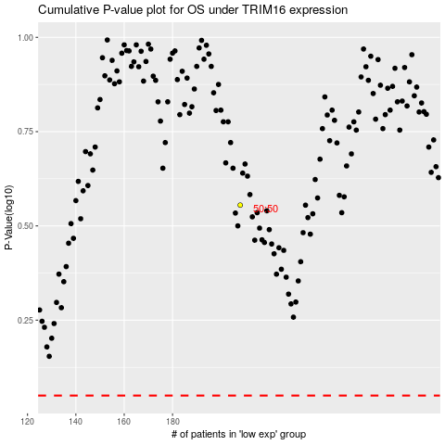

 |  |  |  |  |  | cases_OS | p_OS | rank | exp
 |  |  |  |  |  |  | cases_RFS | p_RFS | rank | exp

