TRIM21 _multivariate
Reported by Tex Li-Hsing Chi. tex@gate.sinica.edu.tw 2019-08-15

Table 2. The clinicopathological features of HNSCC cohort and TRIM21 expression. (Chi square test)
Cutoff at -0.224 (50.0%)
 |  | TRIM21 expression |  | TRIM21 expression |  | (Optimised)
 | Features | Low | (%) | High | (%) | Case no | P-value | Remark | Matthews
Gender | Female | 168 | 40.5 | 138 | 33.3 | 415 | 9e-04 | 1 | 0
2 | Male | 39 | 9.4 | 70 | 16.9
Age at diagnosis | <=65y | 147 | 35.4 | 127 | 30.6 | 415 | 0.0416 | 1 | 0
4 | >65y | 60 | 14.5 | 81 | 19.5
Clinical T Status | T1+T2 | 66 | 15.9 | 83 | 20 | 415 | 0.1095 | 0 | 0
6 | T3+T4 | 141 | 34 | 125 | 30.1
Clinical N Status | N0 | 107 | 25.8 | 109 | 26.3 | 415 | 0.9624 | 0 | 0
8 | N1-3 | 100 | 24.1 | 99 | 23.9
Clinical M Status | M0 | 207 | 49.9 | 205 | 49.4 | 415 | 0.2482 | 0 | 0
10 | M1 | 0 | 0 | 3 | 0.7
Clinical Stage | Stage I+II | 41 | 9.9 | 61 | 14.7 | 415 | 0.0325 | 1 | 0
12 | Stage III+IV | 166 | 40 | 147 | 35.4
Surgical Margin status | Negative | 158 | 38.1 | 160 | 38.6 | 415 | 0.9081 | 0 | 0
14 | Positive | 49 | 11.8 | 48 | 11.6
Tobacco Exposure | Low | 57 | 13.7 | 104 | 25.1 | 415 | 0 | 1 | 0
16 | High | 150 | 36.1 | 104 | 25.1

Table 3. Univariate/Multivariate Cox's proportional hazards regression analyses on OS time of TRIM21 gene expression in HNSCC

 |  | Univariate |  |  |  | Multivariate
 | Features | HR | CI95%(L) | CI95%(H) | P-value | HR | CI95%(L) | CI95%(H) | P-value
1 | Female | 1 |  |  |  | 1
Gender | Male | 1.157 | 0.843 | 1.587 | 0.367 | 1.182 | 0.844 | 1.655 | 0.33
11 | <=65y | 1 |  |  |  | 1
Age at diagnosis | >65y | 1.329 | 0.99 | 1.784 | 0.058 | 1.376 | 1.011 | 1.872 | 0.042
12 | T1+T2 | 1 |  |  |  | 1
Clinical T Status | T3+T4 | 1.409 | 1.028 | 1.931 | 0.033 | 2.167 | 1.145 | 4.101 | 0.018
13 | N0 | 1 |  |  |  | 1
Clinical N Status | N1-3 | 1.185 | 0.89 | 1.577 | 0.246 | 1.223 | 0.857 | 1.747 | 0.268
14 | M0 | 1 |  |  |  | 1
Clinical M Status | M1 | 4.097 | 1.009 | 16.644 | 0.049 | 8.548 | 1.844 | 39.627 | 0.006
15 | Stage I+II | 1 |  |  |  | 1
Clinical Stage | Stage III+IV | 1.245 | 0.882 | 1.759 | 0.213 | 0.528 | 0.245 | 1.141 | 0.104
16 | Negative | 1 |  |  |  | 1
Surgical Margin status | Positive | 1.591 | 1.155 | 2.191 | 0.004 | 1.653 | 1.195 | 2.285 | 0.002
17 | Low | 1 |  |  |  | 1
Tobacco Exposure | High | 1.364 | 1.008 | 1.844 | 0.044 | 1.515 | 1.087 | 2.111 | 0.014
18 | Low | 1 |  |  |  | 1
RNAseq(z-score) | High | 1.145 | 0.859 | 1.526 | 0.356 | 1.168 | 0.856 | 1.594 | 0.328

Table 4. Univariate/Multivariate Cox's proportional hazards regression analyses on RFS time of TRIM21 gene expression in HNSCC

 |  | Univariate |  |  |  | Multivariate
 | Features | HR | CI95%(L) | CI95%(H) | P-value | HR | CI95%(L) | CI95%(H) | P-value
1 | Female | 1 |  |  |  | 1
Gender | Male | 1.157 | 0.843 | 1.587 | 0.367 | 1.182 | 0.844 | 1.655 | 0.33
11 | <=65y | 1 |  |  |  | 1
Age at diagnosis | >65y | 1.329 | 0.99 | 1.784 | 0.058 | 1.376 | 1.011 | 1.872 | 0.042
12 | T1+T2 | 1 |  |  |  | 1
Clinical T Status | T3+T4 | 1.409 | 1.028 | 1.931 | 0.033 | 2.167 | 1.145 | 4.101 | 0.018
13 | N0 | 1 |  |  |  | 1
Clinical N Status | N1-3 | 1.185 | 0.89 | 1.577 | 0.246 | 1.223 | 0.857 | 1.747 | 0.268
14 | M0 | 1 |  |  |  | 1
Clinical M Status | M1 | 4.097 | 1.009 | 16.644 | 0.049 | 8.548 | 1.844 | 39.627 | 0.006
15 | Stage I+II | 1 |  |  |  | 1
Clinical Stage | Stage III+IV | 1.245 | 0.882 | 1.759 | 0.213 | 0.528 | 0.245 | 1.141 | 0.104
16 | Negative | 1 |  |  |  | 1
Surgical Margin status | Positive | 1.591 | 1.155 | 2.191 | 0.004 | 1.653 | 1.195 | 2.285 | 0.002
17 | Low | 1 |  |  |  | 1
Tobacco Exposure | High | 1.364 | 1.008 | 1.844 | 0.044 | 1.515 | 1.087 | 2.111 | 0.014
18 | Low | 1 |  |  |  | 1
RNAseq(z-score) | High | 1.145 | 0.859 | 1.526 | 0.356 | 1.168 | 0.856 | 1.594 | 0.328

Kaplan-Meier survival estimate: Cutoff at -0.224 (50.0%)



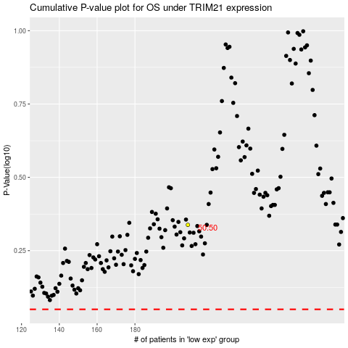

 |  |  |  |  |  | cases_OS | p_OS | rank | exp
 |  |  |  |  |  |  | cases_RFS | p_RFS | rank | exp

