TRIM22 _multivariate
Reported by Tex Li-Hsing Chi. tex@gate.sinica.edu.tw 2019-08-15

Table 2. The clinicopathological features of HNSCC cohort and TRIM22 expression. (Chi square test)
Cutoff at -0.287 (50.0%)
 |  | TRIM22 expression |  | TRIM22 expression |  | (Optimised)
 | Features | Low | (%) | High | (%) | Case no | P-value | Remark | Matthews
Gender | Female | 166 | 40 | 140 | 33.7 | 415 | 0.0041 | 1 | 0
2 | Male | 41 | 9.9 | 68 | 16.4
Age at diagnosis | <=65y | 140 | 33.7 | 134 | 32.3 | 415 | 0.5574 | 0 | 0
4 | >65y | 67 | 16.1 | 74 | 17.8
Clinical T Status | T1+T2 | 64 | 15.4 | 85 | 20.5 | 415 | 0.0445 | 1 | 0
6 | T3+T4 | 143 | 34.5 | 123 | 29.6
Clinical N Status | N0 | 112 | 27 | 104 | 25.1 | 415 | 0.4599 | 0 | 0
8 | N1-3 | 95 | 22.9 | 104 | 25.1
Clinical M Status | M0 | 207 | 49.9 | 205 | 49.4 | 415 | 0.2482 | 0 | 0
10 | M1 | 0 | 0 | 3 | 0.7
Clinical Stage | Stage I+II | 45 | 10.8 | 57 | 13.7 | 415 | 0.2202 | 0 | 0
12 | Stage III+IV | 162 | 39 | 151 | 36.4
Surgical Margin status | Negative | 163 | 39.3 | 155 | 37.3 | 415 | 0.3537 | 0 | 0
14 | Positive | 44 | 10.6 | 53 | 12.8
Tobacco Exposure | Low | 61 | 14.7 | 100 | 24.1 | 415 | 1e-04 | 1 | 0
16 | High | 146 | 35.2 | 108 | 26

Table 3. Univariate/Multivariate Cox's proportional hazards regression analyses on OS time of TRIM22 gene expression in HNSCC

 |  | Univariate |  |  |  | Multivariate
 | Features | HR | CI95%(L) | CI95%(H) | P-value | HR | CI95%(L) | CI95%(H) | P-value
1 | Female | 1 |  |  |  | 1
Gender | Male | 1.157 | 0.843 | 1.587 | 0.367 | 1.206 | 0.862 | 1.688 | 0.275
11 | <=65y | 1 |  |  |  | 1
Age at diagnosis | >65y | 1.329 | 0.99 | 1.784 | 0.058 | 1.392 | 1.024 | 1.893 | 0.035
12 | T1+T2 | 1 |  |  |  | 1
Clinical T Status | T3+T4 | 1.409 | 1.028 | 1.931 | 0.033 | 2.197 | 1.161 | 4.155 | 0.016
13 | N0 | 1 |  |  |  | 1
Clinical N Status | N1-3 | 1.185 | 0.89 | 1.577 | 0.246 | 1.244 | 0.871 | 1.777 | 0.23
14 | M0 | 1 |  |  |  | 1
Clinical M Status | M1 | 4.097 | 1.009 | 16.644 | 0.049 | 9.54 | 2.068 | 44.003 | 0.004
15 | Stage I+II | 1 |  |  |  | 1
Clinical Stage | Stage III+IV | 1.245 | 0.882 | 1.759 | 0.213 | 0.504 | 0.235 | 1.081 | 0.078
16 | Negative | 1 |  |  |  | 1
Surgical Margin status | Positive | 1.591 | 1.155 | 2.191 | 0.004 | 1.678 | 1.212 | 2.323 | 0.002
17 | Low | 1 |  |  |  | 1
Tobacco Exposure | High | 1.364 | 1.008 | 1.844 | 0.044 | 1.443 | 1.041 | 2.002 | 0.028
18 | Low | 1 |  |  |  | 1
RNAseq(z-score) | High | 0.984 | 0.737 | 1.314 | 0.913 | 0.969 | 0.713 | 1.316 | 0.84

Table 4. Univariate/Multivariate Cox's proportional hazards regression analyses on RFS time of TRIM22 gene expression in HNSCC

 |  | Univariate |  |  |  | Multivariate
 | Features | HR | CI95%(L) | CI95%(H) | P-value | HR | CI95%(L) | CI95%(H) | P-value
1 | Female | 1 |  |  |  | 1
Gender | Male | 1.157 | 0.843 | 1.587 | 0.367 | 1.206 | 0.862 | 1.688 | 0.275
11 | <=65y | 1 |  |  |  | 1
Age at diagnosis | >65y | 1.329 | 0.99 | 1.784 | 0.058 | 1.392 | 1.024 | 1.893 | 0.035
12 | T1+T2 | 1 |  |  |  | 1
Clinical T Status | T3+T4 | 1.409 | 1.028 | 1.931 | 0.033 | 2.197 | 1.161 | 4.155 | 0.016
13 | N0 | 1 |  |  |  | 1
Clinical N Status | N1-3 | 1.185 | 0.89 | 1.577 | 0.246 | 1.244 | 0.871 | 1.777 | 0.23
14 | M0 | 1 |  |  |  | 1
Clinical M Status | M1 | 4.097 | 1.009 | 16.644 | 0.049 | 9.54 | 2.068 | 44.003 | 0.004
15 | Stage I+II | 1 |  |  |  | 1
Clinical Stage | Stage III+IV | 1.245 | 0.882 | 1.759 | 0.213 | 0.504 | 0.235 | 1.081 | 0.078
16 | Negative | 1 |  |  |  | 1
Surgical Margin status | Positive | 1.591 | 1.155 | 2.191 | 0.004 | 1.678 | 1.212 | 2.323 | 0.002
17 | Low | 1 |  |  |  | 1
Tobacco Exposure | High | 1.364 | 1.008 | 1.844 | 0.044 | 1.443 | 1.041 | 2.002 | 0.028
18 | Low | 1 |  |  |  | 1
RNAseq(z-score) | High | 0.984 | 0.737 | 1.314 | 0.913 | 0.969 | 0.713 | 1.316 | 0.84

Kaplan-Meier survival estimate: Cutoff at -0.287 (50.0%)



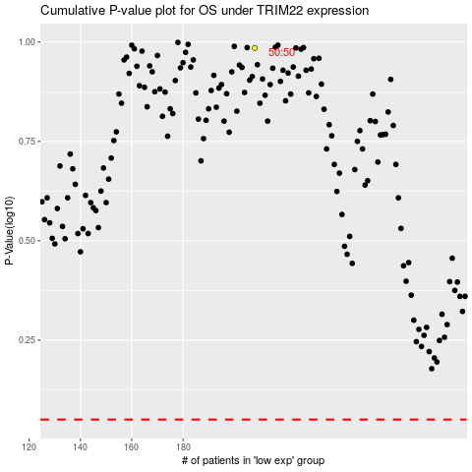

 |  |  |  |  |  | cases_OS | p_OS | rank | exp
 |  |  |  |  |  |  | cases_RFS | p_RFS | rank | exp

