TRIM25 _multivariate
Reported by Tex Li-Hsing Chi. tex@gate.sinica.edu.tw 2019-08-15

Table 2. The clinicopathological features of HNSCC cohort and TRIM25 expression. (Chi square test)
Cutoff at -0.238 (50.0%)
 |  | TRIM25 expression |  | TRIM25 expression |  | (Optimised)
 | Features | Low | (%) | High | (%) | Case no | P-value | Remark | Matthews
Gender | Female | 167 | 40.2 | 139 | 33.5 | 415 | 0.002 | 1 | 0
2 | Male | 40 | 9.6 | 69 | 16.6
Age at diagnosis | <=65y | 136 | 32.8 | 138 | 33.3 | 415 | 0.9719 | 0 | 0
4 | >65y | 71 | 17.1 | 70 | 16.9
Clinical T Status | T1+T2 | 55 | 13.3 | 94 | 22.7 | 415 | 1e-04 | 1 | 0
6 | T3+T4 | 152 | 36.6 | 114 | 27.5
Clinical N Status | N0 | 98 | 23.6 | 118 | 28.4 | 415 | 0.0694 | 0 | 0
8 | N1-3 | 109 | 26.3 | 90 | 21.7
Clinical M Status | M0 | 207 | 49.9 | 205 | 49.4 | 415 | 0.2482 | 0 | 0
10 | M1 | 0 | 0 | 3 | 0.7
Clinical Stage | Stage I+II | 33 | 8 | 69 | 16.6 | 415 | 1e-04 | 1 | 0
12 | Stage III+IV | 174 | 41.9 | 139 | 33.5
Surgical Margin status | Negative | 161 | 38.8 | 157 | 37.8 | 415 | 0.6429 | 0 | 0
14 | Positive | 46 | 11.1 | 51 | 12.3
Tobacco Exposure | Low | 72 | 17.3 | 89 | 21.4 | 415 | 0.1071 | 0 | 0
16 | High | 135 | 32.5 | 119 | 28.7

Table 3. Univariate/Multivariate Cox's proportional hazards regression analyses on OS time of TRIM25 gene expression in HNSCC

 |  | Univariate |  |  |  | Multivariate
 | Features | HR | CI95%(L) | CI95%(H) | P-value | HR | CI95%(L) | CI95%(H) | P-value
1 | Female | 1 |  |  |  | 1
Gender | Male | 1.157 | 0.843 | 1.587 | 0.367 | 1.215 | 0.868 | 1.7 | 0.257
11 | <=65y | 1 |  |  |  | 1
Age at diagnosis | >65y | 1.329 | 0.99 | 1.784 | 0.058 | 1.39 | 1.023 | 1.889 | 0.035
12 | T1+T2 | 1 |  |  |  | 1
Clinical T Status | T3+T4 | 1.409 | 1.028 | 1.931 | 0.033 | 2.187 | 1.156 | 4.135 | 0.016
13 | N0 | 1 |  |  |  | 1
Clinical N Status | N1-3 | 1.185 | 0.89 | 1.577 | 0.246 | 1.238 | 0.867 | 1.766 | 0.24
14 | M0 | 1 |  |  |  | 1
Clinical M Status | M1 | 4.097 | 1.009 | 16.644 | 0.049 | 9.846 | 2.13 | 45.524 | 0.003
15 | Stage I+II | 1 |  |  |  | 1
Clinical Stage | Stage III+IV | 1.245 | 0.882 | 1.759 | 0.213 | 0.498 | 0.232 | 1.071 | 0.074
16 | Negative | 1 |  |  |  | 1
Surgical Margin status | Positive | 1.591 | 1.155 | 2.191 | 0.004 | 1.678 | 1.214 | 2.319 | 0.002
17 | Low | 1 |  |  |  | 1
Tobacco Exposure | High | 1.364 | 1.008 | 1.844 | 0.044 | 1.451 | 1.053 | 1.999 | 0.023
18 | Low | 1 |  |  |  | 1
RNAseq(z-score) | High | 0.919 | 0.69 | 1.224 | 0.563 | 0.918 | 0.682 | 1.237 | 0.575

Table 4. Univariate/Multivariate Cox's proportional hazards regression analyses on RFS time of TRIM25 gene expression in HNSCC

 |  | Univariate |  |  |  | Multivariate
 | Features | HR | CI95%(L) | CI95%(H) | P-value | HR | CI95%(L) | CI95%(H) | P-value
1 | Female | 1 |  |  |  | 1
Gender | Male | 1.157 | 0.843 | 1.587 | 0.367 | 1.215 | 0.868 | 1.7 | 0.257
11 | <=65y | 1 |  |  |  | 1
Age at diagnosis | >65y | 1.329 | 0.99 | 1.784 | 0.058 | 1.39 | 1.023 | 1.889 | 0.035
12 | T1+T2 | 1 |  |  |  | 1
Clinical T Status | T3+T4 | 1.409 | 1.028 | 1.931 | 0.033 | 2.187 | 1.156 | 4.135 | 0.016
13 | N0 | 1 |  |  |  | 1
Clinical N Status | N1-3 | 1.185 | 0.89 | 1.577 | 0.246 | 1.238 | 0.867 | 1.766 | 0.24
14 | M0 | 1 |  |  |  | 1
Clinical M Status | M1 | 4.097 | 1.009 | 16.644 | 0.049 | 9.846 | 2.13 | 45.524 | 0.003
15 | Stage I+II | 1 |  |  |  | 1
Clinical Stage | Stage III+IV | 1.245 | 0.882 | 1.759 | 0.213 | 0.498 | 0.232 | 1.071 | 0.074
16 | Negative | 1 |  |  |  | 1
Surgical Margin status | Positive | 1.591 | 1.155 | 2.191 | 0.004 | 1.678 | 1.214 | 2.319 | 0.002
17 | Low | 1 |  |  |  | 1
Tobacco Exposure | High | 1.364 | 1.008 | 1.844 | 0.044 | 1.451 | 1.053 | 1.999 | 0.023
18 | Low | 1 |  |  |  | 1
RNAseq(z-score) | High | 0.919 | 0.69 | 1.224 | 0.563 | 0.918 | 0.682 | 1.237 | 0.575

Kaplan-Meier survival estimate: Cutoff at -0.238 (50.0%)



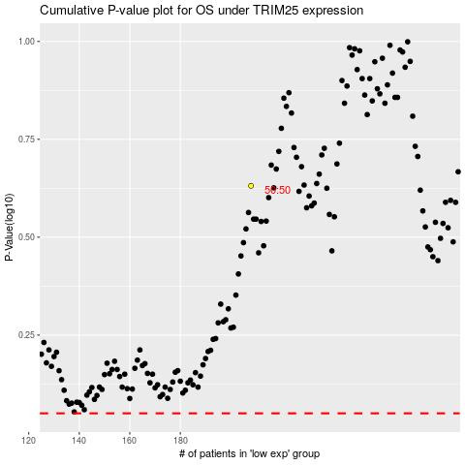

 |  |  |  |  |  | cases_OS | p_OS | rank | exp
 |  |  |  |  |  |  | cases_RFS | p_RFS | rank | exp

