TRIM26 _multivariate
Reported by Tex Li-Hsing Chi. tex@gate.sinica.edu.tw 2019-08-15

Table 2. The clinicopathological features of HNSCC cohort and TRIM26 expression. (Chi square test)
Cutoff at -0.129 (50.0%)
 |  | TRIM26 expression |  | TRIM26 expression |  | (Optimised)
 | Features | Low | (%) | High | (%) | Case no | P-value | Remark | Matthews
Gender | Female | 162 | 39 | 144 | 34.7 | 415 | 0.0479 | 1 | 0
2 | Male | 45 | 10.8 | 64 | 15.4
Age at diagnosis | <=65y | 134 | 32.3 | 140 | 33.7 | 415 | 0.6529 | 0 | 0
4 | >65y | 73 | 17.6 | 68 | 16.4
Clinical T Status | T1+T2 | 59 | 14.2 | 90 | 21.7 | 415 | 0.0024 | 1 | 0
6 | T3+T4 | 148 | 35.7 | 118 | 28.4
Clinical N Status | N0 | 102 | 24.6 | 114 | 27.5 | 415 | 0.3031 | 0 | 0
8 | N1-3 | 105 | 25.3 | 94 | 22.7
Clinical M Status | M0 | 206 | 49.6 | 206 | 49.6 | 415 | 1 | 0 | 0
10 | M1 | 1 | 0.2 | 2 | 0.5
Clinical Stage | Stage I+II | 40 | 9.6 | 62 | 14.9 | 415 | 0.018 | 1 | 0
12 | Stage III+IV | 167 | 40.2 | 146 | 35.2
Surgical Margin status | Negative | 158 | 38.1 | 160 | 38.6 | 415 | 0.9081 | 0 | 0
14 | Positive | 49 | 11.8 | 48 | 11.6
Tobacco Exposure | Low | 61 | 14.7 | 100 | 24.1 | 415 | 1e-04 | 1 | 0
16 | High | 146 | 35.2 | 108 | 26

Table 3. Univariate/Multivariate Cox's proportional hazards regression analyses on OS time of TRIM26 gene expression in HNSCC

 |  | Univariate |  |  |  | Multivariate
 | Features | HR | CI95%(L) | CI95%(H) | P-value | HR | CI95%(L) | CI95%(H) | P-value
1 | Female | 1 |  |  |  | 1
Gender | Male | 1.157 | 0.843 | 1.587 | 0.367 | 1.199 | 0.858 | 1.676 | 0.287
11 | <=65y | 1 |  |  |  | 1
Age at diagnosis | >65y | 1.329 | 0.99 | 1.784 | 0.058 | 1.398 | 1.027 | 1.903 | 0.033
12 | T1+T2 | 1 |  |  |  | 1
Clinical T Status | T3+T4 | 1.409 | 1.028 | 1.931 | 0.033 | 2.221 | 1.172 | 4.21 | 0.014
13 | N0 | 1 |  |  |  | 1
Clinical N Status | N1-3 | 1.185 | 0.89 | 1.577 | 0.246 | 1.244 | 0.872 | 1.776 | 0.229
14 | M0 | 1 |  |  |  | 1
Clinical M Status | M1 | 4.097 | 1.009 | 16.644 | 0.049 | 9.324 | 2.032 | 42.789 | 0.004
15 | Stage I+II | 1 |  |  |  | 1
Clinical Stage | Stage III+IV | 1.245 | 0.882 | 1.759 | 0.213 | 0.504 | 0.235 | 1.083 | 0.079
16 | Negative | 1 |  |  |  | 1
Surgical Margin status | Positive | 1.591 | 1.155 | 2.191 | 0.004 | 1.671 | 1.209 | 2.308 | 0.002
17 | Low | 1 |  |  |  | 1
Tobacco Exposure | High | 1.364 | 1.008 | 1.844 | 0.044 | 1.464 | 1.058 | 2.025 | 0.021
18 | Low | 1 |  |  |  | 1
RNAseq(z-score) | High | 0.942 | 0.707 | 1.255 | 0.683 | 1.046 | 0.776 | 1.412 | 0.767

Table 4. Univariate/Multivariate Cox's proportional hazards regression analyses on RFS time of TRIM26 gene expression in HNSCC

 |  | Univariate |  |  |  | Multivariate
 | Features | HR | CI95%(L) | CI95%(H) | P-value | HR | CI95%(L) | CI95%(H) | P-value
1 | Female | 1 |  |  |  | 1
Gender | Male | 1.157 | 0.843 | 1.587 | 0.367 | 1.199 | 0.858 | 1.676 | 0.287
11 | <=65y | 1 |  |  |  | 1
Age at diagnosis | >65y | 1.329 | 0.99 | 1.784 | 0.058 | 1.398 | 1.027 | 1.903 | 0.033
12 | T1+T2 | 1 |  |  |  | 1
Clinical T Status | T3+T4 | 1.409 | 1.028 | 1.931 | 0.033 | 2.221 | 1.172 | 4.21 | 0.014
13 | N0 | 1 |  |  |  | 1
Clinical N Status | N1-3 | 1.185 | 0.89 | 1.577 | 0.246 | 1.244 | 0.872 | 1.776 | 0.229
14 | M0 | 1 |  |  |  | 1
Clinical M Status | M1 | 4.097 | 1.009 | 16.644 | 0.049 | 9.324 | 2.032 | 42.789 | 0.004
15 | Stage I+II | 1 |  |  |  | 1
Clinical Stage | Stage III+IV | 1.245 | 0.882 | 1.759 | 0.213 | 0.504 | 0.235 | 1.083 | 0.079
16 | Negative | 1 |  |  |  | 1
Surgical Margin status | Positive | 1.591 | 1.155 | 2.191 | 0.004 | 1.671 | 1.209 | 2.308 | 0.002
17 | Low | 1 |  |  |  | 1
Tobacco Exposure | High | 1.364 | 1.008 | 1.844 | 0.044 | 1.464 | 1.058 | 2.025 | 0.021
18 | Low | 1 |  |  |  | 1
RNAseq(z-score) | High | 0.942 | 0.707 | 1.255 | 0.683 | 1.046 | 0.776 | 1.412 | 0.767

Kaplan-Meier survival estimate: Cutoff at -0.129 (50.0%)



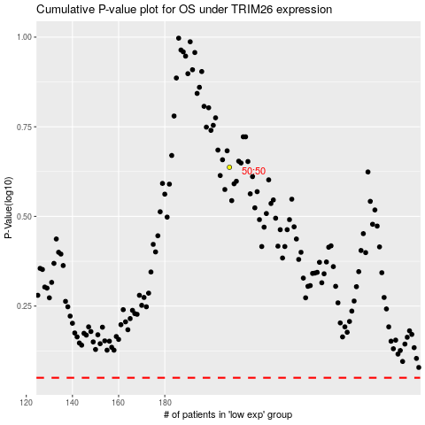

 |  |  |  |  |  | cases_OS | p_OS | rank | exp
 |  |  |  |  |  |  | cases_RFS | p_RFS | rank | exp

