TRIM34 _multivariate
Reported by Tex Li-Hsing Chi. tex@gate.sinica.edu.tw 2019-08-15

Table 2. The clinicopathological features of HNSCC cohort and TRIM34 expression. (Chi square test)
Cutoff at -0.522 (34.3%)
 |  | TRIM34 expression |  | TRIM34 expression |  | (Optimised)
 | Features | Low | (%) | High | (%) | Case no | P-value | Remark | Matthews
Gender | Female | 117 | 28.2 | 189 | 45.5 | 415 | 0.0055 | 1 | 0
2 | Male | 25 | 6 | 84 | 20.2
Age at diagnosis | <=65y | 94 | 22.7 | 180 | 43.4 | 415 | 1 | 0 | 0
4 | >65y | 48 | 11.6 | 93 | 22.4
Clinical T Status | T1+T2 | 46 | 11.1 | 103 | 24.8 | 415 | 0.3336 | 0 | 0
6 | T3+T4 | 96 | 23.1 | 170 | 41
Clinical N Status | N0 | 71 | 17.1 | 145 | 34.9 | 415 | 0.6179 | 0 | 0
8 | N1-3 | 71 | 17.1 | 128 | 30.8
Clinical M Status | M0 | 141 | 34 | 271 | 65.3 | 415 | 1 | 0 | 0
10 | M1 | 1 | 0.2 | 2 | 0.5
Clinical Stage | Stage I+II | 29 | 7 | 73 | 17.6 | 415 | 0.1943 | 0 | 0
12 | Stage III+IV | 113 | 27.2 | 200 | 48.2
Surgical Margin status | Negative | 109 | 26.3 | 209 | 50.4 | 415 | 1 | 0 | 0
14 | Positive | 33 | 8 | 64 | 15.4
Tobacco Exposure | Low | 33 | 8 | 128 | 30.8 | 415 | 0 | 1 | 0
16 | High | 109 | 26.3 | 145 | 34.9

Table 3. Univariate/Multivariate Cox's proportional hazards regression analyses on OS time of TRIM34 gene expression in HNSCC

 |  | Univariate |  |  |  | Multivariate
 | Features | HR | CI95%(L) | CI95%(H) | P-value | HR | CI95%(L) | CI95%(H) | P-value
1 | Female | 1 |  |  |  | 1
Gender | Male | 1.157 | 0.843 | 1.587 | 0.367 | 1.146 | 0.82 | 1.601 | 0.425
11 | <=65y | 1 |  |  |  | 1
Age at diagnosis | >65y | 1.329 | 0.99 | 1.784 | 0.058 | 1.429 | 1.05 | 1.944 | 0.023
12 | T1+T2 | 1 |  |  |  | 1
Clinical T Status | T3+T4 | 1.409 | 1.028 | 1.931 | 0.033 | 2.221 | 1.174 | 4.202 | 0.014
13 | N0 | 1 |  |  |  | 1
Clinical N Status | N1-3 | 1.185 | 0.89 | 1.577 | 0.246 | 1.279 | 0.896 | 1.825 | 0.176
14 | M0 | 1 |  |  |  | 1
Clinical M Status | M1 | 4.097 | 1.009 | 16.644 | 0.049 | 8.752 | 1.905 | 40.21 | 0.005
15 | Stage I+II | 1 |  |  |  | 1
Clinical Stage | Stage III+IV | 1.245 | 0.882 | 1.759 | 0.213 | 0.507 | 0.236 | 1.091 | 0.082
16 | Negative | 1 |  |  |  | 1
Surgical Margin status | Positive | 1.591 | 1.155 | 2.191 | 0.004 | 1.611 | 1.164 | 2.229 | 0.004
17 | Low | 1 |  |  |  | 1
Tobacco Exposure | High | 1.364 | 1.008 | 1.844 | 0.044 | 1.552 | 1.122 | 2.145 | 0.008
18 | Low | 1 |  |  |  | 1
RNAseq(z-score) | High | 1.427 | 1.038 | 1.962 | 0.029 | 1.504 | 1.083 | 2.089 | 0.015

Table 4. Univariate/Multivariate Cox's proportional hazards regression analyses on RFS time of TRIM34 gene expression in HNSCC

 |  | Univariate |  |  |  | Multivariate
 | Features | HR | CI95%(L) | CI95%(H) | P-value | HR | CI95%(L) | CI95%(H) | P-value
1 | Female | 1 |  |  |  | 1
Gender | Male | 1.157 | 0.843 | 1.587 | 0.367 | 1.146 | 0.82 | 1.601 | 0.425
11 | <=65y | 1 |  |  |  | 1
Age at diagnosis | >65y | 1.329 | 0.99 | 1.784 | 0.058 | 1.429 | 1.05 | 1.944 | 0.023
12 | T1+T2 | 1 |  |  |  | 1
Clinical T Status | T3+T4 | 1.409 | 1.028 | 1.931 | 0.033 | 2.221 | 1.174 | 4.202 | 0.014
13 | N0 | 1 |  |  |  | 1
Clinical N Status | N1-3 | 1.185 | 0.89 | 1.577 | 0.246 | 1.279 | 0.896 | 1.825 | 0.176
14 | M0 | 1 |  |  |  | 1
Clinical M Status | M1 | 4.097 | 1.009 | 16.644 | 0.049 | 8.752 | 1.905 | 40.21 | 0.005
15 | Stage I+II | 1 |  |  |  | 1
Clinical Stage | Stage III+IV | 1.245 | 0.882 | 1.759 | 0.213 | 0.507 | 0.236 | 1.091 | 0.082
16 | Negative | 1 |  |  |  | 1
Surgical Margin status | Positive | 1.591 | 1.155 | 2.191 | 0.004 | 1.611 | 1.164 | 2.229 | 0.004
17 | Low | 1 |  |  |  | 1
Tobacco Exposure | High | 1.364 | 1.008 | 1.844 | 0.044 | 1.552 | 1.122 | 2.145 | 0.008
18 | Low | 1 |  |  |  | 1
RNAseq(z-score) | High | 1.427 | 1.038 | 1.962 | 0.029 | 1.504 | 1.083 | 2.089 | 0.015

Kaplan-Meier survival estimate: Cutoff at -0.522 (34.3%)



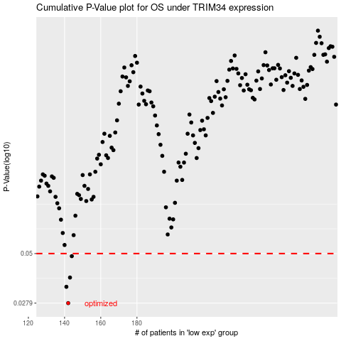

 |  |  |  |  |  | cases_OS | p_OS | rank | exp
 |  |  |  |  |  | 142 | 0.0279 | 372 | -0.52236960781
 |  |  |  |  |  | 141 | 0.0338 | 164 | -0.5257777116
 |  |  |  |  |  | 143 | 0.0377 | 92 | -0.52156807425
 |  |  |  |  |  | 144 | 0.0485 | 163 | -0.51824245016
 |  |  |  |  |  |  | cases_RFS | p_RFS | rank | exp
 |  |  |  |  |  |  | 141 | 0.0279 | 164 | -0.5257777116
 |  |  |  |  |  |  | 140 | 0.0338 | 230 | -0.52600294465
 |  |  |  |  |  |  | 142 | 0.0377 | 372 | -0.52236960781
 |  |  |  |  |  |  | 143 | 0.0485 | 92 | -0.52156807425

