TRIM36 _multivariate
Reported by Tex Li-Hsing Chi. tex@gate.sinica.edu.tw 2019-08-15

Table 2. The clinicopathological features of HNSCC cohort and TRIM36 expression. (Chi square test)
Cutoff at -0.265 (49.8%)
 |  | TRIM36 expression |  | TRIM36 expression |  | (Optimised)
 | Features | Low | (%) | High | (%) | Case no | P-value | Remark | Matthews
Gender | Female | 167 | 40.2 | 139 | 33.5 | 415 | 0.002 | 1 | 0
2 | Male | 40 | 9.6 | 69 | 16.6
Age at diagnosis | <=65y | 134 | 32.3 | 140 | 33.7 | 415 | 0.6529 | 0 | 0
4 | >65y | 73 | 17.6 | 68 | 16.4
Clinical T Status | T1+T2 | 74 | 17.8 | 75 | 18.1 | 415 | 1 | 0 | 0
6 | T3+T4 | 133 | 32 | 133 | 32
Clinical N Status | N0 | 98 | 23.6 | 118 | 28.4 | 415 | 0.0694 | 0 | 0
8 | N1-3 | 109 | 26.3 | 90 | 21.7
Clinical M Status | M0 | 205 | 49.4 | 207 | 49.9 | 415 | 0.6232 | 0 | 0
10 | M1 | 2 | 0.5 | 1 | 0.2
Clinical Stage | Stage I+II | 44 | 10.6 | 58 | 14 | 415 | 0.1459 | 0 | 0
12 | Stage III+IV | 163 | 39.3 | 150 | 36.1
Surgical Margin status | Negative | 156 | 37.6 | 162 | 39 | 415 | 0.5636 | 0 | 0
14 | Positive | 51 | 12.3 | 46 | 11.1
Tobacco Exposure | Low | 74 | 17.8 | 87 | 21 | 415 | 0.227 | 0 | 0
16 | High | 133 | 32 | 121 | 29.2

Table 3. Univariate/Multivariate Cox's proportional hazards regression analyses on OS time of TRIM36 gene expression in HNSCC

 |  | Univariate |  |  |  | Multivariate
 | Features | HR | CI95%(L) | CI95%(H) | P-value | HR | CI95%(L) | CI95%(H) | P-value
1 | Female | 1 |  |  |  | 1
Gender | Male | 1.157 | 0.843 | 1.587 | 0.367 | 1.16 | 0.825 | 1.633 | 0.393
11 | <=65y | 1 |  |  |  | 1
Age at diagnosis | >65y | 1.329 | 0.99 | 1.784 | 0.058 | 1.411 | 1.036 | 1.92 | 0.029
12 | T1+T2 | 1 |  |  |  | 1
Clinical T Status | T3+T4 | 1.409 | 1.028 | 1.931 | 0.033 | 2.173 | 1.15 | 4.109 | 0.017
13 | N0 | 1 |  |  |  | 1
Clinical N Status | N1-3 | 1.185 | 0.89 | 1.577 | 0.246 | 1.263 | 0.884 | 1.805 | 0.2
14 | M0 | 1 |  |  |  | 1
Clinical M Status | M1 | 4.097 | 1.009 | 16.644 | 0.049 | 9.302 | 2.03 | 42.635 | 0.004
15 | Stage I+II | 1 |  |  |  | 1
Clinical Stage | Stage III+IV | 1.245 | 0.882 | 1.759 | 0.213 | 0.513 | 0.239 | 1.102 | 0.087
16 | Negative | 1 |  |  |  | 1
Surgical Margin status | Positive | 1.591 | 1.155 | 2.191 | 0.004 | 1.662 | 1.203 | 2.296 | 0.002
17 | Low | 1 |  |  |  | 1
Tobacco Exposure | High | 1.364 | 1.008 | 1.844 | 0.044 | 1.465 | 1.062 | 2.019 | 0.02
18 | Low | 1 |  |  |  | 1
RNAseq(z-score) | High | 1.139 | 0.854 | 1.519 | 0.375 | 1.158 | 0.858 | 1.562 | 0.337

Table 4. Univariate/Multivariate Cox's proportional hazards regression analyses on RFS time of TRIM36 gene expression in HNSCC

 |  | Univariate |  |  |  | Multivariate
 | Features | HR | CI95%(L) | CI95%(H) | P-value | HR | CI95%(L) | CI95%(H) | P-value
1 | Female | 1 |  |  |  | 1
Gender | Male | 1.157 | 0.843 | 1.587 | 0.367 | 1.16 | 0.825 | 1.633 | 0.393
11 | <=65y | 1 |  |  |  | 1
Age at diagnosis | >65y | 1.329 | 0.99 | 1.784 | 0.058 | 1.411 | 1.036 | 1.92 | 0.029
12 | T1+T2 | 1 |  |  |  | 1
Clinical T Status | T3+T4 | 1.409 | 1.028 | 1.931 | 0.033 | 2.173 | 1.15 | 4.109 | 0.017
13 | N0 | 1 |  |  |  | 1
Clinical N Status | N1-3 | 1.185 | 0.89 | 1.577 | 0.246 | 1.263 | 0.884 | 1.805 | 0.2
14 | M0 | 1 |  |  |  | 1
Clinical M Status | M1 | 4.097 | 1.009 | 16.644 | 0.049 | 9.302 | 2.03 | 42.635 | 0.004
15 | Stage I+II | 1 |  |  |  | 1
Clinical Stage | Stage III+IV | 1.245 | 0.882 | 1.759 | 0.213 | 0.513 | 0.239 | 1.102 | 0.087
16 | Negative | 1 |  |  |  | 1
Surgical Margin status | Positive | 1.591 | 1.155 | 2.191 | 0.004 | 1.662 | 1.203 | 2.296 | 0.002
17 | Low | 1 |  |  |  | 1
Tobacco Exposure | High | 1.364 | 1.008 | 1.844 | 0.044 | 1.465 | 1.062 | 2.019 | 0.02
18 | Low | 1 |  |  |  | 1
RNAseq(z-score) | High | 1.139 | 0.854 | 1.519 | 0.375 | 1.158 | 0.858 | 1.562 | 0.337

Kaplan-Meier survival estimate: Cutoff at -0.265 (49.8%)



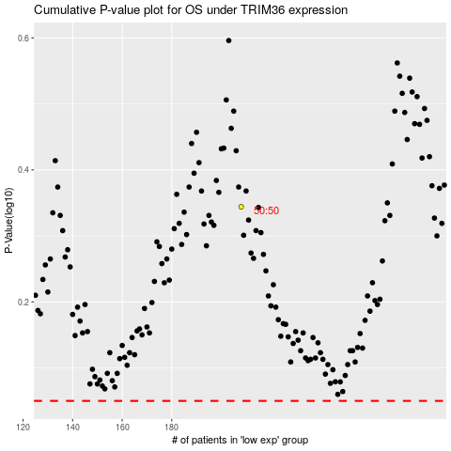

 |  |  |  |  |  | cases_OS | p_OS | rank | exp
 |  |  |  |  |  |  | cases_RFS | p_RFS | rank | exp

