TRIM37 _multivariate
Reported by Tex Li-Hsing Chi. tex@gate.sinica.edu.tw 2019-08-15

Table 2. The clinicopathological features of HNSCC cohort and TRIM37 expression. (Chi square test)
Cutoff at -0.077 (49.8%)
 |  | TRIM37 expression |  | TRIM37 expression |  | (Optimised)
 | Features | Low | (%) | High | (%) | Case no | P-value | Remark | Matthews
Gender | Female | 141 | 34 | 165 | 39.8 | 415 | 0.013 | 1 | 0
2 | Male | 66 | 15.9 | 43 | 10.4
Age at diagnosis | <=65y | 135 | 32.5 | 139 | 33.5 | 415 | 0.8084 | 0 | 0
4 | >65y | 72 | 17.3 | 69 | 16.6
Clinical T Status | T1+T2 | 74 | 17.8 | 75 | 18.1 | 415 | 1 | 0 | 0
6 | T3+T4 | 133 | 32 | 133 | 32
Clinical N Status | N0 | 120 | 28.9 | 96 | 23.1 | 415 | 0.0208 | 1 | 0
8 | N1-3 | 87 | 21 | 112 | 27
Clinical M Status | M0 | 204 | 49.2 | 208 | 50.1 | 415 | 0.1232 | 0 | 0
10 | M1 | 3 | 0.7 | 0 | 0
Clinical Stage | Stage I+II | 54 | 13 | 48 | 11.6 | 415 | 0.5498 | 0 | 0
12 | Stage III+IV | 153 | 36.9 | 160 | 38.6
Surgical Margin status | Negative | 162 | 39 | 156 | 37.6 | 415 | 0.4867 | 0 | 0
14 | Positive | 45 | 10.8 | 52 | 12.5
Tobacco Exposure | Low | 96 | 23.1 | 65 | 15.7 | 415 | 0.0018 | 1 | 0
16 | High | 111 | 26.7 | 143 | 34.5

Table 3. Univariate/Multivariate Cox's proportional hazards regression analyses on OS time of TRIM37 gene expression in HNSCC

 |  | Univariate |  |  |  | Multivariate
 | Features | HR | CI95%(L) | CI95%(H) | P-value | HR | CI95%(L) | CI95%(H) | P-value
1 | Female | 1 |  |  |  | 1
Gender | Male | 1.157 | 0.843 | 1.587 | 0.367 | 1.2 | 0.856 | 1.682 | 0.29
11 | <=65y | 1 |  |  |  | 1
Age at diagnosis | >65y | 1.329 | 0.99 | 1.784 | 0.058 | 1.392 | 1.024 | 1.892 | 0.035
12 | T1+T2 | 1 |  |  |  | 1
Clinical T Status | T3+T4 | 1.409 | 1.028 | 1.931 | 0.033 | 2.201 | 1.163 | 4.163 | 0.015
13 | N0 | 1 |  |  |  | 1
Clinical N Status | N1-3 | 1.185 | 0.89 | 1.577 | 0.246 | 1.243 | 0.867 | 1.784 | 0.237
14 | M0 | 1 |  |  |  | 1
Clinical M Status | M1 | 4.097 | 1.009 | 16.644 | 0.049 | 9.341 | 2.007 | 43.486 | 0.004
15 | Stage I+II | 1 |  |  |  | 1
Clinical Stage | Stage III+IV | 1.245 | 0.882 | 1.759 | 0.213 | 0.505 | 0.235 | 1.084 | 0.079
16 | Negative | 1 |  |  |  | 1
Surgical Margin status | Positive | 1.591 | 1.155 | 2.191 | 0.004 | 1.67 | 1.207 | 2.31 | 0.002
17 | Low | 1 |  |  |  | 1
Tobacco Exposure | High | 1.364 | 1.008 | 1.844 | 0.044 | 1.455 | 1.053 | 2.009 | 0.023
18 | Low | 1 |  |  |  | 1
RNAseq(z-score) | High | 0.988 | 0.742 | 1.316 | 0.934 | 0.99 | 0.732 | 1.341 | 0.95

Table 4. Univariate/Multivariate Cox's proportional hazards regression analyses on RFS time of TRIM37 gene expression in HNSCC

 |  | Univariate |  |  |  | Multivariate
 | Features | HR | CI95%(L) | CI95%(H) | P-value | HR | CI95%(L) | CI95%(H) | P-value
1 | Female | 1 |  |  |  | 1
Gender | Male | 1.157 | 0.843 | 1.587 | 0.367 | 1.2 | 0.856 | 1.682 | 0.29
11 | <=65y | 1 |  |  |  | 1
Age at diagnosis | >65y | 1.329 | 0.99 | 1.784 | 0.058 | 1.392 | 1.024 | 1.892 | 0.035
12 | T1+T2 | 1 |  |  |  | 1
Clinical T Status | T3+T4 | 1.409 | 1.028 | 1.931 | 0.033 | 2.201 | 1.163 | 4.163 | 0.015
13 | N0 | 1 |  |  |  | 1
Clinical N Status | N1-3 | 1.185 | 0.89 | 1.577 | 0.246 | 1.243 | 0.867 | 1.784 | 0.237
14 | M0 | 1 |  |  |  | 1
Clinical M Status | M1 | 4.097 | 1.009 | 16.644 | 0.049 | 9.341 | 2.007 | 43.486 | 0.004
15 | Stage I+II | 1 |  |  |  | 1
Clinical Stage | Stage III+IV | 1.245 | 0.882 | 1.759 | 0.213 | 0.505 | 0.235 | 1.084 | 0.079
16 | Negative | 1 |  |  |  | 1
Surgical Margin status | Positive | 1.591 | 1.155 | 2.191 | 0.004 | 1.67 | 1.207 | 2.31 | 0.002
17 | Low | 1 |  |  |  | 1
Tobacco Exposure | High | 1.364 | 1.008 | 1.844 | 0.044 | 1.455 | 1.053 | 2.009 | 0.023
18 | Low | 1 |  |  |  | 1
RNAseq(z-score) | High | 0.988 | 0.742 | 1.316 | 0.934 | 0.99 | 0.732 | 1.341 | 0.95

Kaplan-Meier survival estimate: Cutoff at -0.077 (49.8%)



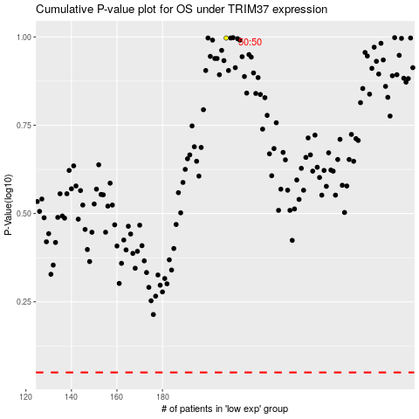

 |  |  |  |  |  | cases_OS | p_OS | rank | exp
 |  |  |  |  |  |  | cases_RFS | p_RFS | rank | exp

