TRIM39 _multivariate
Reported by Tex Li-Hsing Chi. tex@gate.sinica.edu.tw 2019-08-15

Table 2. The clinicopathological features of HNSCC cohort and TRIM39 expression. (Chi square test)
Cutoff at -0.172 (50.0%)
 |  | TRIM39 expression |  | TRIM39 expression |  | (Optimised)
 | Features | Low | (%) | High | (%) | Case no | P-value | Remark | Matthews
Gender | Female | 147 | 35.4 | 159 | 38.3 | 415 | 0.2523 | 0 | 0
2 | Male | 60 | 14.5 | 49 | 11.8
Age at diagnosis | <=65y | 127 | 30.6 | 147 | 35.4 | 415 | 0.0573 | 0 | 0
4 | >65y | 80 | 19.3 | 61 | 14.7
Clinical T Status | T1+T2 | 71 | 17.1 | 78 | 18.8 | 415 | 0.5638 | 0 | 0
6 | T3+T4 | 136 | 32.8 | 130 | 31.3
Clinical N Status | N0 | 105 | 25.3 | 111 | 26.7 | 415 | 0.6598 | 0 | 0
8 | N1-3 | 102 | 24.6 | 97 | 23.4
Clinical M Status | M0 | 206 | 49.6 | 206 | 49.6 | 415 | 1 | 0 | 0
10 | M1 | 1 | 0.2 | 2 | 0.5
Clinical Stage | Stage I+II | 49 | 11.8 | 53 | 12.8 | 415 | 0.7535 | 0 | 0
12 | Stage III+IV | 158 | 38.1 | 155 | 37.3
Surgical Margin status | Negative | 155 | 37.3 | 163 | 39.3 | 415 | 0.4187 | 0 | 0
14 | Positive | 52 | 12.5 | 45 | 10.8
Tobacco Exposure | Low | 86 | 20.7 | 75 | 18.1 | 415 | 0.2687 | 0 | 0
16 | High | 121 | 29.2 | 133 | 32

Table 3. Univariate/Multivariate Cox's proportional hazards regression analyses on OS time of TRIM39 gene expression in HNSCC

 |  | Univariate |  |  |  | Multivariate
 | Features | HR | CI95%(L) | CI95%(H) | P-value | HR | CI95%(L) | CI95%(H) | P-value
1 | Female | 1 |  |  |  | 1
Gender | Male | 1.157 | 0.843 | 1.587 | 0.367 | 1.187 | 0.85 | 1.659 | 0.314
11 | <=65y | 1 |  |  |  | 1
Age at diagnosis | >65y | 1.329 | 0.99 | 1.784 | 0.058 | 1.381 | 1.016 | 1.876 | 0.039
12 | T1+T2 | 1 |  |  |  | 1
Clinical T Status | T3+T4 | 1.409 | 1.028 | 1.931 | 0.033 | 2.181 | 1.154 | 4.121 | 0.016
13 | N0 | 1 |  |  |  | 1
Clinical N Status | N1-3 | 1.185 | 0.89 | 1.577 | 0.246 | 1.226 | 0.859 | 1.75 | 0.261
14 | M0 | 1 |  |  |  | 1
Clinical M Status | M1 | 4.097 | 1.009 | 16.644 | 0.049 | 9.959 | 2.168 | 45.747 | 0.003
15 | Stage I+II | 1 |  |  |  | 1
Clinical Stage | Stage III+IV | 1.245 | 0.882 | 1.759 | 0.213 | 0.508 | 0.237 | 1.089 | 0.082
16 | Negative | 1 |  |  |  | 1
Surgical Margin status | Positive | 1.591 | 1.155 | 2.191 | 0.004 | 1.669 | 1.208 | 2.306 | 0.002
17 | Low | 1 |  |  |  | 1
Tobacco Exposure | High | 1.364 | 1.008 | 1.844 | 0.044 | 1.471 | 1.067 | 2.029 | 0.018
18 | Low | 1 |  |  |  | 1
RNAseq(z-score) | High | 0.805 | 0.603 | 1.074 | 0.14 | 0.815 | 0.609 | 1.091 | 0.169

Table 4. Univariate/Multivariate Cox's proportional hazards regression analyses on RFS time of TRIM39 gene expression in HNSCC

 |  | Univariate |  |  |  | Multivariate
 | Features | HR | CI95%(L) | CI95%(H) | P-value | HR | CI95%(L) | CI95%(H) | P-value
1 | Female | 1 |  |  |  | 1
Gender | Male | 1.157 | 0.843 | 1.587 | 0.367 | 1.187 | 0.85 | 1.659 | 0.314
11 | <=65y | 1 |  |  |  | 1
Age at diagnosis | >65y | 1.329 | 0.99 | 1.784 | 0.058 | 1.381 | 1.016 | 1.876 | 0.039
12 | T1+T2 | 1 |  |  |  | 1
Clinical T Status | T3+T4 | 1.409 | 1.028 | 1.931 | 0.033 | 2.181 | 1.154 | 4.121 | 0.016
13 | N0 | 1 |  |  |  | 1
Clinical N Status | N1-3 | 1.185 | 0.89 | 1.577 | 0.246 | 1.226 | 0.859 | 1.75 | 0.261
14 | M0 | 1 |  |  |  | 1
Clinical M Status | M1 | 4.097 | 1.009 | 16.644 | 0.049 | 9.959 | 2.168 | 45.747 | 0.003
15 | Stage I+II | 1 |  |  |  | 1
Clinical Stage | Stage III+IV | 1.245 | 0.882 | 1.759 | 0.213 | 0.508 | 0.237 | 1.089 | 0.082
16 | Negative | 1 |  |  |  | 1
Surgical Margin status | Positive | 1.591 | 1.155 | 2.191 | 0.004 | 1.669 | 1.208 | 2.306 | 0.002
17 | Low | 1 |  |  |  | 1
Tobacco Exposure | High | 1.364 | 1.008 | 1.844 | 0.044 | 1.471 | 1.067 | 2.029 | 0.018
18 | Low | 1 |  |  |  | 1
RNAseq(z-score) | High | 0.805 | 0.603 | 1.074 | 0.14 | 0.815 | 0.609 | 1.091 | 0.169

Kaplan-Meier survival estimate: Cutoff at -0.172 (50.0%)



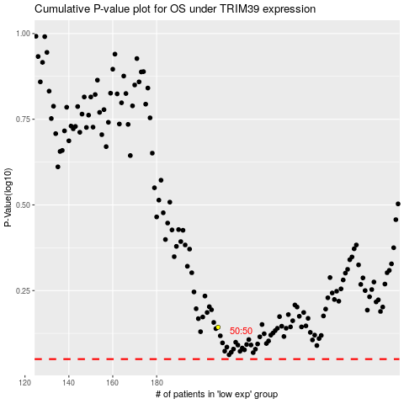

 |  |  |  |  |  | cases_OS | p_OS | rank | exp
 |  |  |  |  |  |  | cases_RFS | p_RFS | rank | exp

