TRIM4 _multivariate
Reported by Tex Li-Hsing Chi. tex@gate.sinica.edu.tw 2019-08-15

Table 2. The clinicopathological features of HNSCC cohort and TRIM4 expression. (Chi square test)
Cutoff at -0.556 (30.0%)
 |  | TRIM4 expression |  | TRIM4 expression |  | (Optimised)
 | Features | Low | (%) | High | (%) | Case no | P-value | Remark | Matthews
Gender | Female | 92 | 22.2 | 214 | 51.6 | 415 | 1 | 0 | 0
2 | Male | 33 | 8 | 76 | 18.3
Age at diagnosis | <=65y | 80 | 19.3 | 194 | 46.7 | 415 | 0.6465 | 0 | 0
4 | >65y | 45 | 10.8 | 96 | 23.1
Clinical T Status | T1+T2 | 43 | 10.4 | 106 | 25.5 | 415 | 0.7583 | 0 | 0
6 | T3+T4 | 82 | 19.8 | 184 | 44.3
Clinical N Status | N0 | 55 | 13.3 | 161 | 38.8 | 415 | 0.0406 | 1 | 0
8 | N1-3 | 70 | 16.9 | 129 | 31.1
Clinical M Status | M0 | 122 | 29.4 | 290 | 69.9 | 415 | 0.0269 | 1 | 0
10 | M1 | 3 | 0.7 | 0 | 0
Clinical Stage | Stage I+II | 23 | 5.5 | 79 | 19 | 415 | 0.0727 | 0 | 0
12 | Stage III+IV | 102 | 24.6 | 211 | 50.8
Surgical Margin status | Negative | 94 | 22.7 | 224 | 54 | 415 | 0.7047 | 0 | 0
14 | Positive | 31 | 7.5 | 66 | 15.9
Tobacco Exposure | Low | 51 | 12.3 | 110 | 26.5 | 415 | 0.585 | 0 | 0
16 | High | 74 | 17.8 | 180 | 43.4

Table 3. Univariate/Multivariate Cox's proportional hazards regression analyses on OS time of TRIM4 gene expression in HNSCC

 |  | Univariate |  |  |  | Multivariate
 | Features | HR | CI95%(L) | CI95%(H) | P-value | HR | CI95%(L) | CI95%(H) | P-value
1 | Female | 1 |  |  |  | 1
Gender | Male | 1.157 | 0.843 | 1.587 | 0.367 | 1.208 | 0.865 | 1.687 | 0.267
11 | <=65y | 1 |  |  |  | 1
Age at diagnosis | >65y | 1.329 | 0.99 | 1.784 | 0.058 | 1.355 | 0.995 | 1.846 | 0.054
12 | T1+T2 | 1 |  |  |  | 1
Clinical T Status | T3+T4 | 1.409 | 1.028 | 1.931 | 0.033 | 2.28 | 1.205 | 4.316 | 0.011
13 | N0 | 1 |  |  |  | 1
Clinical N Status | N1-3 | 1.185 | 0.89 | 1.577 | 0.246 | 1.216 | 0.852 | 1.735 | 0.282
14 | M0 | 1 |  |  |  | 1
Clinical M Status | M1 | 4.097 | 1.009 | 16.644 | 0.049 | 8.183 | 1.77 | 37.826 | 0.007
15 | Stage I+II | 1 |  |  |  | 1
Clinical Stage | Stage III+IV | 1.245 | 0.882 | 1.759 | 0.213 | 0.481 | 0.224 | 1.033 | 0.061
16 | Negative | 1 |  |  |  | 1
Surgical Margin status | Positive | 1.591 | 1.155 | 2.191 | 0.004 | 1.654 | 1.196 | 2.287 | 0.002
17 | Low | 1 |  |  |  | 1
Tobacco Exposure | High | 1.364 | 1.008 | 1.844 | 0.044 | 1.465 | 1.063 | 2.019 | 0.02
18 | Low | 1 |  |  |  | 1
RNAseq(z-score) | High | 0.733 | 0.54 | 0.995 | 0.046 | 0.768 | 0.561 | 1.051 | 0.099

Table 4. Univariate/Multivariate Cox's proportional hazards regression analyses on RFS time of TRIM4 gene expression in HNSCC

 |  | Univariate |  |  |  | Multivariate
 | Features | HR | CI95%(L) | CI95%(H) | P-value | HR | CI95%(L) | CI95%(H) | P-value
1 | Female | 1 |  |  |  | 1
Gender | Male | 1.157 | 0.843 | 1.587 | 0.367 | 1.208 | 0.865 | 1.687 | 0.267
11 | <=65y | 1 |  |  |  | 1
Age at diagnosis | >65y | 1.329 | 0.99 | 1.784 | 0.058 | 1.355 | 0.995 | 1.846 | 0.054
12 | T1+T2 | 1 |  |  |  | 1
Clinical T Status | T3+T4 | 1.409 | 1.028 | 1.931 | 0.033 | 2.28 | 1.205 | 4.316 | 0.011
13 | N0 | 1 |  |  |  | 1
Clinical N Status | N1-3 | 1.185 | 0.89 | 1.577 | 0.246 | 1.216 | 0.852 | 1.735 | 0.282
14 | M0 | 1 |  |  |  | 1
Clinical M Status | M1 | 4.097 | 1.009 | 16.644 | 0.049 | 8.183 | 1.77 | 37.826 | 0.007
15 | Stage I+II | 1 |  |  |  | 1
Clinical Stage | Stage III+IV | 1.245 | 0.882 | 1.759 | 0.213 | 0.481 | 0.224 | 1.033 | 0.061
16 | Negative | 1 |  |  |  | 1
Surgical Margin status | Positive | 1.591 | 1.155 | 2.191 | 0.004 | 1.654 | 1.196 | 2.287 | 0.002
17 | Low | 1 |  |  |  | 1
Tobacco Exposure | High | 1.364 | 1.008 | 1.844 | 0.044 | 1.465 | 1.063 | 2.019 | 0.02
18 | Low | 1 |  |  |  | 1
RNAseq(z-score) | High | 0.733 | 0.54 | 0.995 | 0.046 | 0.768 | 0.561 | 1.051 | 0.099

Kaplan-Meier survival estimate: Cutoff at -0.556 (30.0%)



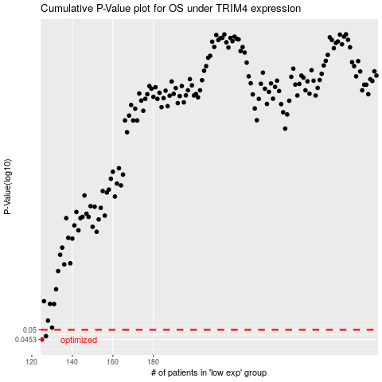

 |  |  |  |  |  | cases_OS | p_OS | rank | exp
 |  |  |  |  |  | 125 | 0.0453 | 362 | -0.55561720267
 |  |  |  |  |  | 127 | 0.0469 | 53 | -0.54614784964
 |  |  |  |  |  |  | cases_RFS | p_RFS | rank | exp
 |  |  |  |  |  |  |  | 0.0453 | 116 | -0.55600705424
 |  |  |  |  |  |  | 126 | 0.0469 | 344 | -0.54980741291

