TRIM41 _multivariate
Reported by Tex Li-Hsing Chi. tex@gate.sinica.edu.tw 2019-08-15

Table 2. The clinicopathological features of HNSCC cohort and TRIM41 expression. (Chi square test)
Cutoff at -0.184 (49.8%)
 |  | TRIM41 expression |  | TRIM41 expression |  | (Optimised)
 | Features | Low | (%) | High | (%) | Case no | P-value | Remark | Matthews
Gender | Female | 149 | 35.9 | 157 | 37.8 | 415 | 0.4848 | 0 | 0
2 | Male | 58 | 14 | 51 | 12.3
Age at diagnosis | <=65y | 136 | 32.8 | 138 | 33.3 | 415 | 0.9719 | 0 | 0
4 | >65y | 71 | 17.1 | 70 | 16.9
Clinical T Status | T1+T2 | 62 | 14.9 | 87 | 21 | 415 | 0.0156 | 1 | 0
6 | T3+T4 | 145 | 34.9 | 121 | 29.2
Clinical N Status | N0 | 107 | 25.8 | 109 | 26.3 | 415 | 0.9624 | 0 | 0
8 | N1-3 | 100 | 24.1 | 99 | 23.9
Clinical M Status | M0 | 207 | 49.9 | 205 | 49.4 | 415 | 0.2482 | 0 | 0
10 | M1 | 0 | 0 | 3 | 0.7
Clinical Stage | Stage I+II | 50 | 12 | 52 | 12.5 | 415 | 0.9315 | 0 | 0
12 | Stage III+IV | 157 | 37.8 | 156 | 37.6
Surgical Margin status | Negative | 166 | 40 | 152 | 36.6 | 415 | 0.1042 | 0 | 0
14 | Positive | 41 | 9.9 | 56 | 13.5
Tobacco Exposure | Low | 68 | 16.4 | 93 | 22.4 | 415 | 0.0156 | 1 | 0
16 | High | 139 | 33.5 | 115 | 27.7

Table 3. Univariate/Multivariate Cox's proportional hazards regression analyses on OS time of TRIM41 gene expression in HNSCC

 |  | Univariate |  |  |  | Multivariate
 | Features | HR | CI95%(L) | CI95%(H) | P-value | HR | CI95%(L) | CI95%(H) | P-value
1 | Female | 1 |  |  |  | 1
Gender | Male | 1.157 | 0.843 | 1.587 | 0.367 | 1.188 | 0.85 | 1.662 | 0.313
11 | <=65y | 1 |  |  |  | 1
Age at diagnosis | >65y | 1.329 | 0.99 | 1.784 | 0.058 | 1.395 | 1.026 | 1.895 | 0.034
12 | T1+T2 | 1 |  |  |  | 1
Clinical T Status | T3+T4 | 1.409 | 1.028 | 1.931 | 0.033 | 2.153 | 1.135 | 4.083 | 0.019
13 | N0 | 1 |  |  |  | 1
Clinical N Status | N1-3 | 1.185 | 0.89 | 1.577 | 0.246 | 1.234 | 0.865 | 1.762 | 0.246
14 | M0 | 1 |  |  |  | 1
Clinical M Status | M1 | 4.097 | 1.009 | 16.644 | 0.049 | 9.788 | 2.126 | 45.063 | 0.003
15 | Stage I+II | 1 |  |  |  | 1
Clinical Stage | Stage III+IV | 1.245 | 0.882 | 1.759 | 0.213 | 0.509 | 0.237 | 1.092 | 0.083
16 | Negative | 1 |  |  |  | 1
Surgical Margin status | Positive | 1.591 | 1.155 | 2.191 | 0.004 | 1.7 | 1.226 | 2.358 | 0.001
17 | Low | 1 |  |  |  | 1
Tobacco Exposure | High | 1.364 | 1.008 | 1.844 | 0.044 | 1.441 | 1.046 | 1.987 | 0.026
18 | Low | 1 |  |  |  | 1
RNAseq(z-score) | High | 0.881 | 0.661 | 1.175 | 0.388 | 0.899 | 0.667 | 1.213 | 0.486

Table 4. Univariate/Multivariate Cox's proportional hazards regression analyses on RFS time of TRIM41 gene expression in HNSCC

 |  | Univariate |  |  |  | Multivariate
 | Features | HR | CI95%(L) | CI95%(H) | P-value | HR | CI95%(L) | CI95%(H) | P-value
1 | Female | 1 |  |  |  | 1
Gender | Male | 1.157 | 0.843 | 1.587 | 0.367 | 1.188 | 0.85 | 1.662 | 0.313
11 | <=65y | 1 |  |  |  | 1
Age at diagnosis | >65y | 1.329 | 0.99 | 1.784 | 0.058 | 1.395 | 1.026 | 1.895 | 0.034
12 | T1+T2 | 1 |  |  |  | 1
Clinical T Status | T3+T4 | 1.409 | 1.028 | 1.931 | 0.033 | 2.153 | 1.135 | 4.083 | 0.019
13 | N0 | 1 |  |  |  | 1
Clinical N Status | N1-3 | 1.185 | 0.89 | 1.577 | 0.246 | 1.234 | 0.865 | 1.762 | 0.246
14 | M0 | 1 |  |  |  | 1
Clinical M Status | M1 | 4.097 | 1.009 | 16.644 | 0.049 | 9.788 | 2.126 | 45.063 | 0.003
15 | Stage I+II | 1 |  |  |  | 1
Clinical Stage | Stage III+IV | 1.245 | 0.882 | 1.759 | 0.213 | 0.509 | 0.237 | 1.092 | 0.083
16 | Negative | 1 |  |  |  | 1
Surgical Margin status | Positive | 1.591 | 1.155 | 2.191 | 0.004 | 1.7 | 1.226 | 2.358 | 0.001
17 | Low | 1 |  |  |  | 1
Tobacco Exposure | High | 1.364 | 1.008 | 1.844 | 0.044 | 1.441 | 1.046 | 1.987 | 0.026
18 | Low | 1 |  |  |  | 1
RNAseq(z-score) | High | 0.881 | 0.661 | 1.175 | 0.388 | 0.899 | 0.667 | 1.213 | 0.486

Kaplan-Meier survival estimate: Cutoff at -0.184 (49.8%)



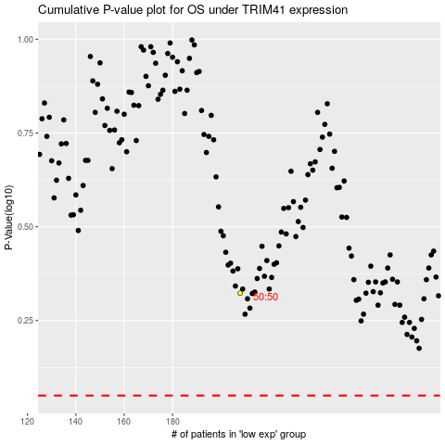

 |  |  |  |  |  | cases_OS | p_OS | rank | exp
 |  |  |  |  |  |  | cases_RFS | p_RFS | rank | exp

