TRIM45 _multivariate
Reported by Tex Li-Hsing Chi. tex@gate.sinica.edu.tw 2019-08-15

Table 2. The clinicopathological features of HNSCC cohort and TRIM45 expression. (Chi square test)
Cutoff at -0.302 (49.8%)
 |  | TRIM45 expression |  | TRIM45 expression |  | (Optimised)
 | Features | Low | (%) | High | (%) | Case no | P-value | Remark | Matthews
Gender | Female | 142 | 34.2 | 164 | 39.5 | 415 | 0.0238 | 1 | 0
2 | Male | 65 | 15.7 | 44 | 10.6
Age at diagnosis | <=65y | 132 | 31.8 | 142 | 34.2 | 415 | 0.3874 | 0 | 0
4 | >65y | 75 | 18.1 | 66 | 15.9
Clinical T Status | T1+T2 | 66 | 15.9 | 83 | 20 | 415 | 0.1095 | 0 | 0
6 | T3+T4 | 141 | 34 | 125 | 30.1
Clinical N Status | N0 | 101 | 24.3 | 115 | 27.7 | 415 | 0.2201 | 0 | 0
8 | N1-3 | 106 | 25.5 | 93 | 22.4
Clinical M Status | M0 | 205 | 49.4 | 207 | 49.9 | 415 | 0.6232 | 0 | 0
10 | M1 | 2 | 0.5 | 1 | 0.2
Clinical Stage | Stage I+II | 48 | 11.6 | 54 | 13 | 415 | 0.5878 | 0 | 0
12 | Stage III+IV | 159 | 38.3 | 154 | 37.1
Surgical Margin status | Negative | 162 | 39 | 156 | 37.6 | 415 | 0.4867 | 0 | 0
14 | Positive | 45 | 10.8 | 52 | 12.5
Tobacco Exposure | Low | 91 | 21.9 | 70 | 16.9 | 415 | 0.0346 | 1 | 0
16 | High | 116 | 28 | 138 | 33.3

Table 3. Univariate/Multivariate Cox's proportional hazards regression analyses on OS time of TRIM45 gene expression in HNSCC

 |  | Univariate |  |  |  | Multivariate
 | Features | HR | CI95%(L) | CI95%(H) | P-value | HR | CI95%(L) | CI95%(H) | P-value
1 | Female | 1 |  |  |  | 1
Gender | Male | 1.157 | 0.843 | 1.587 | 0.367 | 1.21 | 0.864 | 1.695 | 0.268
11 | <=65y | 1 |  |  |  | 1
Age at diagnosis | >65y | 1.329 | 0.99 | 1.784 | 0.058 | 1.389 | 1.022 | 1.889 | 0.036
12 | T1+T2 | 1 |  |  |  | 1
Clinical T Status | T3+T4 | 1.409 | 1.028 | 1.931 | 0.033 | 2.221 | 1.172 | 4.21 | 0.014
13 | N0 | 1 |  |  |  | 1
Clinical N Status | N1-3 | 1.185 | 0.89 | 1.577 | 0.246 | 1.244 | 0.871 | 1.776 | 0.229
14 | M0 | 1 |  |  |  | 1
Clinical M Status | M1 | 4.097 | 1.009 | 16.644 | 0.049 | 9.533 | 2.074 | 43.812 | 0.004
15 | Stage I+II | 1 |  |  |  | 1
Clinical Stage | Stage III+IV | 1.245 | 0.882 | 1.759 | 0.213 | 0.499 | 0.232 | 1.075 | 0.076
16 | Negative | 1 |  |  |  | 1
Surgical Margin status | Positive | 1.591 | 1.155 | 2.191 | 0.004 | 1.671 | 1.209 | 2.309 | 0.002
17 | Low | 1 |  |  |  | 1
Tobacco Exposure | High | 1.364 | 1.008 | 1.844 | 0.044 | 1.442 | 1.043 | 1.994 | 0.027
18 | Low | 1 |  |  |  | 1
RNAseq(z-score) | High | 1.037 | 0.777 | 1.386 | 0.803 | 1.047 | 0.776 | 1.412 | 0.764

Table 4. Univariate/Multivariate Cox's proportional hazards regression analyses on RFS time of TRIM45 gene expression in HNSCC

 |  | Univariate |  |  |  | Multivariate
 | Features | HR | CI95%(L) | CI95%(H) | P-value | HR | CI95%(L) | CI95%(H) | P-value
1 | Female | 1 |  |  |  | 1
Gender | Male | 1.157 | 0.843 | 1.587 | 0.367 | 1.21 | 0.864 | 1.695 | 0.268
11 | <=65y | 1 |  |  |  | 1
Age at diagnosis | >65y | 1.329 | 0.99 | 1.784 | 0.058 | 1.389 | 1.022 | 1.889 | 0.036
12 | T1+T2 | 1 |  |  |  | 1
Clinical T Status | T3+T4 | 1.409 | 1.028 | 1.931 | 0.033 | 2.221 | 1.172 | 4.21 | 0.014
13 | N0 | 1 |  |  |  | 1
Clinical N Status | N1-3 | 1.185 | 0.89 | 1.577 | 0.246 | 1.244 | 0.871 | 1.776 | 0.229
14 | M0 | 1 |  |  |  | 1
Clinical M Status | M1 | 4.097 | 1.009 | 16.644 | 0.049 | 9.533 | 2.074 | 43.812 | 0.004
15 | Stage I+II | 1 |  |  |  | 1
Clinical Stage | Stage III+IV | 1.245 | 0.882 | 1.759 | 0.213 | 0.499 | 0.232 | 1.075 | 0.076
16 | Negative | 1 |  |  |  | 1
Surgical Margin status | Positive | 1.591 | 1.155 | 2.191 | 0.004 | 1.671 | 1.209 | 2.309 | 0.002
17 | Low | 1 |  |  |  | 1
Tobacco Exposure | High | 1.364 | 1.008 | 1.844 | 0.044 | 1.442 | 1.043 | 1.994 | 0.027
18 | Low | 1 |  |  |  | 1
RNAseq(z-score) | High | 1.037 | 0.777 | 1.386 | 0.803 | 1.047 | 0.776 | 1.412 | 0.764

Kaplan-Meier survival estimate: Cutoff at -0.302 (49.8%)



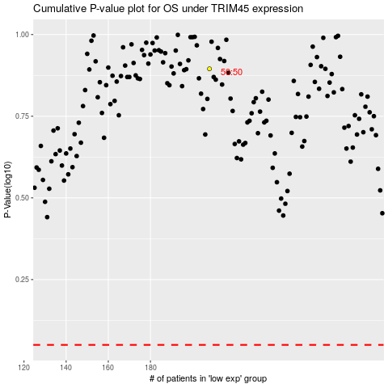

 |  |  |  |  |  | cases_OS | p_OS | rank | exp
 |  |  |  |  |  |  | cases_RFS | p_RFS | rank | exp

