TRIM46 _multivariate
Reported by Tex Li-Hsing Chi. tex@gate.sinica.edu.tw 2019-08-15

Table 2. The clinicopathological features of HNSCC cohort and TRIM46 expression. (Chi square test)
Cutoff at -0.233 (49.8%)
 |  | TRIM46 expression |  | TRIM46 expression |  | (Optimised)
 | Features | Low | (%) | High | (%) | Case no | P-value | Remark | Matthews
Gender | Female | 142 | 34.2 | 164 | 39.5 | 415 | 0.0238 | 1 | 0
2 | Male | 65 | 15.7 | 44 | 10.6
Age at diagnosis | <=65y | 141 | 34 | 133 | 32 | 415 | 0.4272 | 0 | 0
4 | >65y | 66 | 15.9 | 75 | 18.1
Clinical T Status | T1+T2 | 87 | 21 | 62 | 14.9 | 415 | 0.0127 | 1 | 0
6 | T3+T4 | 120 | 28.9 | 146 | 35.2
Clinical N Status | N0 | 116 | 28 | 100 | 24.1 | 415 | 0.1273 | 1 | 0
8 | N1-3 | 91 | 21.9 | 108 | 26
Clinical M Status | M0 | 204 | 49.2 | 208 | 50.1 | 415 | 0.1232 | 0 | 0
10 | M1 | 3 | 0.7 | 0 | 0
Clinical Stage | Stage I+II | 57 | 13.7 | 45 | 10.8 | 415 | 0.1998 | 0 | 0
12 | Stage III+IV | 150 | 36.1 | 163 | 39.3
Surgical Margin status | Negative | 165 | 39.8 | 153 | 36.9 | 415 | 0.1639 | 0 | 0
14 | Positive | 42 | 10.1 | 55 | 13.3
Tobacco Exposure | Low | 90 | 21.7 | 71 | 17.1 | 415 | 0.0559 | 0 | 0
16 | High | 117 | 28.2 | 137 | 33

Table 3. Univariate/Multivariate Cox's proportional hazards regression analyses on OS time of TRIM46 gene expression in HNSCC

 |  | Univariate |  |  |  | Multivariate
 | Features | HR | CI95%(L) | CI95%(H) | P-value | HR | CI95%(L) | CI95%(H) | P-value
1 | Female | 1 |  |  |  | 1
Gender | Male | 1.157 | 0.843 | 1.587 | 0.367 | 1.205 | 0.862 | 1.685 | 0.276
11 | <=65y | 1 |  |  |  | 1
Age at diagnosis | >65y | 1.329 | 0.99 | 1.784 | 0.058 | 1.39 | 1.022 | 1.89 | 0.036
12 | T1+T2 | 1 |  |  |  | 1
Clinical T Status | T3+T4 | 1.409 | 1.028 | 1.931 | 0.033 | 2.182 | 1.147 | 4.151 | 0.017
13 | N0 | 1 |  |  |  | 1
Clinical N Status | N1-3 | 1.185 | 0.89 | 1.577 | 0.246 | 1.236 | 0.865 | 1.767 | 0.244
14 | M0 | 1 |  |  |  | 1
Clinical M Status | M1 | 4.097 | 1.009 | 16.644 | 0.049 | 9.497 | 2.066 | 43.655 | 0.004
15 | Stage I+II | 1 |  |  |  | 1
Clinical Stage | Stage III+IV | 1.245 | 0.882 | 1.759 | 0.213 | 0.509 | 0.236 | 1.1 | 0.086
16 | Negative | 1 |  |  |  | 1
Surgical Margin status | Positive | 1.591 | 1.155 | 2.191 | 0.004 | 1.664 | 1.201 | 2.306 | 0.002
17 | Low | 1 |  |  |  | 1
Tobacco Exposure | High | 1.364 | 1.008 | 1.844 | 0.044 | 1.449 | 1.051 | 1.998 | 0.024
18 | Low | 1 |  |  |  | 1
RNAseq(z-score) | High | 1.157 | 0.867 | 1.544 | 0.322 | 1.032 | 0.766 | 1.39 | 0.838

Table 4. Univariate/Multivariate Cox's proportional hazards regression analyses on RFS time of TRIM46 gene expression in HNSCC

 |  | Univariate |  |  |  | Multivariate
 | Features | HR | CI95%(L) | CI95%(H) | P-value | HR | CI95%(L) | CI95%(H) | P-value
1 | Female | 1 |  |  |  | 1
Gender | Male | 1.157 | 0.843 | 1.587 | 0.367 | 1.205 | 0.862 | 1.685 | 0.276
11 | <=65y | 1 |  |  |  | 1
Age at diagnosis | >65y | 1.329 | 0.99 | 1.784 | 0.058 | 1.39 | 1.022 | 1.89 | 0.036
12 | T1+T2 | 1 |  |  |  | 1
Clinical T Status | T3+T4 | 1.409 | 1.028 | 1.931 | 0.033 | 2.182 | 1.147 | 4.151 | 0.017
13 | N0 | 1 |  |  |  | 1
Clinical N Status | N1-3 | 1.185 | 0.89 | 1.577 | 0.246 | 1.236 | 0.865 | 1.767 | 0.244
14 | M0 | 1 |  |  |  | 1
Clinical M Status | M1 | 4.097 | 1.009 | 16.644 | 0.049 | 9.497 | 2.066 | 43.655 | 0.004
15 | Stage I+II | 1 |  |  |  | 1
Clinical Stage | Stage III+IV | 1.245 | 0.882 | 1.759 | 0.213 | 0.509 | 0.236 | 1.1 | 0.086
16 | Negative | 1 |  |  |  | 1
Surgical Margin status | Positive | 1.591 | 1.155 | 2.191 | 0.004 | 1.664 | 1.201 | 2.306 | 0.002
17 | Low | 1 |  |  |  | 1
Tobacco Exposure | High | 1.364 | 1.008 | 1.844 | 0.044 | 1.449 | 1.051 | 1.998 | 0.024
18 | Low | 1 |  |  |  | 1
RNAseq(z-score) | High | 1.157 | 0.867 | 1.544 | 0.322 | 1.032 | 0.766 | 1.39 | 0.838

Kaplan-Meier survival estimate: Cutoff at -0.233 (49.8%)



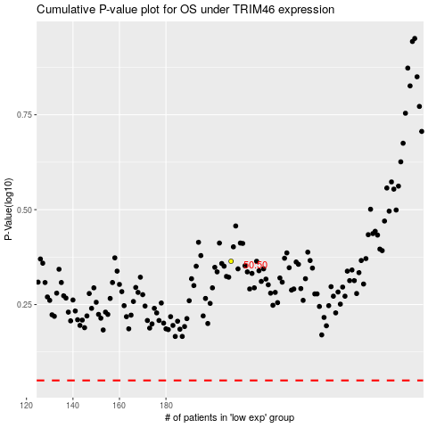

 |  |  |  |  |  | cases_OS | p_OS | rank | exp
 |  |  |  |  |  |  | cases_RFS | p_RFS | rank | exp

