TRIM50 _multivariate
Reported by Tex Li-Hsing Chi. tex@gate.sinica.edu.tw 2019-08-15

Table 2. The clinicopathological features of HNSCC cohort and TRIM50 expression. (Chi square test)
Cutoff at -0.051 (69.6%)
 |  | TRIM50 expression |  | TRIM50 expression |  | (Optimised)
 | Features | Low | (%) | High | (%) | Case no | P-value | Remark | Matthews
Gender | Female | 207 | 49.9 | 99 | 23.9 | 415 | 0.2398 | 0 | 0
2 | Male | 81 | 19.5 | 28 | 6.7
Age at diagnosis | <=65y | 179 | 43.1 | 95 | 22.9 | 415 | 0.0166 | 1 | 0
4 | >65y | 109 | 26.3 | 32 | 7.7
Clinical T Status | T1+T2 | 94 | 22.7 | 55 | 13.3 | 415 | 0.0481 | 1 | 0
6 | T3+T4 | 194 | 46.7 | 72 | 17.3
Clinical N Status | N0 | 142 | 34.2 | 74 | 17.8 | 415 | 0.1147 | 0 | 0
8 | N1-3 | 146 | 35.2 | 53 | 12.8
Clinical M Status | M0 | 285 | 68.7 | 127 | 30.6 | 415 | 0.5562 | 0 | 0
10 | M1 | 3 | 0.7 | 0 | 0
Clinical Stage | Stage I+II | 70 | 16.9 | 32 | 7.7 | 415 | 0.9437 | 0 | 0
12 | Stage III+IV | 218 | 52.5 | 95 | 22.9
Surgical Margin status | Negative | 217 | 52.3 | 101 | 24.3 | 415 | 0.3806 | 0 | 0
14 | Positive | 71 | 17.1 | 26 | 6.3
Tobacco Exposure | Low | 120 | 28.9 | 41 | 9.9 | 415 | 0.0805 | 0 | 0
16 | High | 168 | 40.5 | 86 | 20.7

Table 3. Univariate/Multivariate Cox's proportional hazards regression analyses on OS time of TRIM50 gene expression in HNSCC

 |  | Univariate |  |  |  | Multivariate
 | Features | HR | CI95%(L) | CI95%(H) | P-value | HR | CI95%(L) | CI95%(H) | P-value
1 | Female | 1 |  |  |  | 1
Gender | Male | 1.157 | 0.843 | 1.587 | 0.367 | 1.173 | 0.838 | 1.642 | 0.351
11 | <=65y | 1 |  |  |  | 1
Age at diagnosis | >65y | 1.329 | 0.99 | 1.784 | 0.058 | 1.349 | 0.989 | 1.838 | 0.058
12 | T1+T2 | 1 |  |  |  | 1
Clinical T Status | T3+T4 | 1.409 | 1.028 | 1.931 | 0.033 | 1.917 | 1.004 | 3.66 | 0.049
13 | N0 | 1 |  |  |  | 1
Clinical N Status | N1-3 | 1.185 | 0.89 | 1.577 | 0.246 | 1.182 | 0.827 | 1.689 | 0.359
14 | M0 | 1 |  |  |  | 1
Clinical M Status | M1 | 4.097 | 1.009 | 16.644 | 0.049 | 7.44 | 1.609 | 34.395 | 0.01
15 | Stage I+II | 1 |  |  |  | 1
Clinical Stage | Stage III+IV | 1.245 | 0.882 | 1.759 | 0.213 | 0.599 | 0.276 | 1.299 | 0.194
16 | Negative | 1 |  |  |  | 1
Surgical Margin status | Positive | 1.591 | 1.155 | 2.191 | 0.004 | 1.65 | 1.194 | 2.28 | 0.002
17 | Low | 1 |  |  |  | 1
Tobacco Exposure | High | 1.364 | 1.008 | 1.844 | 0.044 | 1.51 | 1.091 | 2.089 | 0.013
18 | Low | 1 |  |  |  | 1
RNAseq(z-score) | High | 0.593 | 0.422 | 0.832 | 0.003 | 0.639 | 0.451 | 0.906 | 0.012

Table 4. Univariate/Multivariate Cox's proportional hazards regression analyses on RFS time of TRIM50 gene expression in HNSCC

 |  | Univariate |  |  |  | Multivariate
 | Features | HR | CI95%(L) | CI95%(H) | P-value | HR | CI95%(L) | CI95%(H) | P-value
1 | Female | 1 |  |  |  | 1
Gender | Male | 1.157 | 0.843 | 1.587 | 0.367 | 1.173 | 0.838 | 1.642 | 0.351
11 | <=65y | 1 |  |  |  | 1
Age at diagnosis | >65y | 1.329 | 0.99 | 1.784 | 0.058 | 1.349 | 0.989 | 1.838 | 0.058
12 | T1+T2 | 1 |  |  |  | 1
Clinical T Status | T3+T4 | 1.409 | 1.028 | 1.931 | 0.033 | 1.917 | 1.004 | 3.66 | 0.049
13 | N0 | 1 |  |  |  | 1
Clinical N Status | N1-3 | 1.185 | 0.89 | 1.577 | 0.246 | 1.182 | 0.827 | 1.689 | 0.359
14 | M0 | 1 |  |  |  | 1
Clinical M Status | M1 | 4.097 | 1.009 | 16.644 | 0.049 | 7.44 | 1.609 | 34.395 | 0.01
15 | Stage I+II | 1 |  |  |  | 1
Clinical Stage | Stage III+IV | 1.245 | 0.882 | 1.759 | 0.213 | 0.599 | 0.276 | 1.299 | 0.194
16 | Negative | 1 |  |  |  | 1
Surgical Margin status | Positive | 1.591 | 1.155 | 2.191 | 0.004 | 1.65 | 1.194 | 2.28 | 0.002
17 | Low | 1 |  |  |  | 1
Tobacco Exposure | High | 1.364 | 1.008 | 1.844 | 0.044 | 1.51 | 1.091 | 2.089 | 0.013
18 | Low | 1 |  |  |  | 1
RNAseq(z-score) | High | 0.593 | 0.422 | 0.832 | 0.003 | 0.639 | 0.451 | 0.906 | 0.012

Kaplan-Meier survival estimate: Cutoff at -0.051 (69.6%)

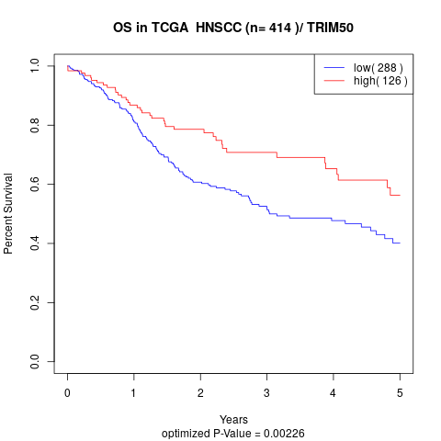

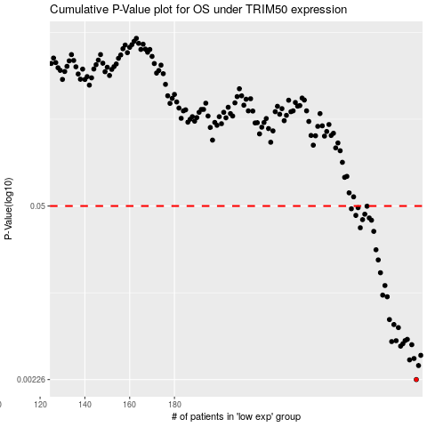

 |  |  |  |  |  | cases_OS | p_OS | rank | exp
 |  |  |  |  |  | 288 | 0.00226 | 160 | -0.050533883515
 |  |  |  |  |  | 289 | 0.0029 | 382 | -0.047216774891
 |  |  |  |  |  | 285 | 0.00321 | 42 | -0.063779598089
 |  |  |  |  |  | 287 | 0.00329 | 361 | -0.056236583957
 |  |  |  |  |  | 290 | 0.00348 | 232 | -0.043945106111
 |  |  |  |  |  | 281 | 0.0041 | 391 | -0.077093472429
 |  |  |  |  |  | 286 | 0.00421 | 251 | -0.061166807049
 |  |  |  |  |  | 282 | 0.00428 | 197 | -0.071549811441
 |  |  |  |  |  | 277 | 0.00445 | 127 | -0.089816628795
 |  |  |  |  |  | 279 | 0.00452 | 168 | -0.083773129521
 |  |  |  |  |  | 283 | 0.00453 | 13 | -0.070095736427
 |  |  |  |  |  | 284 | 0.00463 | 1 | -0.067005827024
 |  |  |  |  |  | 280 | 0.00571 | 185 | -0.082182734975
 |  |  |  |  |  | 278 | 0.00603 | 74 | -0.089725749107
 |  |  |  |  |  | 276 | 0.00659 | 66 | -0.090339187003
 |  |  |  |  |  | 275 | 0.0099 | 213 | -0.092838378432
 |  |  |  |  |  | 273 | 0.0102 | 341 | -0.098677398407
 |  |  |  |  |  | 274 | 0.0121 | 266 | -0.093633575705
 |  |  |  |  |  | 272 | 0.0152 | 285 | -0.10708376958
 |  |  |  |  |  | 271 | 0.0191 | 76 | -0.11158231415
 |  |  |  |  |  | 270 | 0.0229 | 153 | -0.11546742083
 |  |  |  |  |  | 269 | 0.0318 | 229 | -0.11576277981
 |  |  |  |  |  | 263 | 0.0339 | 100 | -0.12905393423
 |  |  |  |  |  | 268 | 0.0388 | 209 | -0.11592181927
 |  |  |  |  |  | 264 | 0.0392 | 352 | -0.12564594592
 |  |  |  |  |  | 267 | 0.0404 | 10 | -0.11937524742
 |  |  |  |  |  | 261 | 0.0423 | 340 | -0.14166349099
 |  |  |  |  |  | 265 | 0.0432 | 91 | -0.12166995955
 |  |  |  |  |  | 259 | 0.0476 | 75 | -0.15272809304
 |  |  |  |  |  | 262 | 0.0485 | 297 | -0.13037168971
 |  |  |  |  |  | 266 | 0.0498 | 248 | -0.11985236579
 |  |  |  |  |  |  | cases_RFS | p_RFS | rank | exp
 |  |  |  |  |  |  | 287 | 0.00226 | 361 | -0.056236583957
 |  |  |  |  |  |  | 288 | 0.0029 | 160 | -0.050533883515
 |  |  |  |  |  |  | 284 | 0.00321 | 1 | -0.067005827024
 |  |  |  |  |  |  | 286 | 0.00329 | 251 | -0.061166807049
 |  |  |  |  |  |  | 289 | 0.00348 | 382 | -0.047216774891
 |  |  |  |  |  |  | 280 | 0.0041 | 185 | -0.082182734975
 |  |  |  |  |  |  | 285 | 0.00421 | 42 | -0.063779598089
 |  |  |  |  |  |  | 281 | 0.00428 | 391 | -0.077093472429
 |  |  |  |  |  |  | 276 | 0.00445 | 66 | -0.090339187003
 |  |  |  |  |  |  | 278 | 0.00452 | 74 | -0.089725749107
 |  |  |  |  |  |  | 282 | 0.00453 | 197 | -0.071549811441
 |  |  |  |  |  |  | 283 | 0.00463 | 13 | -0.070095736427
 |  |  |  |  |  |  | 279 | 0.00571 | 168 | -0.083773129521
 |  |  |  |  |  |  | 277 | 0.00603 | 127 | -0.089816628795
 |  |  |  |  |  |  | 275 | 0.00659 | 213 | -0.092838378432
 |  |  |  |  |  |  | 274 | 0.0099 | 266 | -0.093633575705
 |  |  |  |  |  |  | 272 | 0.0102 | 285 | -0.10708376958
 |  |  |  |  |  |  | 273 | 0.0121 | 341 | -0.098677398407
 |  |  |  |  |  |  | 271 | 0.0152 | 76 | -0.11158231415
 |  |  |  |  |  |  | 270 | 0.0191 | 153 | -0.11546742083
 |  |  |  |  |  |  | 269 | 0.0229 | 229 | -0.11576277981
 |  |  |  |  |  |  | 268 | 0.0318 | 209 | -0.11592181927
 |  |  |  |  |  |  | 262 | 0.0339 | 297 | -0.13037168971
 |  |  |  |  |  |  | 267 | 0.0388 | 10 | -0.11937524742
 |  |  |  |  |  |  | 263 | 0.0392 | 100 | -0.12905393423
 |  |  |  |  |  |  | 266 | 0.0404 | 248 | -0.11985236579
 |  |  |  |  |  |  | 260 | 0.0423 | 124 | -0.14229964881
 |  |  |  |  |  |  | 264 | 0.0432 | 352 | -0.12564594592
 |  |  |  |  |  |  | 258 | 0.0476 | 68 | -0.15395496883
 |  |  |  |  |  |  | 261 | 0.0485 | 340 | -0.14166349099
 |  |  |  |  |  |  | 265 | 0.0498 | 91 | -0.12166995955

