TRIM58 _multivariate
Reported by Tex Li-Hsing Chi. tex@gate.sinica.edu.tw 2019-08-15

Table 2. The clinicopathological features of HNSCC cohort and TRIM58 expression. (Chi square test)
Cutoff at -0.374 (68.4%)
 |  | TRIM58 expression |  | TRIM58 expression |  | (Optimised)
 | Features | Low | (%) | High | (%) | Case no | P-value | Remark | Matthews
Gender | Female | 226 | 54.5 | 80 | 19.3 | 415 | 1e-04 | 1 | 0
2 | Male | 58 | 14 | 51 | 12.3
Age at diagnosis | <=65y | 201 | 48.4 | 73 | 17.6 | 415 | 0.0038 | 1 | 0
4 | >65y | 83 | 20 | 58 | 14
Clinical T Status | T1+T2 | 101 | 24.3 | 48 | 11.6 | 415 | 0.9182 | 0 | 0
6 | T3+T4 | 183 | 44.1 | 83 | 20
Clinical N Status | N0 | 144 | 34.7 | 72 | 17.3 | 415 | 0.4832 | 0 | 0
8 | N1-3 | 140 | 33.7 | 59 | 14.2
Clinical M Status | M0 | 284 | 68.4 | 128 | 30.8 | 415 | 0.031 | 1 | 0
10 | M1 | 0 | 0 | 3 | 0.7
Clinical Stage | Stage I+II | 69 | 16.6 | 33 | 8 | 415 | 0.9409 | 0 | 0
12 | Stage III+IV | 215 | 51.8 | 98 | 23.6
Surgical Margin status | Negative | 221 | 53.3 | 97 | 23.4 | 415 | 0.4541 | 0 | 0
14 | Positive | 63 | 15.2 | 34 | 8.2
Tobacco Exposure | Low | 104 | 25.1 | 57 | 13.7 | 415 | 0.1943 | 0 | 0
16 | High | 180 | 43.4 | 74 | 17.8

Table 3. Univariate/Multivariate Cox's proportional hazards regression analyses on OS time of TRIM58 gene expression in HNSCC

 |  | Univariate |  |  |  | Multivariate
 | Features | HR | CI95%(L) | CI95%(H) | P-value | HR | CI95%(L) | CI95%(H) | P-value
1 | Female | 1 |  |  |  | 1
Gender | Male | 1.157 | 0.843 | 1.587 | 0.367 | 1.167 | 0.832 | 1.638 | 0.37
11 | <=65y | 1 |  |  |  | 1
Age at diagnosis | >65y | 1.329 | 0.99 | 1.784 | 0.058 | 1.368 | 1.004 | 1.866 | 0.047
12 | T1+T2 | 1 |  |  |  | 1
Clinical T Status | T3+T4 | 1.409 | 1.028 | 1.931 | 0.033 | 2.171 | 1.148 | 4.106 | 0.017
13 | N0 | 1 |  |  |  | 1
Clinical N Status | N1-3 | 1.185 | 0.89 | 1.577 | 0.246 | 1.238 | 0.868 | 1.767 | 0.238
14 | M0 | 1 |  |  |  | 1
Clinical M Status | M1 | 4.097 | 1.009 | 16.644 | 0.049 | 8.235 | 1.76 | 38.526 | 0.007
15 | Stage I+II | 1 |  |  |  | 1
Clinical Stage | Stage III+IV | 1.245 | 0.882 | 1.759 | 0.213 | 0.513 | 0.239 | 1.1 | 0.086
16 | Negative | 1 |  |  |  | 1
Surgical Margin status | Positive | 1.591 | 1.155 | 2.191 | 0.004 | 1.634 | 1.18 | 2.264 | 0.003
17 | Low | 1 |  |  |  | 1
Tobacco Exposure | High | 1.364 | 1.008 | 1.844 | 0.044 | 1.464 | 1.063 | 2.017 | 0.02
18 | Low | 1 |  |  |  | 1
RNAseq(z-score) | High | 1.346 | 1.001 | 1.811 | 0.049 | 1.177 | 0.862 | 1.607 | 0.305

Table 4. Univariate/Multivariate Cox's proportional hazards regression analyses on RFS time of TRIM58 gene expression in HNSCC

 |  | Univariate |  |  |  | Multivariate
 | Features | HR | CI95%(L) | CI95%(H) | P-value | HR | CI95%(L) | CI95%(H) | P-value
1 | Female | 1 |  |  |  | 1
Gender | Male | 1.157 | 0.843 | 1.587 | 0.367 | 1.167 | 0.832 | 1.638 | 0.37
11 | <=65y | 1 |  |  |  | 1
Age at diagnosis | >65y | 1.329 | 0.99 | 1.784 | 0.058 | 1.368 | 1.004 | 1.866 | 0.047
12 | T1+T2 | 1 |  |  |  | 1
Clinical T Status | T3+T4 | 1.409 | 1.028 | 1.931 | 0.033 | 2.171 | 1.148 | 4.106 | 0.017
13 | N0 | 1 |  |  |  | 1
Clinical N Status | N1-3 | 1.185 | 0.89 | 1.577 | 0.246 | 1.238 | 0.868 | 1.767 | 0.238
14 | M0 | 1 |  |  |  | 1
Clinical M Status | M1 | 4.097 | 1.009 | 16.644 | 0.049 | 8.235 | 1.76 | 38.526 | 0.007
15 | Stage I+II | 1 |  |  |  | 1
Clinical Stage | Stage III+IV | 1.245 | 0.882 | 1.759 | 0.213 | 0.513 | 0.239 | 1.1 | 0.086
16 | Negative | 1 |  |  |  | 1
Surgical Margin status | Positive | 1.591 | 1.155 | 2.191 | 0.004 | 1.634 | 1.18 | 2.264 | 0.003
17 | Low | 1 |  |  |  | 1
Tobacco Exposure | High | 1.364 | 1.008 | 1.844 | 0.044 | 1.464 | 1.063 | 2.017 | 0.02
18 | Low | 1 |  |  |  | 1
RNAseq(z-score) | High | 1.346 | 1.001 | 1.811 | 0.049 | 1.177 | 0.862 | 1.607 | 0.305

Kaplan-Meier survival estimate: Cutoff at -0.374 (68.4%)



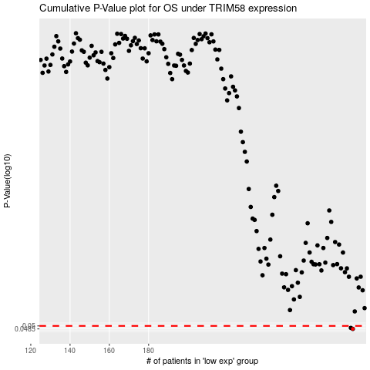

 |  |  |  |  |  | cases_OS | p_OS | rank | exp
 |  |  |  |  |  | 284 | 0.0485 | 209 | -0.3738602079
 |  |  |  |  |  | 283 | 0.049 | 306 | -0.37489698406
 |  |  |  |  |  |  | cases_RFS | p_RFS | rank | exp
 |  |  |  |  |  |  | 283 | 0.0485 | 306 | -0.37489698406
 |  |  |  |  |  |  | 282 | 0.049 | 205 | -0.37668138047

