TRIM59 _multivariate
Reported by Tex Li-Hsing Chi. tex@gate.sinica.edu.tw 2019-08-15

Table 2. The clinicopathological features of HNSCC cohort and TRIM59 expression. (Chi square test)
Cutoff at -0.282 (49.8%)
 |  | TRIM59 expression |  | TRIM59 expression |  | (Optimised)
 | Features | Low | (%) | High | (%) | Case no | P-value | Remark | Matthews
Gender | Female | 143 | 34.5 | 163 | 39.3 | 415 | 0.0416 | 1 | 0
2 | Male | 64 | 15.4 | 45 | 10.8
Age at diagnosis | <=65y | 136 | 32.8 | 138 | 33.3 | 415 | 0.9719 | 0 | 0
4 | >65y | 71 | 17.1 | 70 | 16.9
Clinical T Status | T1+T2 | 75 | 18.1 | 74 | 17.8 | 415 | 0.9707 | 0 | 0
6 | T3+T4 | 132 | 31.8 | 134 | 32.3
Clinical N Status | N0 | 114 | 27.5 | 102 | 24.6 | 415 | 0.2576 | 1 | 0
8 | N1-3 | 93 | 22.4 | 106 | 25.5
Clinical M Status | M0 | 206 | 49.6 | 206 | 49.6 | 415 | 1 | 0 | 0
10 | M1 | 1 | 0.2 | 2 | 0.5
Clinical Stage | Stage I+II | 52 | 12.5 | 50 | 12 | 415 | 0.8871 | 0 | 0
12 | Stage III+IV | 155 | 37.3 | 158 | 38.1
Surgical Margin status | Negative | 170 | 41 | 148 | 35.7 | 415 | 0.0105 | 1 | 0
14 | Positive | 37 | 8.9 | 60 | 14.5
Tobacco Exposure | Low | 99 | 23.9 | 62 | 14.9 | 415 | 2e-04 | 1 | 0
16 | High | 108 | 26 | 146 | 35.2

Table 3. Univariate/Multivariate Cox's proportional hazards regression analyses on OS time of TRIM59 gene expression in HNSCC

 |  | Univariate |  |  |  | Multivariate
 | Features | HR | CI95%(L) | CI95%(H) | P-value | HR | CI95%(L) | CI95%(H) | P-value
1 | Female | 1 |  |  |  | 1
Gender | Male | 1.157 | 0.843 | 1.587 | 0.367 | 1.221 | 0.872 | 1.71 | 0.246
11 | <=65y | 1 |  |  |  | 1
Age at diagnosis | >65y | 1.329 | 0.99 | 1.784 | 0.058 | 1.39 | 1.022 | 1.889 | 0.036
12 | T1+T2 | 1 |  |  |  | 1
Clinical T Status | T3+T4 | 1.409 | 1.028 | 1.931 | 0.033 | 2.197 | 1.162 | 4.153 | 0.015
13 | N0 | 1 |  |  |  | 1
Clinical N Status | N1-3 | 1.185 | 0.89 | 1.577 | 0.246 | 1.236 | 0.866 | 1.765 | 0.243
14 | M0 | 1 |  |  |  | 1
Clinical M Status | M1 | 4.097 | 1.009 | 16.644 | 0.049 | 9.346 | 2.038 | 42.852 | 0.004
15 | Stage I+II | 1 |  |  |  | 1
Clinical Stage | Stage III+IV | 1.245 | 0.882 | 1.759 | 0.213 | 0.509 | 0.237 | 1.094 | 0.084
16 | Negative | 1 |  |  |  | 1
Surgical Margin status | Positive | 1.591 | 1.155 | 2.191 | 0.004 | 1.662 | 1.202 | 2.298 | 0.002
17 | Low | 1 |  |  |  | 1
Tobacco Exposure | High | 1.364 | 1.008 | 1.844 | 0.044 | 1.431 | 1.036 | 1.977 | 0.03
18 | Low | 1 |  |  |  | 1
RNAseq(z-score) | High | 1.161 | 0.869 | 1.55 | 0.312 | 1.119 | 0.833 | 1.505 | 0.455

Table 4. Univariate/Multivariate Cox's proportional hazards regression analyses on RFS time of TRIM59 gene expression in HNSCC

 |  | Univariate |  |  |  | Multivariate
 | Features | HR | CI95%(L) | CI95%(H) | P-value | HR | CI95%(L) | CI95%(H) | P-value
1 | Female | 1 |  |  |  | 1
Gender | Male | 1.157 | 0.843 | 1.587 | 0.367 | 1.221 | 0.872 | 1.71 | 0.246
11 | <=65y | 1 |  |  |  | 1
Age at diagnosis | >65y | 1.329 | 0.99 | 1.784 | 0.058 | 1.39 | 1.022 | 1.889 | 0.036
12 | T1+T2 | 1 |  |  |  | 1
Clinical T Status | T3+T4 | 1.409 | 1.028 | 1.931 | 0.033 | 2.197 | 1.162 | 4.153 | 0.015
13 | N0 | 1 |  |  |  | 1
Clinical N Status | N1-3 | 1.185 | 0.89 | 1.577 | 0.246 | 1.236 | 0.866 | 1.765 | 0.243
14 | M0 | 1 |  |  |  | 1
Clinical M Status | M1 | 4.097 | 1.009 | 16.644 | 0.049 | 9.346 | 2.038 | 42.852 | 0.004
15 | Stage I+II | 1 |  |  |  | 1
Clinical Stage | Stage III+IV | 1.245 | 0.882 | 1.759 | 0.213 | 0.509 | 0.237 | 1.094 | 0.084
16 | Negative | 1 |  |  |  | 1
Surgical Margin status | Positive | 1.591 | 1.155 | 2.191 | 0.004 | 1.662 | 1.202 | 2.298 | 0.002
17 | Low | 1 |  |  |  | 1
Tobacco Exposure | High | 1.364 | 1.008 | 1.844 | 0.044 | 1.431 | 1.036 | 1.977 | 0.03
18 | Low | 1 |  |  |  | 1
RNAseq(z-score) | High | 1.161 | 0.869 | 1.55 | 0.312 | 1.119 | 0.833 | 1.505 | 0.455

Kaplan-Meier survival estimate: Cutoff at -0.282 (49.8%)



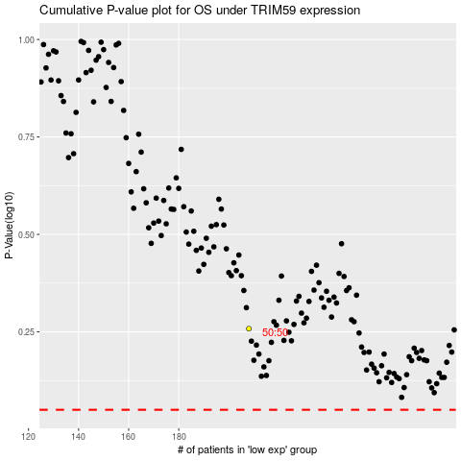

 |  |  |  |  |  | cases_OS | p_OS | rank | exp
 |  |  |  |  |  |  | cases_RFS | p_RFS | rank | exp

