TRIM63 _multivariate
Reported by Tex Li-Hsing Chi. tex@gate.sinica.edu.tw 2019-08-15

Table 2. The clinicopathological features of HNSCC cohort and TRIM63 expression. (Chi square test)
Cutoff at -0.191 (62.8%)
 |  | TRIM63 expression |  | TRIM63 expression |  | (Optimised)
 | Features | Low | (%) | High | (%) | Case no | P-value | Remark | Matthews
Gender | Female | 195 | 47 | 111 | 26.7 | 415 | 0.5201 | 0 | 0
2 | Male | 65 | 15.7 | 44 | 10.6
Age at diagnosis | <=65y | 163 | 39.3 | 111 | 26.7 | 415 | 0.0803 | 0 | 0
4 | >65y | 97 | 23.4 | 44 | 10.6
Clinical T Status | T1+T2 | 83 | 20 | 66 | 15.9 | 415 | 0.0372 | 1 | 0
6 | T3+T4 | 177 | 42.7 | 89 | 21.4
Clinical N Status | N0 | 139 | 33.5 | 77 | 18.6 | 415 | 0.519 | 0 | 0
8 | N1-3 | 121 | 29.2 | 78 | 18.8
Clinical M Status | M0 | 258 | 62.2 | 154 | 37.1 | 415 | 1 | 0 | 0
10 | M1 | 2 | 0.5 | 1 | 0.2
Clinical Stage | Stage I+II | 53 | 12.8 | 49 | 11.8 | 415 | 0.0142 | 1 | 0
12 | Stage III+IV | 207 | 49.9 | 106 | 25.5
Surgical Margin status | Negative | 195 | 47 | 123 | 29.6 | 415 | 0.3389 | 0 | 0
14 | Positive | 65 | 15.7 | 32 | 7.7
Tobacco Exposure | Low | 103 | 24.8 | 58 | 14 | 415 | 0.6781 | 0 | 0
16 | High | 157 | 37.8 | 97 | 23.4

Table 3. Univariate/Multivariate Cox's proportional hazards regression analyses on OS time of TRIM63 gene expression in HNSCC

 |  | Univariate |  |  |  | Multivariate
 | Features | HR | CI95%(L) | CI95%(H) | P-value | HR | CI95%(L) | CI95%(H) | P-value
1 | Female | 1 |  |  |  | 1
Gender | Male | 1.157 | 0.843 | 1.587 | 0.367 | 1.162 | 0.831 | 1.625 | 0.379
11 | <=65y | 1 |  |  |  | 1
Age at diagnosis | >65y | 1.329 | 0.99 | 1.784 | 0.058 | 1.463 | 1.072 | 1.998 | 0.016
12 | T1+T2 | 1 |  |  |  | 1
Clinical T Status | T3+T4 | 1.409 | 1.028 | 1.931 | 0.033 | 2.145 | 1.134 | 4.058 | 0.019
13 | N0 | 1 |  |  |  | 1
Clinical N Status | N1-3 | 1.185 | 0.89 | 1.577 | 0.246 | 1.201 | 0.84 | 1.716 | 0.315
14 | M0 | 1 |  |  |  | 1
Clinical M Status | M1 | 4.097 | 1.009 | 16.644 | 0.049 | 9.14 | 1.994 | 41.909 | 0.004
15 | Stage I+II | 1 |  |  |  | 1
Clinical Stage | Stage III+IV | 1.245 | 0.882 | 1.759 | 0.213 | 0.541 | 0.251 | 1.165 | 0.116
16 | Negative | 1 |  |  |  | 1
Surgical Margin status | Positive | 1.591 | 1.155 | 2.191 | 0.004 | 1.677 | 1.214 | 2.316 | 0.002
17 | Low | 1 |  |  |  | 1
Tobacco Exposure | High | 1.364 | 1.008 | 1.844 | 0.044 | 1.434 | 1.042 | 1.973 | 0.027
18 | Low | 1 |  |  |  | 1
RNAseq(z-score) | High | 1.345 | 1.007 | 1.797 | 0.045 | 1.381 | 1.026 | 1.86 | 0.033

Table 4. Univariate/Multivariate Cox's proportional hazards regression analyses on RFS time of TRIM63 gene expression in HNSCC

 |  | Univariate |  |  |  | Multivariate
 | Features | HR | CI95%(L) | CI95%(H) | P-value | HR | CI95%(L) | CI95%(H) | P-value
1 | Female | 1 |  |  |  | 1
Gender | Male | 1.157 | 0.843 | 1.587 | 0.367 | 1.162 | 0.831 | 1.625 | 0.379
11 | <=65y | 1 |  |  |  | 1
Age at diagnosis | >65y | 1.329 | 0.99 | 1.784 | 0.058 | 1.463 | 1.072 | 1.998 | 0.016
12 | T1+T2 | 1 |  |  |  | 1
Clinical T Status | T3+T4 | 1.409 | 1.028 | 1.931 | 0.033 | 2.145 | 1.134 | 4.058 | 0.019
13 | N0 | 1 |  |  |  | 1
Clinical N Status | N1-3 | 1.185 | 0.89 | 1.577 | 0.246 | 1.201 | 0.84 | 1.716 | 0.315
14 | M0 | 1 |  |  |  | 1
Clinical M Status | M1 | 4.097 | 1.009 | 16.644 | 0.049 | 9.14 | 1.994 | 41.909 | 0.004
15 | Stage I+II | 1 |  |  |  | 1
Clinical Stage | Stage III+IV | 1.245 | 0.882 | 1.759 | 0.213 | 0.541 | 0.251 | 1.165 | 0.116
16 | Negative | 1 |  |  |  | 1
Surgical Margin status | Positive | 1.591 | 1.155 | 2.191 | 0.004 | 1.677 | 1.214 | 2.316 | 0.002
17 | Low | 1 |  |  |  | 1
Tobacco Exposure | High | 1.364 | 1.008 | 1.844 | 0.044 | 1.434 | 1.042 | 1.973 | 0.027
18 | Low | 1 |  |  |  | 1
RNAseq(z-score) | High | 1.345 | 1.007 | 1.797 | 0.045 | 1.381 | 1.026 | 1.86 | 0.033

Kaplan-Meier survival estimate: Cutoff at -0.191 (62.8%)



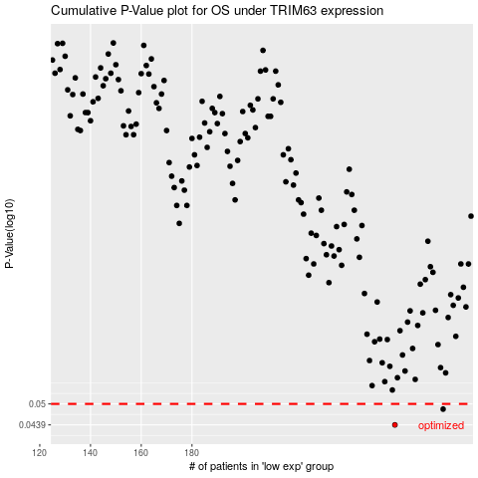

 |  |  |  |  |  | cases_OS | p_OS | rank | exp
 |  |  |  |  |  | 260 | 0.0439 | 66 | -0.19112297485
 |  |  |  |  |  | 279 | 0.0484 | 77 | -0.178788998
 |  |  |  |  |  |  | cases_RFS | p_RFS | rank | exp
 |  |  |  |  |  |  | 259 | 0.0439 | 328 | -0.19159005897
 |  |  |  |  |  |  | 278 | 0.0484 | 71 | -0.17983014283

