TRIM68 _multivariate
Reported by Tex Li-Hsing Chi. tex@gate.sinica.edu.tw 2019-08-15

Table 2. The clinicopathological features of HNSCC cohort and TRIM68 expression. (Chi square test)
Cutoff at -0.179 (49.8%)
 |  | TRIM68 expression |  | TRIM68 expression |  | (Optimised)
 | Features | Low | (%) | High | (%) | Case no | P-value | Remark | Matthews
Gender | Female | 147 | 35.4 | 159 | 38.3 | 415 | 0.2523 | 0 | 0
2 | Male | 60 | 14.5 | 49 | 11.8
Age at diagnosis | <=65y | 128 | 30.8 | 146 | 35.2 | 415 | 0.0904 | 0 | 0
4 | >65y | 79 | 19 | 62 | 14.9
Clinical T Status | T1+T2 | 62 | 14.9 | 87 | 21 | 415 | 0.0156 | 1 | 0
6 | T3+T4 | 145 | 34.9 | 121 | 29.2
Clinical N Status | N0 | 102 | 24.6 | 114 | 27.5 | 415 | 0.3031 | 0 | 0
8 | N1-3 | 105 | 25.3 | 94 | 22.7
Clinical M Status | M0 | 204 | 49.2 | 208 | 50.1 | 415 | 0.1232 | 0 | 0
10 | M1 | 3 | 0.7 | 0 | 0
Clinical Stage | Stage I+II | 42 | 10.1 | 60 | 14.5 | 415 | 0.0561 | 0 | 0
12 | Stage III+IV | 165 | 39.8 | 148 | 35.7
Surgical Margin status | Negative | 154 | 37.1 | 164 | 39.5 | 415 | 0.2984 | 0 | 0
14 | Positive | 53 | 12.8 | 44 | 10.6
Tobacco Exposure | Low | 81 | 19.5 | 80 | 19.3 | 415 | 0.9199 | 0 | 0
16 | High | 126 | 30.4 | 128 | 30.8

Table 3. Univariate/Multivariate Cox's proportional hazards regression analyses on OS time of TRIM68 gene expression in HNSCC

 |  | Univariate |  |  |  | Multivariate
 | Features | HR | CI95%(L) | CI95%(H) | P-value | HR | CI95%(L) | CI95%(H) | P-value
1 | Female | 1 |  |  |  | 1
Gender | Male | 1.157 | 0.843 | 1.587 | 0.367 | 1.18 | 0.843 | 1.653 | 0.335
11 | <=65y | 1 |  |  |  | 1
Age at diagnosis | >65y | 1.329 | 0.99 | 1.784 | 0.058 | 1.379 | 1.013 | 1.876 | 0.041
12 | T1+T2 | 1 |  |  |  | 1
Clinical T Status | T3+T4 | 1.409 | 1.028 | 1.931 | 0.033 | 2.192 | 1.159 | 4.143 | 0.016
13 | N0 | 1 |  |  |  | 1
Clinical N Status | N1-3 | 1.185 | 0.89 | 1.577 | 0.246 | 1.258 | 0.881 | 1.798 | 0.207
14 | M0 | 1 |  |  |  | 1
Clinical M Status | M1 | 4.097 | 1.009 | 16.644 | 0.049 | 8.692 | 1.88 | 40.176 | 0.006
15 | Stage I+II | 1 |  |  |  | 1
Clinical Stage | Stage III+IV | 1.245 | 0.882 | 1.759 | 0.213 | 0.494 | 0.23 | 1.061 | 0.071
16 | Negative | 1 |  |  |  | 1
Surgical Margin status | Positive | 1.591 | 1.155 | 2.191 | 0.004 | 1.678 | 1.214 | 2.319 | 0.002
17 | Low | 1 |  |  |  | 1
Tobacco Exposure | High | 1.364 | 1.008 | 1.844 | 0.044 | 1.46 | 1.059 | 2.014 | 0.021
18 | Low | 1 |  |  |  | 1
RNAseq(z-score) | High | 0.825 | 0.619 | 1.099 | 0.189 | 0.867 | 0.646 | 1.164 | 0.343

Table 4. Univariate/Multivariate Cox's proportional hazards regression analyses on RFS time of TRIM68 gene expression in HNSCC

 |  | Univariate |  |  |  | Multivariate
 | Features | HR | CI95%(L) | CI95%(H) | P-value | HR | CI95%(L) | CI95%(H) | P-value
1 | Female | 1 |  |  |  | 1
Gender | Male | 1.157 | 0.843 | 1.587 | 0.367 | 1.18 | 0.843 | 1.653 | 0.335
11 | <=65y | 1 |  |  |  | 1
Age at diagnosis | >65y | 1.329 | 0.99 | 1.784 | 0.058 | 1.379 | 1.013 | 1.876 | 0.041
12 | T1+T2 | 1 |  |  |  | 1
Clinical T Status | T3+T4 | 1.409 | 1.028 | 1.931 | 0.033 | 2.192 | 1.159 | 4.143 | 0.016
13 | N0 | 1 |  |  |  | 1
Clinical N Status | N1-3 | 1.185 | 0.89 | 1.577 | 0.246 | 1.258 | 0.881 | 1.798 | 0.207
14 | M0 | 1 |  |  |  | 1
Clinical M Status | M1 | 4.097 | 1.009 | 16.644 | 0.049 | 8.692 | 1.88 | 40.176 | 0.006
15 | Stage I+II | 1 |  |  |  | 1
Clinical Stage | Stage III+IV | 1.245 | 0.882 | 1.759 | 0.213 | 0.494 | 0.23 | 1.061 | 0.071
16 | Negative | 1 |  |  |  | 1
Surgical Margin status | Positive | 1.591 | 1.155 | 2.191 | 0.004 | 1.678 | 1.214 | 2.319 | 0.002
17 | Low | 1 |  |  |  | 1
Tobacco Exposure | High | 1.364 | 1.008 | 1.844 | 0.044 | 1.46 | 1.059 | 2.014 | 0.021
18 | Low | 1 |  |  |  | 1
RNAseq(z-score) | High | 0.825 | 0.619 | 1.099 | 0.189 | 0.867 | 0.646 | 1.164 | 0.343

Kaplan-Meier survival estimate: Cutoff at -0.179 (49.8%)



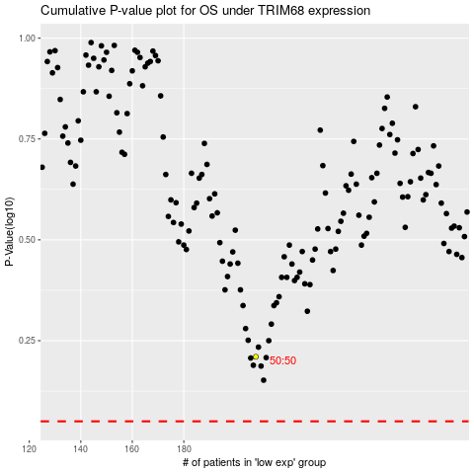

 |  |  |  |  |  | cases_OS | p_OS | rank | exp
 |  |  |  |  |  |  | cases_RFS | p_RFS | rank | exp

