TRIM72 _multivariate
Reported by Tex Li-Hsing Chi. tex@gate.sinica.edu.tw 2019-08-15

Table 2. The clinicopathological features of HNSCC cohort and TRIM72 expression. (Chi square test)
Cutoff at -0.302 (50.0%)
 |  | TRIM72 expression |  | TRIM72 expression |  | (Optimised)
 | Features | Low | (%) | High | (%) | Case no | P-value | Remark | Matthews
Gender | Female | 154 | 37.1 | 152 | 36.6 | 415 | 0.8463 | 0 | 0
2 | Male | 53 | 12.8 | 56 | 13.5
Age at diagnosis | <=65y | 116 | 28 | 158 | 38.1 | 415 | 0 | 1 | 0
4 | >65y | 91 | 21.9 | 50 | 12
Clinical T Status | T1+T2 | 65 | 15.7 | 84 | 20.2 | 415 | 0.0711 | 0 | 0
6 | T3+T4 | 142 | 34.2 | 124 | 29.9
Clinical N Status | N0 | 116 | 28 | 100 | 24.1 | 415 | 0.1273 | 1 | 0
8 | N1-3 | 91 | 21.9 | 108 | 26
Clinical M Status | M0 | 204 | 49.2 | 208 | 50.1 | 415 | 0.1232 | 0 | 0
10 | M1 | 3 | 0.7 | 0 | 0
Clinical Stage | Stage I+II | 43 | 10.4 | 59 | 14.2 | 415 | 0.0925 | 0 | 0
12 | Stage III+IV | 164 | 39.5 | 149 | 35.9
Surgical Margin status | Negative | 151 | 36.4 | 167 | 40.2 | 415 | 0.0828 | 0 | 0
14 | Positive | 56 | 13.5 | 41 | 9.9
Tobacco Exposure | Low | 89 | 21.4 | 72 | 17.3 | 415 | 0.0872 | 0 | 0
16 | High | 118 | 28.4 | 136 | 32.8

Table 3. Univariate/Multivariate Cox's proportional hazards regression analyses on OS time of TRIM72 gene expression in HNSCC

 |  | Univariate |  |  |  | Multivariate
 | Features | HR | CI95%(L) | CI95%(H) | P-value | HR | CI95%(L) | CI95%(H) | P-value
1 | Female | 1 |  |  |  | 1
Gender | Male | 1.157 | 0.843 | 1.587 | 0.367 | 1.195 | 0.855 | 1.669 | 0.297
11 | <=65y | 1 |  |  |  | 1
Age at diagnosis | >65y | 1.329 | 0.99 | 1.784 | 0.058 | 1.435 | 1.048 | 1.966 | 0.024
12 | T1+T2 | 1 |  |  |  | 1
Clinical T Status | T3+T4 | 1.409 | 1.028 | 1.931 | 0.033 | 2.187 | 1.156 | 4.136 | 0.016
13 | N0 | 1 |  |  |  | 1
Clinical N Status | N1-3 | 1.185 | 0.89 | 1.577 | 0.246 | 1.216 | 0.849 | 1.74 | 0.286
14 | M0 | 1 |  |  |  | 1
Clinical M Status | M1 | 4.097 | 1.009 | 16.644 | 0.049 | 10.103 | 2.186 | 46.7 | 0.003
15 | Stage I+II | 1 |  |  |  | 1
Clinical Stage | Stage III+IV | 1.245 | 0.882 | 1.759 | 0.213 | 0.517 | 0.241 | 1.113 | 0.092
16 | Negative | 1 |  |  |  | 1
Surgical Margin status | Positive | 1.591 | 1.155 | 2.191 | 0.004 | 1.682 | 1.217 | 2.324 | 0.002
17 | Low | 1 |  |  |  | 1
Tobacco Exposure | High | 1.364 | 1.008 | 1.844 | 0.044 | 1.436 | 1.042 | 1.979 | 0.027
18 | Low | 1 |  |  |  | 1
RNAseq(z-score) | High | 1.073 | 0.805 | 1.429 | 0.631 | 1.147 | 0.848 | 1.552 | 0.372

Table 4. Univariate/Multivariate Cox's proportional hazards regression analyses on RFS time of TRIM72 gene expression in HNSCC

 |  | Univariate |  |  |  | Multivariate
 | Features | HR | CI95%(L) | CI95%(H) | P-value | HR | CI95%(L) | CI95%(H) | P-value
1 | Female | 1 |  |  |  | 1
Gender | Male | 1.157 | 0.843 | 1.587 | 0.367 | 1.195 | 0.855 | 1.669 | 0.297
11 | <=65y | 1 |  |  |  | 1
Age at diagnosis | >65y | 1.329 | 0.99 | 1.784 | 0.058 | 1.435 | 1.048 | 1.966 | 0.024
12 | T1+T2 | 1 |  |  |  | 1
Clinical T Status | T3+T4 | 1.409 | 1.028 | 1.931 | 0.033 | 2.187 | 1.156 | 4.136 | 0.016
13 | N0 | 1 |  |  |  | 1
Clinical N Status | N1-3 | 1.185 | 0.89 | 1.577 | 0.246 | 1.216 | 0.849 | 1.74 | 0.286
14 | M0 | 1 |  |  |  | 1
Clinical M Status | M1 | 4.097 | 1.009 | 16.644 | 0.049 | 10.103 | 2.186 | 46.7 | 0.003
15 | Stage I+II | 1 |  |  |  | 1
Clinical Stage | Stage III+IV | 1.245 | 0.882 | 1.759 | 0.213 | 0.517 | 0.241 | 1.113 | 0.092
16 | Negative | 1 |  |  |  | 1
Surgical Margin status | Positive | 1.591 | 1.155 | 2.191 | 0.004 | 1.682 | 1.217 | 2.324 | 0.002
17 | Low | 1 |  |  |  | 1
Tobacco Exposure | High | 1.364 | 1.008 | 1.844 | 0.044 | 1.436 | 1.042 | 1.979 | 0.027
18 | Low | 1 |  |  |  | 1
RNAseq(z-score) | High | 1.073 | 0.805 | 1.429 | 0.631 | 1.147 | 0.848 | 1.552 | 0.372

Kaplan-Meier survival estimate: Cutoff at -0.302 (50.0%)



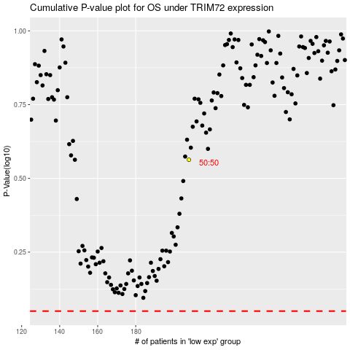

 |  |  |  |  |  | cases_OS | p_OS | rank | exp
 |  |  |  |  |  |  | cases_RFS | p_RFS | rank | exp

