TRIM74 _multivariate
Reported by Tex Li-Hsing Chi. tex@gate.sinica.edu.tw 2019-08-15

Table 2. The clinicopathological features of HNSCC cohort and TRIM74 expression. (Chi square test)
Cutoff at -0.386 (49.8%)
 |  | TRIM74 expression |  | TRIM74 expression |  | (Optimised)
 | Features | Low | (%) | High | (%) | Case no | P-value | Remark | Matthews
Gender | Female | 146 | 35.2 | 160 | 38.6 | 415 | 0.1714 | 0 | 0
2 | Male | 61 | 14.7 | 48 | 11.6
Age at diagnosis | <=65y | 131 | 31.6 | 143 | 34.5 | 415 | 0.2839 | 0 | 0
4 | >65y | 76 | 18.3 | 65 | 15.7
Clinical T Status | T1+T2 | 78 | 18.8 | 71 | 17.1 | 415 | 0.5152 | 0 | 0
6 | T3+T4 | 129 | 31.1 | 137 | 33
Clinical N Status | N0 | 111 | 26.7 | 105 | 25.3 | 415 | 0.5875 | 0 | 0
8 | N1-3 | 96 | 23.1 | 103 | 24.8
Clinical M Status | M0 | 206 | 49.6 | 206 | 49.6 | 415 | 1 | 0 | 0
10 | M1 | 1 | 0.2 | 2 | 0.5
Clinical Stage | Stage I+II | 62 | 14.9 | 40 | 9.6 | 415 | 0.0154 | 1 | 0
12 | Stage III+IV | 145 | 34.9 | 168 | 40.5
Surgical Margin status | Negative | 165 | 39.8 | 153 | 36.9 | 415 | 0.1639 | 0 | 0
14 | Positive | 42 | 10.1 | 55 | 13.3
Tobacco Exposure | Low | 90 | 21.7 | 71 | 17.1 | 415 | 0.0559 | 0 | 0
16 | High | 117 | 28.2 | 137 | 33

Table 3. Univariate/Multivariate Cox's proportional hazards regression analyses on OS time of TRIM74 gene expression in HNSCC

 |  | Univariate |  |  |  | Multivariate
 | Features | HR | CI95%(L) | CI95%(H) | P-value | HR | CI95%(L) | CI95%(H) | P-value
1 | Female | 1 |  |  |  | 1
Gender | Male | 1.157 | 0.843 | 1.587 | 0.367 | 1.201 | 0.859 | 1.678 | 0.284
11 | <=65y | 1 |  |  |  | 1
Age at diagnosis | >65y | 1.329 | 0.99 | 1.784 | 0.058 | 1.38 | 1.014 | 1.88 | 0.041
12 | T1+T2 | 1 |  |  |  | 1
Clinical T Status | T3+T4 | 1.409 | 1.028 | 1.931 | 0.033 | 2.113 | 1.114 | 4.007 | 0.022
13 | N0 | 1 |  |  |  | 1
Clinical N Status | N1-3 | 1.185 | 0.89 | 1.577 | 0.246 | 1.226 | 0.859 | 1.751 | 0.262
14 | M0 | 1 |  |  |  | 1
Clinical M Status | M1 | 4.097 | 1.009 | 16.644 | 0.049 | 9.285 | 2.025 | 42.575 | 0.004
15 | Stage I+II | 1 |  |  |  | 1
Clinical Stage | Stage III+IV | 1.245 | 0.882 | 1.759 | 0.213 | 0.539 | 0.25 | 1.165 | 0.116
16 | Negative | 1 |  |  |  | 1
Surgical Margin status | Positive | 1.591 | 1.155 | 2.191 | 0.004 | 1.708 | 1.234 | 2.364 | 0.001
17 | Low | 1 |  |  |  | 1
Tobacco Exposure | High | 1.364 | 1.008 | 1.844 | 0.044 | 1.502 | 1.085 | 2.081 | 0.014
18 | Low | 1 |  |  |  | 1
RNAseq(z-score) | High | 0.874 | 0.656 | 1.164 | 0.358 | 0.817 | 0.608 | 1.098 | 0.181

Table 4. Univariate/Multivariate Cox's proportional hazards regression analyses on RFS time of TRIM74 gene expression in HNSCC

 |  | Univariate |  |  |  | Multivariate
 | Features | HR | CI95%(L) | CI95%(H) | P-value | HR | CI95%(L) | CI95%(H) | P-value
1 | Female | 1 |  |  |  | 1
Gender | Male | 1.157 | 0.843 | 1.587 | 0.367 | 1.201 | 0.859 | 1.678 | 0.284
11 | <=65y | 1 |  |  |  | 1
Age at diagnosis | >65y | 1.329 | 0.99 | 1.784 | 0.058 | 1.38 | 1.014 | 1.88 | 0.041
12 | T1+T2 | 1 |  |  |  | 1
Clinical T Status | T3+T4 | 1.409 | 1.028 | 1.931 | 0.033 | 2.113 | 1.114 | 4.007 | 0.022
13 | N0 | 1 |  |  |  | 1
Clinical N Status | N1-3 | 1.185 | 0.89 | 1.577 | 0.246 | 1.226 | 0.859 | 1.751 | 0.262
14 | M0 | 1 |  |  |  | 1
Clinical M Status | M1 | 4.097 | 1.009 | 16.644 | 0.049 | 9.285 | 2.025 | 42.575 | 0.004
15 | Stage I+II | 1 |  |  |  | 1
Clinical Stage | Stage III+IV | 1.245 | 0.882 | 1.759 | 0.213 | 0.539 | 0.25 | 1.165 | 0.116
16 | Negative | 1 |  |  |  | 1
Surgical Margin status | Positive | 1.591 | 1.155 | 2.191 | 0.004 | 1.708 | 1.234 | 2.364 | 0.001
17 | Low | 1 |  |  |  | 1
Tobacco Exposure | High | 1.364 | 1.008 | 1.844 | 0.044 | 1.502 | 1.085 | 2.081 | 0.014
18 | Low | 1 |  |  |  | 1
RNAseq(z-score) | High | 0.874 | 0.656 | 1.164 | 0.358 | 0.817 | 0.608 | 1.098 | 0.181

Kaplan-Meier survival estimate: Cutoff at -0.386 (49.8%)



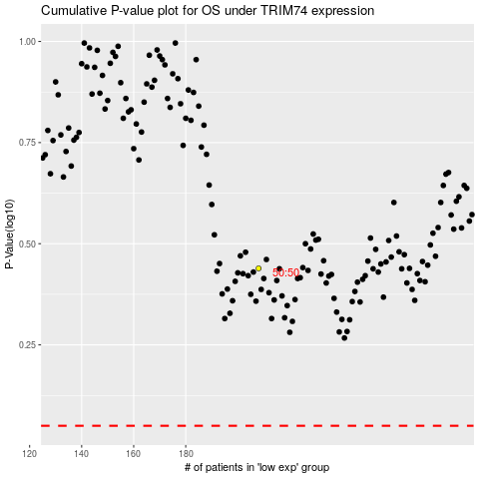

 |  |  |  |  |  | cases_OS | p_OS | rank | exp
 |  |  |  |  |  |  | cases_RFS | p_RFS | rank | exp

