TRIM78P _multivariate
Reported by Tex Li-Hsing Chi. tex@gate.sinica.edu.tw 2019-08-15

Table 2. The clinicopathological features of HNSCC cohort and TRIM78P expression. (Chi square test)
Cutoff at -0.154 (49.8%)
 |  | TRIM78P expression |  | TRIM78P expression |  | (Optimised)
 | Features | Low | (%) | High | (%) | Case no | P-value | Remark | Matthews
Gender | Female | 152 | 36.6 | 154 | 37.1 | 415 | 0.9766 | 0 | 0
2 | Male | 55 | 13.3 | 54 | 13
Age at diagnosis | <=65y | 144 | 34.7 | 130 | 31.3 | 415 | 0.1568 | 0 | 0
4 | >65y | 63 | 15.2 | 78 | 18.8
Clinical T Status | T1+T2 | 69 | 16.6 | 80 | 19.3 | 415 | 0.3239 | 0 | 0
6 | T3+T4 | 138 | 33.3 | 128 | 30.8
Clinical N Status | N0 | 108 | 26 | 108 | 26 | 415 | 1 | 0 | 0
8 | N1-3 | 99 | 23.9 | 100 | 24.1
Clinical M Status | M0 | 206 | 49.6 | 206 | 49.6 | 415 | 1 | 0 | 0
10 | M1 | 1 | 0.2 | 2 | 0.5
Clinical Stage | Stage I+II | 48 | 11.6 | 54 | 13 | 415 | 0.5878 | 0 | 0
12 | Stage III+IV | 159 | 38.3 | 154 | 37.1
Surgical Margin status | Negative | 172 | 41.4 | 146 | 35.2 | 415 | 0.0025 | 1 | 0
14 | Positive | 35 | 8.4 | 62 | 14.9
Tobacco Exposure | Low | 77 | 18.6 | 84 | 20.2 | 415 | 0.5459 | 0 | 0
16 | High | 130 | 31.3 | 124 | 29.9

Table 3. Univariate/Multivariate Cox's proportional hazards regression analyses on OS time of TRIM78P gene expression in HNSCC

 |  | Univariate |  |  |  | Multivariate
 | Features | HR | CI95%(L) | CI95%(H) | P-value | HR | CI95%(L) | CI95%(H) | P-value
1 | Female | 1 |  |  |  | 1
Gender | Male | 1.157 | 0.843 | 1.587 | 0.367 | 1.195 | 0.855 | 1.669 | 0.298
11 | <=65y | 1 |  |  |  | 1
Age at diagnosis | >65y | 1.329 | 0.99 | 1.784 | 0.058 | 1.409 | 1.036 | 1.917 | 0.029
12 | T1+T2 | 1 |  |  |  | 1
Clinical T Status | T3+T4 | 1.409 | 1.028 | 1.931 | 0.033 | 2.183 | 1.155 | 4.128 | 0.016
13 | N0 | 1 |  |  |  | 1
Clinical N Status | N1-3 | 1.185 | 0.89 | 1.577 | 0.246 | 1.239 | 0.868 | 1.767 | 0.238
14 | M0 | 1 |  |  |  | 1
Clinical M Status | M1 | 4.097 | 1.009 | 16.644 | 0.049 | 9.501 | 2.073 | 43.556 | 0.004
15 | Stage I+II | 1 |  |  |  | 1
Clinical Stage | Stage III+IV | 1.245 | 0.882 | 1.759 | 0.213 | 0.507 | 0.236 | 1.089 | 0.081
16 | Negative | 1 |  |  |  | 1
Surgical Margin status | Positive | 1.591 | 1.155 | 2.191 | 0.004 | 1.711 | 1.233 | 2.373 | 0.001
17 | Low | 1 |  |  |  | 1
Tobacco Exposure | High | 1.364 | 1.008 | 1.844 | 0.044 | 1.456 | 1.057 | 2.007 | 0.022
18 | Low | 1 |  |  |  | 1
RNAseq(z-score) | High | 0.941 | 0.707 | 1.253 | 0.677 | 0.875 | 0.654 | 1.171 | 0.369

Table 4. Univariate/Multivariate Cox's proportional hazards regression analyses on RFS time of TRIM78P gene expression in HNSCC

 |  | Univariate |  |  |  | Multivariate
 | Features | HR | CI95%(L) | CI95%(H) | P-value | HR | CI95%(L) | CI95%(H) | P-value
1 | Female | 1 |  |  |  | 1
Gender | Male | 1.157 | 0.843 | 1.587 | 0.367 | 1.195 | 0.855 | 1.669 | 0.298
11 | <=65y | 1 |  |  |  | 1
Age at diagnosis | >65y | 1.329 | 0.99 | 1.784 | 0.058 | 1.409 | 1.036 | 1.917 | 0.029
12 | T1+T2 | 1 |  |  |  | 1
Clinical T Status | T3+T4 | 1.409 | 1.028 | 1.931 | 0.033 | 2.183 | 1.155 | 4.128 | 0.016
13 | N0 | 1 |  |  |  | 1
Clinical N Status | N1-3 | 1.185 | 0.89 | 1.577 | 0.246 | 1.239 | 0.868 | 1.767 | 0.238
14 | M0 | 1 |  |  |  | 1
Clinical M Status | M1 | 4.097 | 1.009 | 16.644 | 0.049 | 9.501 | 2.073 | 43.556 | 0.004
15 | Stage I+II | 1 |  |  |  | 1
Clinical Stage | Stage III+IV | 1.245 | 0.882 | 1.759 | 0.213 | 0.507 | 0.236 | 1.089 | 0.081
16 | Negative | 1 |  |  |  | 1
Surgical Margin status | Positive | 1.591 | 1.155 | 2.191 | 0.004 | 1.711 | 1.233 | 2.373 | 0.001
17 | Low | 1 |  |  |  | 1
Tobacco Exposure | High | 1.364 | 1.008 | 1.844 | 0.044 | 1.456 | 1.057 | 2.007 | 0.022
18 | Low | 1 |  |  |  | 1
RNAseq(z-score) | High | 0.941 | 0.707 | 1.253 | 0.677 | 0.875 | 0.654 | 1.171 | 0.369

Kaplan-Meier survival estimate: Cutoff at -0.154 (49.8%)



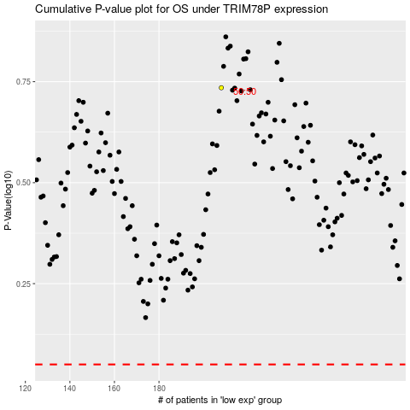

 |  |  |  |  |  | cases_OS | p_OS | rank | exp
 |  |  |  |  |  |  | cases_RFS | p_RFS | rank | exp

