TRIM8 _multivariate
Reported by Tex Li-Hsing Chi. tex@gate.sinica.edu.tw 2019-08-15

Table 2. The clinicopathological features of HNSCC cohort and TRIM8 expression. (Chi square test)
Cutoff at -0.164 (50.0%)
 |  | TRIM8 expression |  | TRIM8 expression |  | (Optimised)
 | Features | Low | (%) | High | (%) | Case no | P-value | Remark | Matthews
Gender | Female | 145 | 34.9 | 161 | 38.8 | 415 | 0.1116 | 0 | 0
2 | Male | 62 | 14.9 | 47 | 11.3
Age at diagnosis | <=65y | 129 | 31.1 | 145 | 34.9 | 415 | 0.1372 | 0 | 0
4 | >65y | 78 | 18.8 | 63 | 15.2
Clinical T Status | T1+T2 | 66 | 15.9 | 83 | 20 | 415 | 0.1095 | 0 | 0
6 | T3+T4 | 141 | 34 | 125 | 30.1
Clinical N Status | N0 | 118 | 28.4 | 98 | 23.6 | 415 | 0.0551 | 1 | 0
8 | N1-3 | 89 | 21.4 | 110 | 26.5
Clinical M Status | M0 | 205 | 49.4 | 207 | 49.9 | 415 | 0.6232 | 0 | 0
10 | M1 | 2 | 0.5 | 1 | 0.2
Clinical Stage | Stage I+II | 44 | 10.6 | 58 | 14 | 415 | 0.1459 | 0 | 0
12 | Stage III+IV | 163 | 39.3 | 150 | 36.1
Surgical Margin status | Negative | 164 | 39.5 | 154 | 37.1 | 415 | 0.2462 | 0 | 0
14 | Positive | 43 | 10.4 | 54 | 13
Tobacco Exposure | Low | 78 | 18.8 | 83 | 20 | 415 | 0.6873 | 0 | 0
16 | High | 129 | 31.1 | 125 | 30.1

Table 3. Univariate/Multivariate Cox's proportional hazards regression analyses on OS time of TRIM8 gene expression in HNSCC

 |  | Univariate |  |  |  | Multivariate
 | Features | HR | CI95%(L) | CI95%(H) | P-value | HR | CI95%(L) | CI95%(H) | P-value
1 | Female | 1 |  |  |  | 1
Gender | Male | 1.157 | 0.843 | 1.587 | 0.367 | 1.197 | 0.854 | 1.677 | 0.297
11 | <=65y | 1 |  |  |  | 1
Age at diagnosis | >65y | 1.329 | 0.99 | 1.784 | 0.058 | 1.388 | 1.02 | 1.89 | 0.037
12 | T1+T2 | 1 |  |  |  | 1
Clinical T Status | T3+T4 | 1.409 | 1.028 | 1.931 | 0.033 | 2.207 | 1.167 | 4.175 | 0.015
13 | N0 | 1 |  |  |  | 1
Clinical N Status | N1-3 | 1.185 | 0.89 | 1.577 | 0.246 | 1.248 | 0.869 | 1.793 | 0.23
14 | M0 | 1 |  |  |  | 1
Clinical M Status | M1 | 4.097 | 1.009 | 16.644 | 0.049 | 9.371 | 2.043 | 42.983 | 0.004
15 | Stage I+II | 1 |  |  |  | 1
Clinical Stage | Stage III+IV | 1.245 | 0.882 | 1.759 | 0.213 | 0.5 | 0.232 | 1.08 | 0.078
16 | Negative | 1 |  |  |  | 1
Surgical Margin status | Positive | 1.591 | 1.155 | 2.191 | 0.004 | 1.677 | 1.211 | 2.323 | 0.002
17 | Low | 1 |  |  |  | 1
Tobacco Exposure | High | 1.364 | 1.008 | 1.844 | 0.044 | 1.452 | 1.054 | 2.001 | 0.023
18 | Low | 1 |  |  |  | 1
RNAseq(z-score) | High | 0.984 | 0.739 | 1.31 | 0.911 | 0.975 | 0.722 | 1.316 | 0.867

Table 4. Univariate/Multivariate Cox's proportional hazards regression analyses on RFS time of TRIM8 gene expression in HNSCC

 |  | Univariate |  |  |  | Multivariate
 | Features | HR | CI95%(L) | CI95%(H) | P-value | HR | CI95%(L) | CI95%(H) | P-value
1 | Female | 1 |  |  |  | 1
Gender | Male | 1.157 | 0.843 | 1.587 | 0.367 | 1.197 | 0.854 | 1.677 | 0.297
11 | <=65y | 1 |  |  |  | 1
Age at diagnosis | >65y | 1.329 | 0.99 | 1.784 | 0.058 | 1.388 | 1.02 | 1.89 | 0.037
12 | T1+T2 | 1 |  |  |  | 1
Clinical T Status | T3+T4 | 1.409 | 1.028 | 1.931 | 0.033 | 2.207 | 1.167 | 4.175 | 0.015
13 | N0 | 1 |  |  |  | 1
Clinical N Status | N1-3 | 1.185 | 0.89 | 1.577 | 0.246 | 1.248 | 0.869 | 1.793 | 0.23
14 | M0 | 1 |  |  |  | 1
Clinical M Status | M1 | 4.097 | 1.009 | 16.644 | 0.049 | 9.371 | 2.043 | 42.983 | 0.004
15 | Stage I+II | 1 |  |  |  | 1
Clinical Stage | Stage III+IV | 1.245 | 0.882 | 1.759 | 0.213 | 0.5 | 0.232 | 1.08 | 0.078
16 | Negative | 1 |  |  |  | 1
Surgical Margin status | Positive | 1.591 | 1.155 | 2.191 | 0.004 | 1.677 | 1.211 | 2.323 | 0.002
17 | Low | 1 |  |  |  | 1
Tobacco Exposure | High | 1.364 | 1.008 | 1.844 | 0.044 | 1.452 | 1.054 | 2.001 | 0.023
18 | Low | 1 |  |  |  | 1
RNAseq(z-score) | High | 0.984 | 0.739 | 1.31 | 0.911 | 0.975 | 0.722 | 1.316 | 0.867

Kaplan-Meier survival estimate: Cutoff at -0.164 (50.0%)



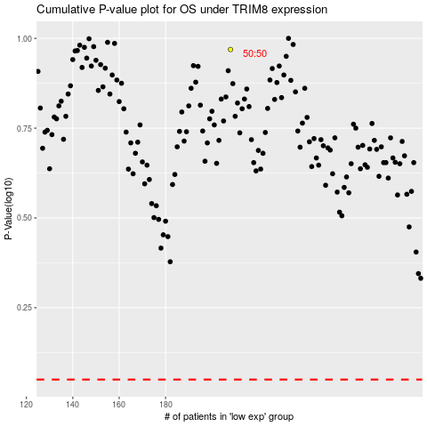

 |  |  |  |  |  | cases_OS | p_OS | rank | exp
 |  |  |  |  |  |  | cases_RFS | p_RFS | rank | exp

