TRIML1 _multivariate
Reported by Tex Li-Hsing Chi. tex@gate.sinica.edu.tw 2019-08-15

Table 2. The clinicopathological features of HNSCC cohort and TRIML1 expression. (Chi square test)
Cutoff at -0.363 (35.3%)
 |  | TRIML1 expression |  | TRIML1 expression |  | (Optimised)
 | Features | Low | (%) | High | (%) | Case no | P-value | Remark | Matthews
Gender | Female | 114 | 27.5 | 192 | 46.3 | 415 | 0.2334 | 0 | 0
2 | Male | 33 | 8 | 76 | 18.3
Age at diagnosis | <=65y | 106 | 25.5 | 168 | 40.5 | 415 | 0.0673 | 0 | 0
4 | >65y | 41 | 9.9 | 100 | 24.1
Clinical T Status | T1+T2 | 64 | 15.4 | 85 | 20.5 | 415 | 0.0218 | 1 | 0
6 | T3+T4 | 83 | 20 | 183 | 44.1
Clinical N Status | N0 | 66 | 15.9 | 150 | 36.1 | 415 | 0.0397 | 1 | 0
8 | N1-3 | 81 | 19.5 | 118 | 28.4
Clinical M Status | M0 | 145 | 34.9 | 267 | 64.3 | 415 | 0.287 | 0 | 0
10 | M1 | 2 | 0.5 | 1 | 0.2
Clinical Stage | Stage I+II | 36 | 8.7 | 66 | 15.9 | 415 | 1 | 0 | 0
12 | Stage III+IV | 111 | 26.7 | 202 | 48.7
Surgical Margin status | Negative | 110 | 26.5 | 208 | 50.1 | 415 | 0.5454 | 0 | 0
14 | Positive | 37 | 8.9 | 60 | 14.5
Tobacco Exposure | Low | 52 | 12.5 | 109 | 26.3 | 415 | 0.2948 | 0 | 0
16 | High | 95 | 22.9 | 159 | 38.3

Table 3. Univariate/Multivariate Cox's proportional hazards regression analyses on OS time of TRIML1 gene expression in HNSCC

 |  | Univariate |  |  |  | Multivariate
 | Features | HR | CI95%(L) | CI95%(H) | P-value | HR | CI95%(L) | CI95%(H) | P-value
1 | Female | 1 |  |  |  | 1
Gender | Male | 1.157 | 0.843 | 1.587 | 0.367 | 1.193 | 0.854 | 1.666 | 0.301
11 | <=65y | 1 |  |  |  | 1
Age at diagnosis | >65y | 1.329 | 0.99 | 1.784 | 0.058 | 1.367 | 1.004 | 1.86 | 0.047
12 | T1+T2 | 1 |  |  |  | 1
Clinical T Status | T3+T4 | 1.409 | 1.028 | 1.931 | 0.033 | 2.043 | 1.074 | 3.885 | 0.029
13 | N0 | 1 |  |  |  | 1
Clinical N Status | N1-3 | 1.185 | 0.89 | 1.577 | 0.246 | 1.282 | 0.897 | 1.83 | 0.172
14 | M0 | 1 |  |  |  | 1
Clinical M Status | M1 | 4.097 | 1.009 | 16.644 | 0.049 | 9.261 | 2.021 | 42.446 | 0.004
15 | Stage I+II | 1 |  |  |  | 1
Clinical Stage | Stage III+IV | 1.245 | 0.882 | 1.759 | 0.213 | 0.533 | 0.248 | 1.147 | 0.108
16 | Negative | 1 |  |  |  | 1
Surgical Margin status | Positive | 1.591 | 1.155 | 2.191 | 0.004 | 1.665 | 1.205 | 2.3 | 0.002
17 | Low | 1 |  |  |  | 1
Tobacco Exposure | High | 1.364 | 1.008 | 1.844 | 0.044 | 1.456 | 1.057 | 2.007 | 0.022
18 | Low | 1 |  |  |  | 1
RNAseq(z-score) | High | 1.37 | 1.006 | 1.865 | 0.046 | 1.321 | 0.963 | 1.812 | 0.085

Table 4. Univariate/Multivariate Cox's proportional hazards regression analyses on RFS time of TRIML1 gene expression in HNSCC

 |  | Univariate |  |  |  | Multivariate
 | Features | HR | CI95%(L) | CI95%(H) | P-value | HR | CI95%(L) | CI95%(H) | P-value
1 | Female | 1 |  |  |  | 1
Gender | Male | 1.157 | 0.843 | 1.587 | 0.367 | 1.193 | 0.854 | 1.666 | 0.301
11 | <=65y | 1 |  |  |  | 1
Age at diagnosis | >65y | 1.329 | 0.99 | 1.784 | 0.058 | 1.367 | 1.004 | 1.86 | 0.047
12 | T1+T2 | 1 |  |  |  | 1
Clinical T Status | T3+T4 | 1.409 | 1.028 | 1.931 | 0.033 | 2.043 | 1.074 | 3.885 | 0.029
13 | N0 | 1 |  |  |  | 1
Clinical N Status | N1-3 | 1.185 | 0.89 | 1.577 | 0.246 | 1.282 | 0.897 | 1.83 | 0.172
14 | M0 | 1 |  |  |  | 1
Clinical M Status | M1 | 4.097 | 1.009 | 16.644 | 0.049 | 9.261 | 2.021 | 42.446 | 0.004
15 | Stage I+II | 1 |  |  |  | 1
Clinical Stage | Stage III+IV | 1.245 | 0.882 | 1.759 | 0.213 | 0.533 | 0.248 | 1.147 | 0.108
16 | Negative | 1 |  |  |  | 1
Surgical Margin status | Positive | 1.591 | 1.155 | 2.191 | 0.004 | 1.665 | 1.205 | 2.3 | 0.002
17 | Low | 1 |  |  |  | 1
Tobacco Exposure | High | 1.364 | 1.008 | 1.844 | 0.044 | 1.456 | 1.057 | 2.007 | 0.022
18 | Low | 1 |  |  |  | 1
RNAseq(z-score) | High | 1.37 | 1.006 | 1.865 | 0.046 | 1.321 | 0.963 | 1.812 | 0.085

Kaplan-Meier survival estimate: Cutoff at -0.363 (35.3%)



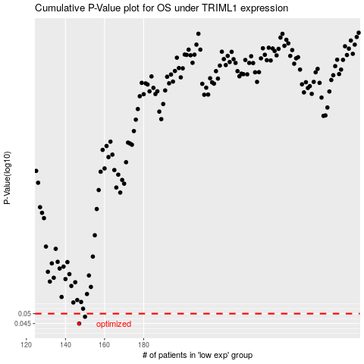

 |  |  |  |  |  | cases_OS | p_OS | rank | exp
 |  |  |  |  |  | 147 | 0.045 | 236 | -0.36296816643
 |  |  |  |  |  | 150 | 0.0484 | 163 | -0.36022954125
 |  |  |  |  |  |  | cases_RFS | p_RFS | rank | exp
 |  |  |  |  |  |  | 146 | 0.045 | 122 | -0.36344277595
 |  |  |  |  |  |  | 149 | 0.0484 | 22 | -0.36088373274

