TRIP10 _multivariate
Reported by Tex Li-Hsing Chi. tex@gate.sinica.edu.tw 2019-08-15

Table 2. The clinicopathological features of HNSCC cohort and TRIP10 expression. (Chi square test)
Cutoff at -0.509 (32.9%)
 |  | TRIP10 expression |  | TRIP10 expression |  | (Optimised)
 | Features | Low | (%) | High | (%) | Case no | P-value | Remark | Matthews
Gender | Female | 94 | 22.7 | 212 | 51.1 | 415 | 0.1696 | 0 | 0
2 | Male | 42 | 10.1 | 67 | 16.1
Age at diagnosis | <=65y | 91 | 21.9 | 183 | 44.1 | 415 | 0.8759 | 0 | 0
4 | >65y | 45 | 10.8 | 96 | 23.1
Clinical T Status | T1+T2 | 60 | 14.5 | 89 | 21.4 | 415 | 0.02 | 1 | 0
6 | T3+T4 | 76 | 18.3 | 190 | 45.8
Clinical N Status | N0 | 77 | 18.6 | 139 | 33.5 | 415 | 0.2316 | 0 | 0
8 | N1-3 | 59 | 14.2 | 140 | 33.7
Clinical M Status | M0 | 134 | 32.3 | 278 | 67 | 415 | 0.2512 | 0 | 0
10 | M1 | 2 | 0.5 | 1 | 0.2
Clinical Stage | Stage I+II | 46 | 11.1 | 56 | 13.5 | 415 | 0.0034 | 1 | 0
12 | Stage III+IV | 90 | 21.7 | 223 | 53.7
Surgical Margin status | Negative | 99 | 23.9 | 219 | 52.8 | 415 | 0.2172 | 0 | 0
14 | Positive | 37 | 8.9 | 60 | 14.5
Tobacco Exposure | Low | 50 | 12 | 111 | 26.7 | 415 | 0.5923 | 0 | 0
16 | High | 86 | 20.7 | 168 | 40.5

Table 3. Univariate/Multivariate Cox's proportional hazards regression analyses on OS time of TRIP10 gene expression in HNSCC

 |  | Univariate |  |  |  | Multivariate
 | Features | HR | CI95%(L) | CI95%(H) | P-value | HR | CI95%(L) | CI95%(H) | P-value
1 | Female | 1 |  |  |  | 1
Gender | Male | 1.157 | 0.843 | 1.587 | 0.367 | 1.2 | 0.861 | 1.672 | 0.282
11 | <=65y | 1 |  |  |  | 1
Age at diagnosis | >65y | 1.329 | 0.99 | 1.784 | 0.058 | 1.416 | 1.041 | 1.926 | 0.027
12 | T1+T2 | 1 |  |  |  | 1
Clinical T Status | T3+T4 | 1.409 | 1.028 | 1.931 | 0.033 | 2.226 | 1.178 | 4.207 | 0.014
13 | N0 | 1 |  |  |  | 1
Clinical N Status | N1-3 | 1.185 | 0.89 | 1.577 | 0.246 | 1.232 | 0.864 | 1.757 | 0.248
14 | M0 | 1 |  |  |  | 1
Clinical M Status | M1 | 4.097 | 1.009 | 16.644 | 0.049 | 7.41 | 1.604 | 34.237 | 0.01
15 | Stage I+II | 1 |  |  |  | 1
Clinical Stage | Stage III+IV | 1.245 | 0.882 | 1.759 | 0.213 | 0.566 | 0.263 | 1.217 | 0.145
16 | Negative | 1 |  |  |  | 1
Surgical Margin status | Positive | 1.591 | 1.155 | 2.191 | 0.004 | 1.582 | 1.141 | 2.192 | 0.006
17 | Low | 1 |  |  |  | 1
Tobacco Exposure | High | 1.364 | 1.008 | 1.844 | 0.044 | 1.477 | 1.071 | 2.036 | 0.018
18 | Low | 1 |  |  |  | 1
RNAseq(z-score) | High | 0.63 | 0.47 | 0.844 | 0.002 | 0.61 | 0.449 | 0.828 | 0.001

Table 4. Univariate/Multivariate Cox's proportional hazards regression analyses on RFS time of TRIP10 gene expression in HNSCC

 |  | Univariate |  |  |  | Multivariate
 | Features | HR | CI95%(L) | CI95%(H) | P-value | HR | CI95%(L) | CI95%(H) | P-value
1 | Female | 1 |  |  |  | 1
Gender | Male | 1.157 | 0.843 | 1.587 | 0.367 | 1.2 | 0.861 | 1.672 | 0.282
11 | <=65y | 1 |  |  |  | 1
Age at diagnosis | >65y | 1.329 | 0.99 | 1.784 | 0.058 | 1.416 | 1.041 | 1.926 | 0.027
12 | T1+T2 | 1 |  |  |  | 1
Clinical T Status | T3+T4 | 1.409 | 1.028 | 1.931 | 0.033 | 2.226 | 1.178 | 4.207 | 0.014
13 | N0 | 1 |  |  |  | 1
Clinical N Status | N1-3 | 1.185 | 0.89 | 1.577 | 0.246 | 1.232 | 0.864 | 1.757 | 0.248
14 | M0 | 1 |  |  |  | 1
Clinical M Status | M1 | 4.097 | 1.009 | 16.644 | 0.049 | 7.41 | 1.604 | 34.237 | 0.01
15 | Stage I+II | 1 |  |  |  | 1
Clinical Stage | Stage III+IV | 1.245 | 0.882 | 1.759 | 0.213 | 0.566 | 0.263 | 1.217 | 0.145
16 | Negative | 1 |  |  |  | 1
Surgical Margin status | Positive | 1.591 | 1.155 | 2.191 | 0.004 | 1.582 | 1.141 | 2.192 | 0.006
17 | Low | 1 |  |  |  | 1
Tobacco Exposure | High | 1.364 | 1.008 | 1.844 | 0.044 | 1.477 | 1.071 | 2.036 | 0.018
18 | Low | 1 |  |  |  | 1
RNAseq(z-score) | High | 0.63 | 0.47 | 0.844 | 0.002 | 0.61 | 0.449 | 0.828 | 0.001

Kaplan-Meier survival estimate: Cutoff at -0.509 (32.9%)

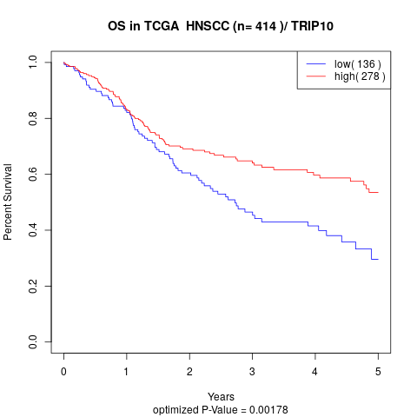

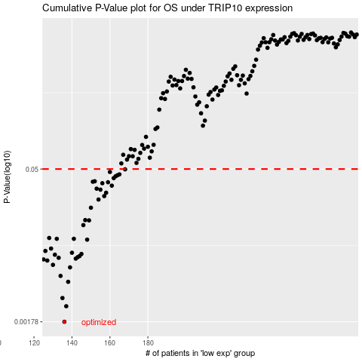

 |  |  |  |  |  | cases_OS | p_OS | rank | exp
 |  |  |  |  |  | 136 | 0.00178 | 139 | -0.50884567327
 |  |  |  |  |  | 137 | 0.0025 | 63 | -0.50759965154
 |  |  |  |  |  | 135 | 0.00299 | 370 | -0.51273145787
 |  |  |  |  |  | 138 | 0.00426 | 6 | -0.50376641769
 |  |  |  |  |  | 134 | 0.00485 | 155 | -0.51770476298
 |  |  |  |  |  | 139 | 0.00584 | 75 | -0.49903396314
 |  |  |  |  |  | 130 | 0.00617 | 311 | -0.52786734915
 |  |  |  |  |  | 127 | 0.00678 | 368 | -0.53081604935
 |  |  |  |  |  | 125 | 0.00695 | 367 | -0.53296485742
 |  |  |  |  |  | 142 | 0.00707 | 179 | -0.49721056226
 |  |  |  |  |  | 133 | 0.0072 | 204 | -0.52269733952
 |  |  |  |  |  | 143 | 0.0073 | 345 | -0.49479399154
 |  |  |  |  |  | 144 | 0.00747 | 391 | -0.49477064508
 |  |  |  |  |  | 131 | 0.0077 | 127 | -0.5275681749
 |  |  |  |  |  | 145 | 0.00783 | 26 | -0.49349915448
 |  |  |  |  |  | 140 | 0.00804 | 149 | -0.49861041593
 |  |  |  |  |  | 126 | 0.00836 | 87 | -0.53140531397
 |  |  |  |  |  | 129 | 0.00881 | 186 | -0.52929360555
 |  |  |  |  |  | 148 | 0.0107 | 35 | -0.49006518753
 |  |  |  |  |  | 132 | 0.0109 | 64 | -0.52708171959
 |  |  |  |  |  | 141 | 0.0109 | 85 | -0.49824960702
 |  |  |  |  |  | 128 | 0.0111 | 76 | -0.53029054179
 |  |  |  |  |  | 146 | 0.0147 | 393 | -0.49130034254
 |  |  |  |  |  | 149 | 0.0163 | 262 | -0.4841798424
 |  |  |  |  |  | 147 | 0.0164 | 297 | -0.49031223551
 |  |  |  |  |  | 150 | 0.0215 | 175 | -0.47519060679
 |  |  |  |  |  | 154 | 0.0257 | 89 | -0.46812172355
 |  |  |  |  |  | 157 | 0.0277 | 144 | -0.45917807721
 |  |  |  |  |  | 158 | 0.0298 | 42 | -0.45889044884
 |  |  |  |  |  | 155 | 0.0319 | 104 | -0.46777602616
 |  |  |  |  |  | 153 | 0.0326 | 77 | -0.46814634345
 |  |  |  |  |  | 161 | 0.0348 | 178 | -0.45821059996
 |  |  |  |  |  | 156 | 0.0367 | 23 | -0.45948047752
 |  |  |  |  |  | 159 | 0.0375 | 402 | -0.45868516979
 |  |  |  |  |  | 151 | 0.0379 | 306 | -0.4734886924
 |  |  |  |  |  | 152 | 0.0383 | 273 | -0.47332017341
 |  |  |  |  |  | 162 | 0.041 | 94 | -0.45616791215
 |  |  |  |  |  | 163 | 0.0427 | 172 | -0.44809351815
 |  |  |  |  |  | 164 | 0.0437 | 13 | -0.44725805451
 |  |  |  |  |  | 165 | 0.0445 | 363 | -0.44468586902
 |  |  |  |  |  | 160 | 0.0469 | 308 | -0.45835738551
 |  |  |  |  |  | 168 | 0.0497 | 128 | -0.43864439976
 |  |  |  |  |  |  | cases_RFS | p_RFS | rank | exp
 |  |  |  |  |  |  | 135 | 0.00178 | 370 | -0.51273145787
 |  |  |  |  |  |  | 136 | 0.0025 | 139 | -0.50884567327
 |  |  |  |  |  |  | 134 | 0.00299 | 155 | -0.51770476298
 |  |  |  |  |  |  | 137 | 0.00426 | 63 | -0.50759965154
 |  |  |  |  |  |  | 133 | 0.00485 | 204 | -0.52269733952
 |  |  |  |  |  |  | 138 | 0.00584 | 6 | -0.50376641769
 |  |  |  |  |  |  | 129 | 0.00617 | 186 | -0.52929360555
 |  |  |  |  |  |  | 126 | 0.00678 | 87 | -0.53140531397
 |  |  |  |  |  |  |  | 0.00695 | 335 | -0.53872650877
 |  |  |  |  |  |  | 141 | 0.00707 | 85 | -0.49824960702
 |  |  |  |  |  |  | 132 | 0.0072 | 64 | -0.52708171959
 |  |  |  |  |  |  | 142 | 0.0073 | 179 | -0.49721056226
 |  |  |  |  |  |  | 143 | 0.00747 | 345 | -0.49479399154
 |  |  |  |  |  |  | 130 | 0.0077 | 311 | -0.52786734915
 |  |  |  |  |  |  | 144 | 0.00783 | 391 | -0.49477064508
 |  |  |  |  |  |  | 139 | 0.00804 | 75 | -0.49903396314
 |  |  |  |  |  |  | 125 | 0.00836 | 367 | -0.53296485742
 |  |  |  |  |  |  | 128 | 0.00881 | 76 | -0.53029054179
 |  |  |  |  |  |  | 147 | 0.0107 | 297 | -0.49031223551
 |  |  |  |  |  |  | 131 | 0.0109 | 127 | -0.5275681749
 |  |  |  |  |  |  | 140 | 0.0109 | 149 | -0.49861041593
 |  |  |  |  |  |  | 127 | 0.0111 | 368 | -0.53081604935
 |  |  |  |  |  |  | 145 | 0.0147 | 26 | -0.49349915448
 |  |  |  |  |  |  | 148 | 0.0163 | 35 | -0.49006518753
 |  |  |  |  |  |  | 146 | 0.0164 | 393 | -0.49130034254
 |  |  |  |  |  |  | 149 | 0.0215 | 262 | -0.4841798424
 |  |  |  |  |  |  | 153 | 0.0257 | 77 | -0.46814634345
 |  |  |  |  |  |  | 156 | 0.0277 | 23 | -0.45948047752
 |  |  |  |  |  |  | 157 | 0.0298 | 144 | -0.45917807721
 |  |  |  |  |  |  | 154 | 0.0319 | 89 | -0.46812172355
 |  |  |  |  |  |  | 152 | 0.0326 | 273 | -0.47332017341
 |  |  |  |  |  |  | 160 | 0.0348 | 308 | -0.45835738551
 |  |  |  |  |  |  | 155 | 0.0367 | 104 | -0.46777602616
 |  |  |  |  |  |  | 158 | 0.0375 | 42 | -0.45889044884
 |  |  |  |  |  |  | 150 | 0.0379 | 175 | -0.47519060679
 |  |  |  |  |  |  | 151 | 0.0383 | 306 | -0.4734886924
 |  |  |  |  |  |  | 161 | 0.041 | 178 | -0.45821059996
 |  |  |  |  |  |  | 162 | 0.0427 | 94 | -0.45616791215
 |  |  |  |  |  |  | 163 | 0.0437 | 172 | -0.44809351815
 |  |  |  |  |  |  | 164 | 0.0445 | 13 | -0.44725805451
 |  |  |  |  |  |  | 159 | 0.0469 | 402 | -0.45868516979
 |  |  |  |  |  |  | 167 | 0.0497 | 224 | -0.44013280018

