TRIP11 _multivariate
Reported by Tex Li-Hsing Chi. tex@gate.sinica.edu.tw 2019-08-15

Table 2. The clinicopathological features of HNSCC cohort and TRIP11 expression. (Chi square test)
Cutoff at -0.077 (49.8%)
 |  | TRIP11 expression |  | TRIP11 expression |  | (Optimised)
 | Features | Low | (%) | High | (%) | Case no | P-value | Remark | Matthews
Gender | Female | 161 | 38.8 | 145 | 34.9 | 415 | 0.0792 | 0 | 0
2 | Male | 46 | 11.1 | 63 | 15.2
Age at diagnosis | <=65y | 148 | 35.7 | 126 | 30.4 | 415 | 0.0248 | 1 | 0
4 | >65y | 59 | 14.2 | 82 | 19.8
Clinical T Status | T1+T2 | 66 | 15.9 | 83 | 20 | 415 | 0.1095 | 0 | 0
6 | T3+T4 | 141 | 34 | 125 | 30.1
Clinical N Status | N0 | 101 | 24.3 | 115 | 27.7 | 415 | 0.2201 | 0 | 0
8 | N1-3 | 106 | 25.5 | 93 | 22.4
Clinical M Status | M0 | 205 | 49.4 | 207 | 49.9 | 415 | 0.6232 | 0 | 0
10 | M1 | 2 | 0.5 | 1 | 0.2
Clinical Stage | Stage I+II | 42 | 10.1 | 60 | 14.5 | 415 | 0.0561 | 0 | 0
12 | Stage III+IV | 165 | 39.8 | 148 | 35.7
Surgical Margin status | Negative | 153 | 36.9 | 165 | 39.8 | 415 | 0.2036 | 0 | 0
14 | Positive | 54 | 13 | 43 | 10.4
Tobacco Exposure | Low | 75 | 18.1 | 86 | 20.7 | 415 | 0.3141 | 0 | 0
16 | High | 132 | 31.8 | 122 | 29.4

Table 3. Univariate/Multivariate Cox's proportional hazards regression analyses on OS time of TRIP11 gene expression in HNSCC

 |  | Univariate |  |  |  | Multivariate
 | Features | HR | CI95%(L) | CI95%(H) | P-value | HR | CI95%(L) | CI95%(H) | P-value
1 | Female | 1 |  |  |  | 1
Gender | Male | 1.157 | 0.843 | 1.587 | 0.367 | 1.196 | 0.856 | 1.67 | 0.295
11 | <=65y | 1 |  |  |  | 1
Age at diagnosis | >65y | 1.329 | 0.99 | 1.784 | 0.058 | 1.354 | 0.992 | 1.847 | 0.056
12 | T1+T2 | 1 |  |  |  | 1
Clinical T Status | T3+T4 | 1.409 | 1.028 | 1.931 | 0.033 | 2.22 | 1.174 | 4.199 | 0.014
13 | N0 | 1 |  |  |  | 1
Clinical N Status | N1-3 | 1.185 | 0.89 | 1.577 | 0.246 | 1.252 | 0.878 | 1.787 | 0.215
14 | M0 | 1 |  |  |  | 1
Clinical M Status | M1 | 4.097 | 1.009 | 16.644 | 0.049 | 9.539 | 2.081 | 43.733 | 0.004
15 | Stage I+II | 1 |  |  |  | 1
Clinical Stage | Stage III+IV | 1.245 | 0.882 | 1.759 | 0.213 | 0.509 | 0.237 | 1.094 | 0.084
16 | Negative | 1 |  |  |  | 1
Surgical Margin status | Positive | 1.591 | 1.155 | 2.191 | 0.004 | 1.692 | 1.223 | 2.34 | 0.001
17 | Low | 1 |  |  |  | 1
Tobacco Exposure | High | 1.364 | 1.008 | 1.844 | 0.044 | 1.462 | 1.061 | 2.016 | 0.02
18 | Low | 1 |  |  |  | 1
RNAseq(z-score) | High | 1.141 | 0.857 | 1.521 | 0.367 | 1.188 | 0.884 | 1.596 | 0.254

Table 4. Univariate/Multivariate Cox's proportional hazards regression analyses on RFS time of TRIP11 gene expression in HNSCC

 |  | Univariate |  |  |  | Multivariate
 | Features | HR | CI95%(L) | CI95%(H) | P-value | HR | CI95%(L) | CI95%(H) | P-value
1 | Female | 1 |  |  |  | 1
Gender | Male | 1.157 | 0.843 | 1.587 | 0.367 | 1.196 | 0.856 | 1.67 | 0.295
11 | <=65y | 1 |  |  |  | 1
Age at diagnosis | >65y | 1.329 | 0.99 | 1.784 | 0.058 | 1.354 | 0.992 | 1.847 | 0.056
12 | T1+T2 | 1 |  |  |  | 1
Clinical T Status | T3+T4 | 1.409 | 1.028 | 1.931 | 0.033 | 2.22 | 1.174 | 4.199 | 0.014
13 | N0 | 1 |  |  |  | 1
Clinical N Status | N1-3 | 1.185 | 0.89 | 1.577 | 0.246 | 1.252 | 0.878 | 1.787 | 0.215
14 | M0 | 1 |  |  |  | 1
Clinical M Status | M1 | 4.097 | 1.009 | 16.644 | 0.049 | 9.539 | 2.081 | 43.733 | 0.004
15 | Stage I+II | 1 |  |  |  | 1
Clinical Stage | Stage III+IV | 1.245 | 0.882 | 1.759 | 0.213 | 0.509 | 0.237 | 1.094 | 0.084
16 | Negative | 1 |  |  |  | 1
Surgical Margin status | Positive | 1.591 | 1.155 | 2.191 | 0.004 | 1.692 | 1.223 | 2.34 | 0.001
17 | Low | 1 |  |  |  | 1
Tobacco Exposure | High | 1.364 | 1.008 | 1.844 | 0.044 | 1.462 | 1.061 | 2.016 | 0.02
18 | Low | 1 |  |  |  | 1
RNAseq(z-score) | High | 1.141 | 0.857 | 1.521 | 0.367 | 1.188 | 0.884 | 1.596 | 0.254

Kaplan-Meier survival estimate: Cutoff at -0.077 (49.8%)



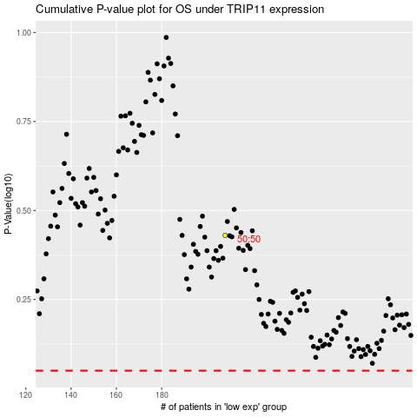

 |  |  |  |  |  | cases_OS | p_OS | rank | exp
 |  |  |  |  |  |  | cases_RFS | p_RFS | rank | exp

