TRIP13 _multivariate
Reported by Tex Li-Hsing Chi. tex@gate.sinica.edu.tw 2019-08-15

Table 2. The clinicopathological features of HNSCC cohort and TRIP13 expression. (Chi square test)
Cutoff at -0.458 (31.6%)
 |  | TRIP13 expression |  | TRIP13 expression |  | (Optimised)
 | Features | Low | (%) | High | (%) | Case no | P-value | Remark | Matthews
Gender | Female | 91 | 21.9 | 215 | 51.8 | 415 | 0.1626 | 0 | 0
2 | Male | 41 | 9.9 | 68 | 16.4
Age at diagnosis | <=65y | 79 | 19 | 195 | 47 | 415 | 0.0886 | 0 | 0
4 | >65y | 53 | 12.8 | 88 | 21.2
Clinical T Status | T1+T2 | 54 | 13 | 95 | 22.9 | 415 | 0.1796 | 0 | 0
6 | T3+T4 | 78 | 18.8 | 188 | 45.3
Clinical N Status | N0 | 80 | 19.3 | 136 | 32.8 | 415 | 0.0227 | 1 | 0
8 | N1-3 | 52 | 12.5 | 147 | 35.4
Clinical M Status | M0 | 132 | 31.8 | 280 | 67.5 | 415 | 0.5546 | 0 | 0
10 | M1 | 0 | 0 | 3 | 0.7
Clinical Stage | Stage I+II | 38 | 9.2 | 64 | 15.4 | 415 | 0.2158 | 0 | 0
12 | Stage III+IV | 94 | 22.7 | 219 | 52.8
Surgical Margin status | Negative | 101 | 24.3 | 217 | 52.3 | 415 | 1 | 0 | 0
14 | Positive | 31 | 7.5 | 66 | 15.9
Tobacco Exposure | Low | 64 | 15.4 | 97 | 23.4 | 415 | 0.0068 | 1 | 0
16 | High | 68 | 16.4 | 186 | 44.8

Table 3. Univariate/Multivariate Cox's proportional hazards regression analyses on OS time of TRIP13 gene expression in HNSCC

 |  | Univariate |  |  |  | Multivariate
 | Features | HR | CI95%(L) | CI95%(H) | P-value | HR | CI95%(L) | CI95%(H) | P-value
1 | Female | 1 |  |  |  | 1
Gender | Male | 1.157 | 0.843 | 1.587 | 0.367 | 1.221 | 0.873 | 1.707 | 0.244
11 | <=65y | 1 |  |  |  | 1
Age at diagnosis | >65y | 1.329 | 0.99 | 1.784 | 0.058 | 1.456 | 1.069 | 1.984 | 0.017
12 | T1+T2 | 1 |  |  |  | 1
Clinical T Status | T3+T4 | 1.409 | 1.028 | 1.931 | 0.033 | 2.102 | 1.112 | 3.976 | 0.022
13 | N0 | 1 |  |  |  | 1
Clinical N Status | N1-3 | 1.185 | 0.89 | 1.577 | 0.246 | 1.174 | 0.82 | 1.679 | 0.381
14 | M0 | 1 |  |  |  | 1
Clinical M Status | M1 | 4.097 | 1.009 | 16.644 | 0.049 | 8.382 | 1.823 | 38.528 | 0.006
15 | Stage I+II | 1 |  |  |  | 1
Clinical Stage | Stage III+IV | 1.245 | 0.882 | 1.759 | 0.213 | 0.534 | 0.249 | 1.148 | 0.108
16 | Negative | 1 |  |  |  | 1
Surgical Margin status | Positive | 1.591 | 1.155 | 2.191 | 0.004 | 1.633 | 1.182 | 2.255 | 0.003
17 | Low | 1 |  |  |  | 1
Tobacco Exposure | High | 1.364 | 1.008 | 1.844 | 0.044 | 1.402 | 1.018 | 1.932 | 0.039
18 | Low | 1 |  |  |  | 1
RNAseq(z-score) | High | 1.534 | 1.104 | 2.132 | 0.011 | 1.467 | 1.043 | 2.064 | 0.028

Table 4. Univariate/Multivariate Cox's proportional hazards regression analyses on RFS time of TRIP13 gene expression in HNSCC

 |  | Univariate |  |  |  | Multivariate
 | Features | HR | CI95%(L) | CI95%(H) | P-value | HR | CI95%(L) | CI95%(H) | P-value
1 | Female | 1 |  |  |  | 1
Gender | Male | 1.157 | 0.843 | 1.587 | 0.367 | 1.221 | 0.873 | 1.707 | 0.244
11 | <=65y | 1 |  |  |  | 1
Age at diagnosis | >65y | 1.329 | 0.99 | 1.784 | 0.058 | 1.456 | 1.069 | 1.984 | 0.017
12 | T1+T2 | 1 |  |  |  | 1
Clinical T Status | T3+T4 | 1.409 | 1.028 | 1.931 | 0.033 | 2.102 | 1.112 | 3.976 | 0.022
13 | N0 | 1 |  |  |  | 1
Clinical N Status | N1-3 | 1.185 | 0.89 | 1.577 | 0.246 | 1.174 | 0.82 | 1.679 | 0.381
14 | M0 | 1 |  |  |  | 1
Clinical M Status | M1 | 4.097 | 1.009 | 16.644 | 0.049 | 8.382 | 1.823 | 38.528 | 0.006
15 | Stage I+II | 1 |  |  |  | 1
Clinical Stage | Stage III+IV | 1.245 | 0.882 | 1.759 | 0.213 | 0.534 | 0.249 | 1.148 | 0.108
16 | Negative | 1 |  |  |  | 1
Surgical Margin status | Positive | 1.591 | 1.155 | 2.191 | 0.004 | 1.633 | 1.182 | 2.255 | 0.003
17 | Low | 1 |  |  |  | 1
Tobacco Exposure | High | 1.364 | 1.008 | 1.844 | 0.044 | 1.402 | 1.018 | 1.932 | 0.039
18 | Low | 1 |  |  |  | 1
RNAseq(z-score) | High | 1.534 | 1.104 | 2.132 | 0.011 | 1.467 | 1.043 | 2.064 | 0.028

Kaplan-Meier survival estimate: Cutoff at -0.458 (31.6%)

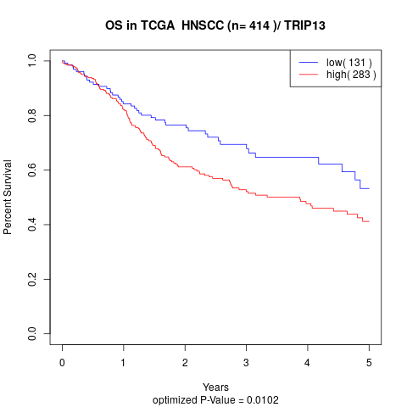

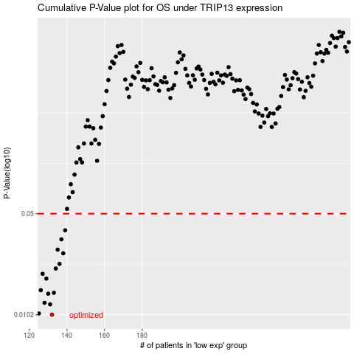

 |  |  |  |  |  | cases_OS | p_OS | rank | exp
 |  |  |  |  |  | 132 | 0.0102 | 23 | -0.45793950511
 |  |  |  |  |  | 125 | 0.0104 | 308 | -0.47449213672
 |  |  |  |  |  | 131 | 0.012 | 53 | -0.45796100496
 |  |  |  |  |  | 128 | 0.0123 | 79 | -0.46229516982
 |  |  |  |  |  | 130 | 0.0142 | 96 | -0.45918670113
 |  |  |  |  |  | 133 | 0.0144 | 276 | -0.4472639085
 |  |  |  |  |  | 126 | 0.015 | 405 | -0.47203275872
 |  |  |  |  |  | 129 | 0.018 | 128 | -0.45946783726
 |  |  |  |  |  | 127 | 0.0194 | 232 | -0.46517471631
 |  |  |  |  |  | 134 | 0.0211 | 125 | -0.44651468994
 |  |  |  |  |  | 136 | 0.0227 | 297 | -0.43692841904
 |  |  |  |  |  | 138 | 0.0268 | 124 | -0.43069202941
 |  |  |  |  |  | 135 | 0.0284 | 6 | -0.43891746224
 |  |  |  |  |  | 137 | 0.0334 | 132 | -0.43686371473
 |  |  |  |  |  | 139 | 0.0385 | 21 | -0.42925542996
 |  |  |  |  |  |  | cases_RFS | p_RFS | rank | exp
 |  |  |  |  |  |  | 131 | 0.0102 | 53 | -0.45796100496
 |  |  |  |  |  |  |  | 0.0104 | 383 | -0.47994613659
 |  |  |  |  |  |  | 130 | 0.012 | 96 | -0.45918670113
 |  |  |  |  |  |  | 127 | 0.0123 | 232 | -0.46517471631
 |  |  |  |  |  |  | 129 | 0.0142 | 128 | -0.45946783726
 |  |  |  |  |  |  | 132 | 0.0144 | 23 | -0.45793950511
 |  |  |  |  |  |  | 125 | 0.015 | 308 | -0.47449213672
 |  |  |  |  |  |  | 128 | 0.018 | 79 | -0.46229516982
 |  |  |  |  |  |  | 126 | 0.0194 | 405 | -0.47203275872
 |  |  |  |  |  |  | 133 | 0.0211 | 276 | -0.4472639085
 |  |  |  |  |  |  | 135 | 0.0227 | 6 | -0.43891746224
 |  |  |  |  |  |  | 137 | 0.0268 | 132 | -0.43686371473
 |  |  |  |  |  |  | 134 | 0.0284 | 125 | -0.44651468994
 |  |  |  |  |  |  | 136 | 0.0334 | 297 | -0.43692841904
 |  |  |  |  |  |  | 138 | 0.0385 | 124 | -0.43069202941

