TRIP4 _multivariate
Reported by Tex Li-Hsing Chi. tex@gate.sinica.edu.tw 2019-08-15

Table 2. The clinicopathological features of HNSCC cohort and TRIP4 expression. (Chi square test)
Cutoff at -0.129 (50.0%)
 |  | TRIP4 expression |  | TRIP4 expression |  | (Optimised)
 | Features | Low | (%) | High | (%) | Case no | P-value | Remark | Matthews
Gender | Female | 161 | 38.8 | 145 | 34.9 | 415 | 0.0792 | 0 | 0
2 | Male | 46 | 11.1 | 63 | 15.2
Age at diagnosis | <=65y | 145 | 34.9 | 129 | 31.1 | 415 | 0.1046 | 0 | 0
4 | >65y | 62 | 14.9 | 79 | 19
Clinical T Status | T1+T2 | 73 | 17.6 | 76 | 18.3 | 415 | 0.8666 | 0 | 0
6 | T3+T4 | 134 | 32.3 | 132 | 31.8
Clinical N Status | N0 | 92 | 22.2 | 124 | 29.9 | 415 | 0.0027 | 1 | 0
8 | N1-3 | 115 | 27.7 | 84 | 20.2
Clinical M Status | M0 | 207 | 49.9 | 205 | 49.4 | 415 | 0.2482 | 0 | 0
10 | M1 | 0 | 0 | 3 | 0.7
Clinical Stage | Stage I+II | 46 | 11.1 | 56 | 13.5 | 415 | 0.3182 | 0 | 0
12 | Stage III+IV | 161 | 38.8 | 152 | 36.6
Surgical Margin status | Negative | 165 | 39.8 | 153 | 36.9 | 415 | 0.1639 | 0 | 0
14 | Positive | 42 | 10.1 | 55 | 13.3
Tobacco Exposure | Low | 65 | 15.7 | 96 | 23.1 | 415 | 0.0025 | 1 | 0
16 | High | 142 | 34.2 | 112 | 27

Table 3. Univariate/Multivariate Cox's proportional hazards regression analyses on OS time of TRIP4 gene expression in HNSCC

 |  | Univariate |  |  |  | Multivariate
 | Features | HR | CI95%(L) | CI95%(H) | P-value | HR | CI95%(L) | CI95%(H) | P-value
1 | Female | 1 |  |  |  | 1
Gender | Male | 1.157 | 0.843 | 1.587 | 0.367 | 1.203 | 0.86 | 1.682 | 0.281
11 | <=65y | 1 |  |  |  | 1
Age at diagnosis | >65y | 1.329 | 0.99 | 1.784 | 0.058 | 1.392 | 1.024 | 1.892 | 0.035
12 | T1+T2 | 1 |  |  |  | 1
Clinical T Status | T3+T4 | 1.409 | 1.028 | 1.931 | 0.033 | 2.204 | 1.165 | 4.17 | 0.015
13 | N0 | 1 |  |  |  | 1
Clinical N Status | N1-3 | 1.185 | 0.89 | 1.577 | 0.246 | 1.239 | 0.862 | 1.78 | 0.247
14 | M0 | 1 |  |  |  | 1
Clinical M Status | M1 | 4.097 | 1.009 | 16.644 | 0.049 | 9.458 | 2.03 | 44.07 | 0.004
15 | Stage I+II | 1 |  |  |  | 1
Clinical Stage | Stage III+IV | 1.245 | 0.882 | 1.759 | 0.213 | 0.504 | 0.235 | 1.083 | 0.079
16 | Negative | 1 |  |  |  | 1
Surgical Margin status | Positive | 1.591 | 1.155 | 2.191 | 0.004 | 1.673 | 1.208 | 2.318 | 0.002
17 | Low | 1 |  |  |  | 1
Tobacco Exposure | High | 1.364 | 1.008 | 1.844 | 0.044 | 1.452 | 1.051 | 2.005 | 0.024
18 | Low | 1 |  |  |  | 1
RNAseq(z-score) | High | 1.017 | 0.763 | 1.354 | 0.909 | 0.993 | 0.731 | 1.348 | 0.962

Table 4. Univariate/Multivariate Cox's proportional hazards regression analyses on RFS time of TRIP4 gene expression in HNSCC

 |  | Univariate |  |  |  | Multivariate
 | Features | HR | CI95%(L) | CI95%(H) | P-value | HR | CI95%(L) | CI95%(H) | P-value
1 | Female | 1 |  |  |  | 1
Gender | Male | 1.157 | 0.843 | 1.587 | 0.367 | 1.203 | 0.86 | 1.682 | 0.281
11 | <=65y | 1 |  |  |  | 1
Age at diagnosis | >65y | 1.329 | 0.99 | 1.784 | 0.058 | 1.392 | 1.024 | 1.892 | 0.035
12 | T1+T2 | 1 |  |  |  | 1
Clinical T Status | T3+T4 | 1.409 | 1.028 | 1.931 | 0.033 | 2.204 | 1.165 | 4.17 | 0.015
13 | N0 | 1 |  |  |  | 1
Clinical N Status | N1-3 | 1.185 | 0.89 | 1.577 | 0.246 | 1.239 | 0.862 | 1.78 | 0.247
14 | M0 | 1 |  |  |  | 1
Clinical M Status | M1 | 4.097 | 1.009 | 16.644 | 0.049 | 9.458 | 2.03 | 44.07 | 0.004
15 | Stage I+II | 1 |  |  |  | 1
Clinical Stage | Stage III+IV | 1.245 | 0.882 | 1.759 | 0.213 | 0.504 | 0.235 | 1.083 | 0.079
16 | Negative | 1 |  |  |  | 1
Surgical Margin status | Positive | 1.591 | 1.155 | 2.191 | 0.004 | 1.673 | 1.208 | 2.318 | 0.002
17 | Low | 1 |  |  |  | 1
Tobacco Exposure | High | 1.364 | 1.008 | 1.844 | 0.044 | 1.452 | 1.051 | 2.005 | 0.024
18 | Low | 1 |  |  |  | 1
RNAseq(z-score) | High | 1.017 | 0.763 | 1.354 | 0.909 | 0.993 | 0.731 | 1.348 | 0.962

Kaplan-Meier survival estimate: Cutoff at -0.129 (50.0%)



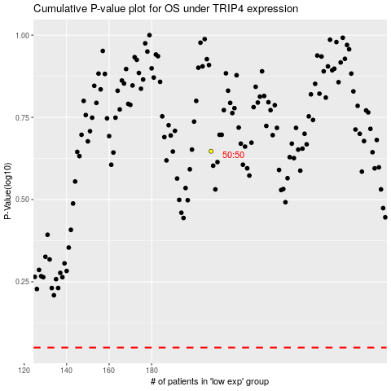

 |  |  |  |  |  | cases_OS | p_OS | rank | exp
 |  |  |  |  |  |  | cases_RFS | p_RFS | rank | exp

