TRIT1 _multivariate
Reported by Tex Li-Hsing Chi. tex@gate.sinica.edu.tw 2019-08-15

Table 2. The clinicopathological features of HNSCC cohort and TRIT1 expression. (Chi square test)
Cutoff at -0.157 (49.8%)
 |  | TRIT1 expression |  | TRIT1 expression |  | (Optimised)
 | Features | Low | (%) | High | (%) | Case no | P-value | Remark | Matthews
Gender | Female | 137 | 33 | 169 | 40.7 | 415 | 7e-04 | 1 | 0
2 | Male | 70 | 16.9 | 39 | 9.4
Age at diagnosis | <=65y | 123 | 29.6 | 151 | 36.4 | 415 | 0.0063 | 1 | 0
4 | >65y | 84 | 20.2 | 57 | 13.7
Clinical T Status | T1+T2 | 81 | 19.5 | 68 | 16.4 | 415 | 0.206 | 0 | 0
6 | T3+T4 | 126 | 30.4 | 140 | 33.7
Clinical N Status | N0 | 115 | 27.7 | 101 | 24.3 | 415 | 0.184 | 1 | 0
8 | N1-3 | 92 | 22.2 | 107 | 25.8
Clinical M Status | M0 | 207 | 49.9 | 205 | 49.4 | 415 | 0.2482 | 0 | 0
10 | M1 | 0 | 0 | 3 | 0.7
Clinical Stage | Stage I+II | 58 | 14 | 44 | 10.6 | 415 | 0.131 | 0 | 0
12 | Stage III+IV | 149 | 35.9 | 164 | 39.5
Surgical Margin status | Negative | 168 | 40.5 | 150 | 36.1 | 415 | 0.0366 | 1 | 0
14 | Positive | 39 | 9.4 | 58 | 14
Tobacco Exposure | Low | 98 | 23.6 | 63 | 15.2 | 415 | 4e-04 | 1 | 0
16 | High | 109 | 26.3 | 145 | 34.9

Table 3. Univariate/Multivariate Cox's proportional hazards regression analyses on OS time of TRIT1 gene expression in HNSCC

 |  | Univariate |  |  |  | Multivariate
 | Features | HR | CI95%(L) | CI95%(H) | P-value | HR | CI95%(L) | CI95%(H) | P-value
1 | Female | 1 |  |  |  | 1
Gender | Male | 1.157 | 0.843 | 1.587 | 0.367 | 1.184 | 0.847 | 1.657 | 0.323
11 | <=65y | 1 |  |  |  | 1
Age at diagnosis | >65y | 1.329 | 0.99 | 1.784 | 0.058 | 1.369 | 1.005 | 1.865 | 0.047
12 | T1+T2 | 1 |  |  |  | 1
Clinical T Status | T3+T4 | 1.409 | 1.028 | 1.931 | 0.033 | 2.227 | 1.177 | 4.214 | 0.014
13 | N0 | 1 |  |  |  | 1
Clinical N Status | N1-3 | 1.185 | 0.89 | 1.577 | 0.246 | 1.238 | 0.868 | 1.766 | 0.239
14 | M0 | 1 |  |  |  | 1
Clinical M Status | M1 | 4.097 | 1.009 | 16.644 | 0.049 | 10.206 | 2.205 | 47.248 | 0.003
15 | Stage I+II | 1 |  |  |  | 1
Clinical Stage | Stage III+IV | 1.245 | 0.882 | 1.759 | 0.213 | 0.504 | 0.235 | 1.082 | 0.079
16 | Negative | 1 |  |  |  | 1
Surgical Margin status | Positive | 1.591 | 1.155 | 2.191 | 0.004 | 1.697 | 1.226 | 2.348 | 0.001
17 | Low | 1 |  |  |  | 1
Tobacco Exposure | High | 1.364 | 1.008 | 1.844 | 0.044 | 1.498 | 1.08 | 2.077 | 0.016
18 | Low | 1 |  |  |  | 1
RNAseq(z-score) | High | 0.948 | 0.711 | 1.262 | 0.714 | 0.864 | 0.638 | 1.169 | 0.343

Table 4. Univariate/Multivariate Cox's proportional hazards regression analyses on RFS time of TRIT1 gene expression in HNSCC

 |  | Univariate |  |  |  | Multivariate
 | Features | HR | CI95%(L) | CI95%(H) | P-value | HR | CI95%(L) | CI95%(H) | P-value
1 | Female | 1 |  |  |  | 1
Gender | Male | 1.157 | 0.843 | 1.587 | 0.367 | 1.184 | 0.847 | 1.657 | 0.323
11 | <=65y | 1 |  |  |  | 1
Age at diagnosis | >65y | 1.329 | 0.99 | 1.784 | 0.058 | 1.369 | 1.005 | 1.865 | 0.047
12 | T1+T2 | 1 |  |  |  | 1
Clinical T Status | T3+T4 | 1.409 | 1.028 | 1.931 | 0.033 | 2.227 | 1.177 | 4.214 | 0.014
13 | N0 | 1 |  |  |  | 1
Clinical N Status | N1-3 | 1.185 | 0.89 | 1.577 | 0.246 | 1.238 | 0.868 | 1.766 | 0.239
14 | M0 | 1 |  |  |  | 1
Clinical M Status | M1 | 4.097 | 1.009 | 16.644 | 0.049 | 10.206 | 2.205 | 47.248 | 0.003
15 | Stage I+II | 1 |  |  |  | 1
Clinical Stage | Stage III+IV | 1.245 | 0.882 | 1.759 | 0.213 | 0.504 | 0.235 | 1.082 | 0.079
16 | Negative | 1 |  |  |  | 1
Surgical Margin status | Positive | 1.591 | 1.155 | 2.191 | 0.004 | 1.697 | 1.226 | 2.348 | 0.001
17 | Low | 1 |  |  |  | 1
Tobacco Exposure | High | 1.364 | 1.008 | 1.844 | 0.044 | 1.498 | 1.08 | 2.077 | 0.016
18 | Low | 1 |  |  |  | 1
RNAseq(z-score) | High | 0.948 | 0.711 | 1.262 | 0.714 | 0.864 | 0.638 | 1.169 | 0.343

Kaplan-Meier survival estimate: Cutoff at -0.157 (49.8%)



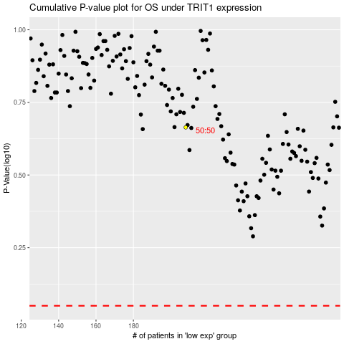

 |  |  |  |  |  | cases_OS | p_OS | rank | exp
 |  |  |  |  |  |  | cases_RFS | p_RFS | rank | exp

