TRMT1 _multivariate
Reported by Tex Li-Hsing Chi. tex@gate.sinica.edu.tw 2019-08-15

Table 2. The clinicopathological features of HNSCC cohort and TRMT1 expression. (Chi square test)
Cutoff at -0.186 (49.8%)
 |  | TRMT1 expression |  | TRMT1 expression |  | (Optimised)
 | Features | Low | (%) | High | (%) | Case no | P-value | Remark | Matthews
Gender | Female | 146 | 35.2 | 160 | 38.6 | 415 | 0.1714 | 0 | 0
2 | Male | 61 | 14.7 | 48 | 11.6
Age at diagnosis | <=65y | 136 | 32.8 | 138 | 33.3 | 415 | 0.9719 | 0 | 0
4 | >65y | 71 | 17.1 | 70 | 16.9
Clinical T Status | T1+T2 | 81 | 19.5 | 68 | 16.4 | 415 | 0.206 | 0 | 0
6 | T3+T4 | 126 | 30.4 | 140 | 33.7
Clinical N Status | N0 | 108 | 26 | 108 | 26 | 415 | 1 | 0 | 0
8 | N1-3 | 99 | 23.9 | 100 | 24.1
Clinical M Status | M0 | 207 | 49.9 | 205 | 49.4 | 415 | 0.2482 | 0 | 0
10 | M1 | 0 | 0 | 3 | 0.7
Clinical Stage | Stage I+II | 56 | 13.5 | 46 | 11.1 | 415 | 0.2918 | 0 | 0
12 | Stage III+IV | 151 | 36.4 | 162 | 39
Surgical Margin status | Negative | 160 | 38.6 | 158 | 38.1 | 415 | 0.8167 | 0 | 0
14 | Positive | 47 | 11.3 | 50 | 12
Tobacco Exposure | Low | 84 | 20.2 | 77 | 18.6 | 415 | 0.4816 | 0 | 0
16 | High | 123 | 29.6 | 131 | 31.6

Table 3. Univariate/Multivariate Cox's proportional hazards regression analyses on OS time of TRMT1 gene expression in HNSCC

 |  | Univariate |  |  |  | Multivariate
 | Features | HR | CI95%(L) | CI95%(H) | P-value | HR | CI95%(L) | CI95%(H) | P-value
1 | Female | 1 |  |  |  | 1
Gender | Male | 1.157 | 0.843 | 1.587 | 0.367 | 1.192 | 0.855 | 1.662 | 0.3
11 | <=65y | 1 |  |  |  | 1
Age at diagnosis | >65y | 1.329 | 0.99 | 1.784 | 0.058 | 1.39 | 1.023 | 1.889 | 0.035
12 | T1+T2 | 1 |  |  |  | 1
Clinical T Status | T3+T4 | 1.409 | 1.028 | 1.931 | 0.033 | 2.279 | 1.202 | 4.323 | 0.012
13 | N0 | 1 |  |  |  | 1
Clinical N Status | N1-3 | 1.185 | 0.89 | 1.577 | 0.246 | 1.244 | 0.872 | 1.774 | 0.228
14 | M0 | 1 |  |  |  | 1
Clinical M Status | M1 | 4.097 | 1.009 | 16.644 | 0.049 | 10.69 | 2.301 | 49.654 | 0.002
15 | Stage I+II | 1 |  |  |  | 1
Clinical Stage | Stage III+IV | 1.245 | 0.882 | 1.759 | 0.213 | 0.498 | 0.232 | 1.069 | 0.074
16 | Negative | 1 |  |  |  | 1
Surgical Margin status | Positive | 1.591 | 1.155 | 2.191 | 0.004 | 1.716 | 1.238 | 2.379 | 0.001
17 | Low | 1 |  |  |  | 1
Tobacco Exposure | High | 1.364 | 1.008 | 1.844 | 0.044 | 1.445 | 1.05 | 1.989 | 0.024
18 | Low | 1 |  |  |  | 1
RNAseq(z-score) | High | 0.918 | 0.689 | 1.224 | 0.561 | 0.823 | 0.614 | 1.103 | 0.193

Table 4. Univariate/Multivariate Cox's proportional hazards regression analyses on RFS time of TRMT1 gene expression in HNSCC

 |  | Univariate |  |  |  | Multivariate
 | Features | HR | CI95%(L) | CI95%(H) | P-value | HR | CI95%(L) | CI95%(H) | P-value
1 | Female | 1 |  |  |  | 1
Gender | Male | 1.157 | 0.843 | 1.587 | 0.367 | 1.192 | 0.855 | 1.662 | 0.3
11 | <=65y | 1 |  |  |  | 1
Age at diagnosis | >65y | 1.329 | 0.99 | 1.784 | 0.058 | 1.39 | 1.023 | 1.889 | 0.035
12 | T1+T2 | 1 |  |  |  | 1
Clinical T Status | T3+T4 | 1.409 | 1.028 | 1.931 | 0.033 | 2.279 | 1.202 | 4.323 | 0.012
13 | N0 | 1 |  |  |  | 1
Clinical N Status | N1-3 | 1.185 | 0.89 | 1.577 | 0.246 | 1.244 | 0.872 | 1.774 | 0.228
14 | M0 | 1 |  |  |  | 1
Clinical M Status | M1 | 4.097 | 1.009 | 16.644 | 0.049 | 10.69 | 2.301 | 49.654 | 0.002
15 | Stage I+II | 1 |  |  |  | 1
Clinical Stage | Stage III+IV | 1.245 | 0.882 | 1.759 | 0.213 | 0.498 | 0.232 | 1.069 | 0.074
16 | Negative | 1 |  |  |  | 1
Surgical Margin status | Positive | 1.591 | 1.155 | 2.191 | 0.004 | 1.716 | 1.238 | 2.379 | 0.001
17 | Low | 1 |  |  |  | 1
Tobacco Exposure | High | 1.364 | 1.008 | 1.844 | 0.044 | 1.445 | 1.05 | 1.989 | 0.024
18 | Low | 1 |  |  |  | 1
RNAseq(z-score) | High | 0.918 | 0.689 | 1.224 | 0.561 | 0.823 | 0.614 | 1.103 | 0.193

Kaplan-Meier survival estimate: Cutoff at -0.186 (49.8%)



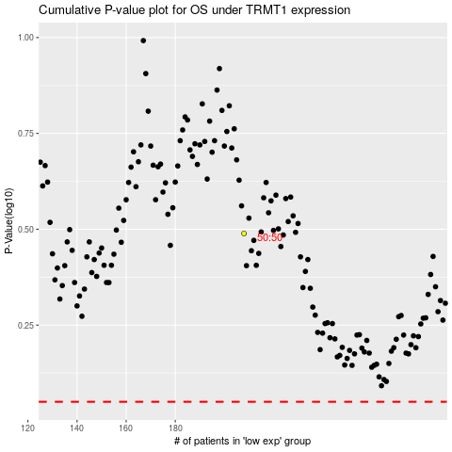

 |  |  |  |  |  | cases_OS | p_OS | rank | exp
 |  |  |  |  |  |  | cases_RFS | p_RFS | rank | exp

