TRMT5 _multivariate
Reported by Tex Li-Hsing Chi. tex@gate.sinica.edu.tw 2019-08-15

Table 2. The clinicopathological features of HNSCC cohort and TRMT5 expression. (Chi square test)
Cutoff at -0.138 (49.8%)
 |  | TRMT5 expression |  | TRMT5 expression |  | (Optimised)
 | Features | Low | (%) | High | (%) | Case no | P-value | Remark | Matthews
Gender | Female | 156 | 37.6 | 150 | 36.1 | 415 | 0.5222 | 0 | 0
2 | Male | 51 | 12.3 | 58 | 14
Age at diagnosis | <=65y | 133 | 32 | 141 | 34 | 415 | 0.5111 | 0 | 0
4 | >65y | 74 | 17.8 | 67 | 16.1
Clinical T Status | T1+T2 | 76 | 18.3 | 73 | 17.6 | 415 | 0.8092 | 0 | 0
6 | T3+T4 | 131 | 31.6 | 135 | 32.5
Clinical N Status | N0 | 109 | 26.3 | 107 | 25.8 | 415 | 0.8812 | 0 | 0
8 | N1-3 | 98 | 23.6 | 101 | 24.3
Clinical M Status | M0 | 207 | 49.9 | 205 | 49.4 | 415 | 0.2482 | 0 | 0
10 | M1 | 0 | 0 | 3 | 0.7
Clinical Stage | Stage I+II | 50 | 12 | 52 | 12.5 | 415 | 0.9315 | 0 | 0
12 | Stage III+IV | 157 | 37.8 | 156 | 37.6
Surgical Margin status | Negative | 159 | 38.3 | 159 | 38.3 | 415 | 1 | 0 | 0
14 | Positive | 48 | 11.6 | 49 | 11.8
Tobacco Exposure | Low | 85 | 20.5 | 76 | 18.3 | 415 | 0.3655 | 0 | 0
16 | High | 122 | 29.4 | 132 | 31.8

Table 3. Univariate/Multivariate Cox's proportional hazards regression analyses on OS time of TRMT5 gene expression in HNSCC

 |  | Univariate |  |  |  | Multivariate
 | Features | HR | CI95%(L) | CI95%(H) | P-value | HR | CI95%(L) | CI95%(H) | P-value
1 | Female | 1 |  |  |  | 1
Gender | Male | 1.157 | 0.843 | 1.587 | 0.367 | 1.183 | 0.844 | 1.657 | 0.329
11 | <=65y | 1 |  |  |  | 1
Age at diagnosis | >65y | 1.329 | 0.99 | 1.784 | 0.058 | 1.4 | 1.03 | 1.904 | 0.032
12 | T1+T2 | 1 |  |  |  | 1
Clinical T Status | T3+T4 | 1.409 | 1.028 | 1.931 | 0.033 | 2.183 | 1.154 | 4.127 | 0.016
13 | N0 | 1 |  |  |  | 1
Clinical N Status | N1-3 | 1.185 | 0.89 | 1.577 | 0.246 | 1.237 | 0.867 | 1.765 | 0.241
14 | M0 | 1 |  |  |  | 1
Clinical M Status | M1 | 4.097 | 1.009 | 16.644 | 0.049 | 8.695 | 1.881 | 40.206 | 0.006
15 | Stage I+II | 1 |  |  |  | 1
Clinical Stage | Stage III+IV | 1.245 | 0.882 | 1.759 | 0.213 | 0.512 | 0.238 | 1.099 | 0.086
16 | Negative | 1 |  |  |  | 1
Surgical Margin status | Positive | 1.591 | 1.155 | 2.191 | 0.004 | 1.661 | 1.202 | 2.295 | 0.002
17 | Low | 1 |  |  |  | 1
Tobacco Exposure | High | 1.364 | 1.008 | 1.844 | 0.044 | 1.445 | 1.048 | 1.991 | 0.025
18 | Low | 1 |  |  |  | 1
RNAseq(z-score) | High | 1.228 | 0.922 | 1.637 | 0.16 | 1.146 | 0.858 | 1.533 | 0.356

Table 4. Univariate/Multivariate Cox's proportional hazards regression analyses on RFS time of TRMT5 gene expression in HNSCC

 |  | Univariate |  |  |  | Multivariate
 | Features | HR | CI95%(L) | CI95%(H) | P-value | HR | CI95%(L) | CI95%(H) | P-value
1 | Female | 1 |  |  |  | 1
Gender | Male | 1.157 | 0.843 | 1.587 | 0.367 | 1.183 | 0.844 | 1.657 | 0.329
11 | <=65y | 1 |  |  |  | 1
Age at diagnosis | >65y | 1.329 | 0.99 | 1.784 | 0.058 | 1.4 | 1.03 | 1.904 | 0.032
12 | T1+T2 | 1 |  |  |  | 1
Clinical T Status | T3+T4 | 1.409 | 1.028 | 1.931 | 0.033 | 2.183 | 1.154 | 4.127 | 0.016
13 | N0 | 1 |  |  |  | 1
Clinical N Status | N1-3 | 1.185 | 0.89 | 1.577 | 0.246 | 1.237 | 0.867 | 1.765 | 0.241
14 | M0 | 1 |  |  |  | 1
Clinical M Status | M1 | 4.097 | 1.009 | 16.644 | 0.049 | 8.695 | 1.881 | 40.206 | 0.006
15 | Stage I+II | 1 |  |  |  | 1
Clinical Stage | Stage III+IV | 1.245 | 0.882 | 1.759 | 0.213 | 0.512 | 0.238 | 1.099 | 0.086
16 | Negative | 1 |  |  |  | 1
Surgical Margin status | Positive | 1.591 | 1.155 | 2.191 | 0.004 | 1.661 | 1.202 | 2.295 | 0.002
17 | Low | 1 |  |  |  | 1
Tobacco Exposure | High | 1.364 | 1.008 | 1.844 | 0.044 | 1.445 | 1.048 | 1.991 | 0.025
18 | Low | 1 |  |  |  | 1
RNAseq(z-score) | High | 1.228 | 0.922 | 1.637 | 0.16 | 1.146 | 0.858 | 1.533 | 0.356

Kaplan-Meier survival estimate: Cutoff at -0.138 (49.8%)



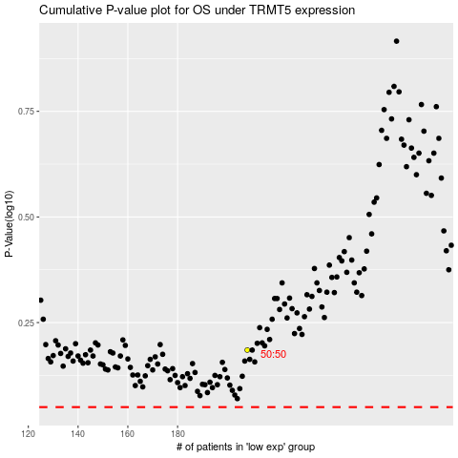

 |  |  |  |  |  | cases_OS | p_OS | rank | exp
 |  |  |  |  |  |  | cases_RFS | p_RFS | rank | exp

