TRMU _multivariate
Reported by Tex Li-Hsing Chi. tex@gate.sinica.edu.tw 2019-08-15

Table 2. The clinicopathological features of HNSCC cohort and TRMU expression. (Chi square test)
Cutoff at -0.232 (49.8%)
 |  | TRMU expression |  | TRMU expression |  | (Optimised)
 | Features | Low | (%) | High | (%) | Case no | P-value | Remark | Matthews
Gender | Female | 148 | 35.7 | 158 | 38.1 | 415 | 0.3567 | 0 | 0
2 | Male | 59 | 14.2 | 50 | 12
Age at diagnosis | <=65y | 131 | 31.6 | 143 | 34.5 | 415 | 0.2839 | 0 | 0
4 | >65y | 76 | 18.3 | 65 | 15.7
Clinical T Status | T1+T2 | 74 | 17.8 | 75 | 18.1 | 415 | 1 | 0 | 0
6 | T3+T4 | 133 | 32 | 133 | 32
Clinical N Status | N0 | 102 | 24.6 | 114 | 27.5 | 415 | 0.3031 | 0 | 0
8 | N1-3 | 105 | 25.3 | 94 | 22.7
Clinical M Status | M0 | 207 | 49.9 | 205 | 49.4 | 415 | 0.2482 | 0 | 0
10 | M1 | 0 | 0 | 3 | 0.7
Clinical Stage | Stage I+II | 52 | 12.5 | 50 | 12 | 415 | 0.8871 | 0 | 0
12 | Stage III+IV | 155 | 37.3 | 158 | 38.1
Surgical Margin status | Negative | 169 | 40.7 | 149 | 35.9 | 415 | 0.0201 | 1 | 0
14 | Positive | 38 | 9.2 | 59 | 14.2
Tobacco Exposure | Low | 86 | 20.7 | 75 | 18.1 | 415 | 0.2687 | 0 | 0
16 | High | 121 | 29.2 | 133 | 32

Table 3. Univariate/Multivariate Cox's proportional hazards regression analyses on OS time of TRMU gene expression in HNSCC

 |  | Univariate |  |  |  | Multivariate
 | Features | HR | CI95%(L) | CI95%(H) | P-value | HR | CI95%(L) | CI95%(H) | P-value
1 | Female | 1 |  |  |  | 1
Gender | Male | 1.157 | 0.843 | 1.587 | 0.367 | 1.221 | 0.874 | 1.704 | 0.241
11 | <=65y | 1 |  |  |  | 1
Age at diagnosis | >65y | 1.329 | 0.99 | 1.784 | 0.058 | 1.402 | 1.031 | 1.907 | 0.031
12 | T1+T2 | 1 |  |  |  | 1
Clinical T Status | T3+T4 | 1.409 | 1.028 | 1.931 | 0.033 | 2.234 | 1.181 | 4.225 | 0.013
13 | N0 | 1 |  |  |  | 1
Clinical N Status | N1-3 | 1.185 | 0.89 | 1.577 | 0.246 | 1.219 | 0.854 | 1.741 | 0.274
14 | M0 | 1 |  |  |  | 1
Clinical M Status | M1 | 4.097 | 1.009 | 16.644 | 0.049 | 11.54 | 2.485 | 53.593 | 0.002
15 | Stage I+II | 1 |  |  |  | 1
Clinical Stage | Stage III+IV | 1.245 | 0.882 | 1.759 | 0.213 | 0.501 | 0.233 | 1.076 | 0.076
16 | Negative | 1 |  |  |  | 1
Surgical Margin status | Positive | 1.591 | 1.155 | 2.191 | 0.004 | 1.776 | 1.278 | 2.469 | 0.001
17 | Low | 1 |  |  |  | 1
Tobacco Exposure | High | 1.364 | 1.008 | 1.844 | 0.044 | 1.492 | 1.083 | 2.058 | 0.015
18 | Low | 1 |  |  |  | 1
RNAseq(z-score) | High | 0.816 | 0.611 | 1.09 | 0.168 | 0.723 | 0.537 | 0.972 | 0.032

Table 4. Univariate/Multivariate Cox's proportional hazards regression analyses on RFS time of TRMU gene expression in HNSCC

 |  | Univariate |  |  |  | Multivariate
 | Features | HR | CI95%(L) | CI95%(H) | P-value | HR | CI95%(L) | CI95%(H) | P-value
1 | Female | 1 |  |  |  | 1
Gender | Male | 1.157 | 0.843 | 1.587 | 0.367 | 1.221 | 0.874 | 1.704 | 0.241
11 | <=65y | 1 |  |  |  | 1
Age at diagnosis | >65y | 1.329 | 0.99 | 1.784 | 0.058 | 1.402 | 1.031 | 1.907 | 0.031
12 | T1+T2 | 1 |  |  |  | 1
Clinical T Status | T3+T4 | 1.409 | 1.028 | 1.931 | 0.033 | 2.234 | 1.181 | 4.225 | 0.013
13 | N0 | 1 |  |  |  | 1
Clinical N Status | N1-3 | 1.185 | 0.89 | 1.577 | 0.246 | 1.219 | 0.854 | 1.741 | 0.274
14 | M0 | 1 |  |  |  | 1
Clinical M Status | M1 | 4.097 | 1.009 | 16.644 | 0.049 | 11.54 | 2.485 | 53.593 | 0.002
15 | Stage I+II | 1 |  |  |  | 1
Clinical Stage | Stage III+IV | 1.245 | 0.882 | 1.759 | 0.213 | 0.501 | 0.233 | 1.076 | 0.076
16 | Negative | 1 |  |  |  | 1
Surgical Margin status | Positive | 1.591 | 1.155 | 2.191 | 0.004 | 1.776 | 1.278 | 2.469 | 0.001
17 | Low | 1 |  |  |  | 1
Tobacco Exposure | High | 1.364 | 1.008 | 1.844 | 0.044 | 1.492 | 1.083 | 2.058 | 0.015
18 | Low | 1 |  |  |  | 1
RNAseq(z-score) | High | 0.816 | 0.611 | 1.09 | 0.168 | 0.723 | 0.537 | 0.972 | 0.032

Kaplan-Meier survival estimate: Cutoff at -0.232 (49.8%)



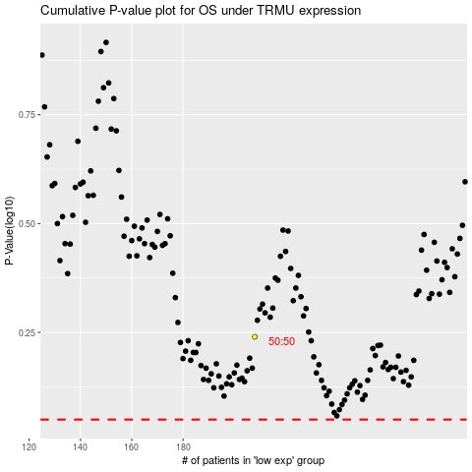

 |  |  |  |  |  | cases_OS | p_OS | rank | exp
 |  |  |  |  |  |  | cases_RFS | p_RFS | rank | exp

