TRNAU1AP _multivariate
Reported by Tex Li-Hsing Chi. tex@gate.sinica.edu.tw 2019-08-15

Table 2. The clinicopathological features of HNSCC cohort and TRNAU1AP expression. (Chi square test)
Cutoff at -0.194 (50.0%)
 |  | TRNAU1AP expression |  | TRNAU1AP expression |  | (Optimised)
 | Features | Low | (%) | High | (%) | Case no | P-value | Remark | Matthews
Gender | Female | 153 | 36.9 | 153 | 36.9 | 415 | 1 | 0 | 0
2 | Male | 54 | 13 | 55 | 13.3
Age at diagnosis | <=65y | 130 | 31.3 | 144 | 34.7 | 415 | 0.2009 | 0 | 0
4 | >65y | 77 | 18.6 | 64 | 15.4
Clinical T Status | T1+T2 | 65 | 15.7 | 84 | 20.2 | 415 | 0.0711 | 0 | 0
6 | T3+T4 | 142 | 34.2 | 124 | 29.9
Clinical N Status | N0 | 111 | 26.7 | 105 | 25.3 | 415 | 0.5875 | 0 | 0
8 | N1-3 | 96 | 23.1 | 103 | 24.8
Clinical M Status | M0 | 207 | 49.9 | 205 | 49.4 | 415 | 0.2482 | 0 | 0
10 | M1 | 0 | 0 | 3 | 0.7
Clinical Stage | Stage I+II | 47 | 11.3 | 55 | 13.3 | 415 | 0.4413 | 0 | 0
12 | Stage III+IV | 160 | 38.6 | 153 | 36.9
Surgical Margin status | Negative | 162 | 39 | 156 | 37.6 | 415 | 0.4867 | 0 | 0
14 | Positive | 45 | 10.8 | 52 | 12.5
Tobacco Exposure | Low | 71 | 17.1 | 90 | 21.7 | 415 | 0.0698 | 0 | 0
16 | High | 136 | 32.8 | 118 | 28.4

Table 3. Univariate/Multivariate Cox's proportional hazards regression analyses on OS time of TRNAU1AP gene expression in HNSCC

 |  | Univariate |  |  |  | Multivariate
 | Features | HR | CI95%(L) | CI95%(H) | P-value | HR | CI95%(L) | CI95%(H) | P-value
1 | Female | 1 |  |  |  | 1
Gender | Male | 1.157 | 0.843 | 1.587 | 0.367 | 1.196 | 0.856 | 1.672 | 0.294
11 | <=65y | 1 |  |  |  | 1
Age at diagnosis | >65y | 1.329 | 0.99 | 1.784 | 0.058 | 1.403 | 1.031 | 1.91 | 0.031
12 | T1+T2 | 1 |  |  |  | 1
Clinical T Status | T3+T4 | 1.409 | 1.028 | 1.931 | 0.033 | 2.233 | 1.179 | 4.23 | 0.014
13 | N0 | 1 |  |  |  | 1
Clinical N Status | N1-3 | 1.185 | 0.89 | 1.577 | 0.246 | 1.231 | 0.862 | 1.758 | 0.254
14 | M0 | 1 |  |  |  | 1
Clinical M Status | M1 | 4.097 | 1.009 | 16.644 | 0.049 | 9.113 | 1.982 | 41.911 | 0.005
15 | Stage I+II | 1 |  |  |  | 1
Clinical Stage | Stage III+IV | 1.245 | 0.882 | 1.759 | 0.213 | 0.503 | 0.234 | 1.079 | 0.078
16 | Negative | 1 |  |  |  | 1
Surgical Margin status | Positive | 1.591 | 1.155 | 2.191 | 0.004 | 1.662 | 1.202 | 2.298 | 0.002
17 | Low | 1 |  |  |  | 1
Tobacco Exposure | High | 1.364 | 1.008 | 1.844 | 0.044 | 1.458 | 1.058 | 2.01 | 0.021
18 | Low | 1 |  |  |  | 1
RNAseq(z-score) | High | 1.06 | 0.795 | 1.414 | 0.692 | 1.096 | 0.816 | 1.471 | 0.544

Table 4. Univariate/Multivariate Cox's proportional hazards regression analyses on RFS time of TRNAU1AP gene expression in HNSCC

 |  | Univariate |  |  |  | Multivariate
 | Features | HR | CI95%(L) | CI95%(H) | P-value | HR | CI95%(L) | CI95%(H) | P-value
1 | Female | 1 |  |  |  | 1
Gender | Male | 1.157 | 0.843 | 1.587 | 0.367 | 1.196 | 0.856 | 1.672 | 0.294
11 | <=65y | 1 |  |  |  | 1
Age at diagnosis | >65y | 1.329 | 0.99 | 1.784 | 0.058 | 1.403 | 1.031 | 1.91 | 0.031
12 | T1+T2 | 1 |  |  |  | 1
Clinical T Status | T3+T4 | 1.409 | 1.028 | 1.931 | 0.033 | 2.233 | 1.179 | 4.23 | 0.014
13 | N0 | 1 |  |  |  | 1
Clinical N Status | N1-3 | 1.185 | 0.89 | 1.577 | 0.246 | 1.231 | 0.862 | 1.758 | 0.254
14 | M0 | 1 |  |  |  | 1
Clinical M Status | M1 | 4.097 | 1.009 | 16.644 | 0.049 | 9.113 | 1.982 | 41.911 | 0.005
15 | Stage I+II | 1 |  |  |  | 1
Clinical Stage | Stage III+IV | 1.245 | 0.882 | 1.759 | 0.213 | 0.503 | 0.234 | 1.079 | 0.078
16 | Negative | 1 |  |  |  | 1
Surgical Margin status | Positive | 1.591 | 1.155 | 2.191 | 0.004 | 1.662 | 1.202 | 2.298 | 0.002
17 | Low | 1 |  |  |  | 1
Tobacco Exposure | High | 1.364 | 1.008 | 1.844 | 0.044 | 1.458 | 1.058 | 2.01 | 0.021
18 | Low | 1 |  |  |  | 1
RNAseq(z-score) | High | 1.06 | 0.795 | 1.414 | 0.692 | 1.096 | 0.816 | 1.471 | 0.544

Kaplan-Meier survival estimate: Cutoff at -0.194 (50.0%)



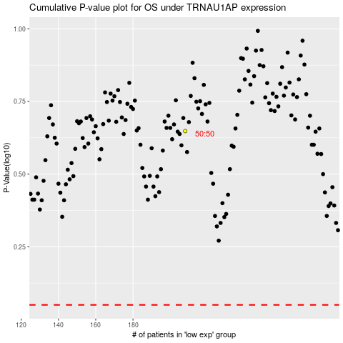

 |  |  |  |  |  | cases_OS | p_OS | rank | exp
 |  |  |  |  |  |  | cases_RFS | p_RFS | rank | exp

