TROAP _multivariate
Reported by Tex Li-Hsing Chi. tex@gate.sinica.edu.tw 2019-08-15

Table 2. The clinicopathological features of HNSCC cohort and TROAP expression. (Chi square test)
Cutoff at -0.154 (49.8%)
 |  | TROAP expression |  | TROAP expression |  | (Optimised)
 | Features | Low | (%) | High | (%) | Case no | P-value | Remark | Matthews
Gender | Female | 136 | 32.8 | 170 | 41 | 415 | 3e-04 | 1 | 0
2 | Male | 71 | 17.1 | 38 | 9.2
Age at diagnosis | <=65y | 137 | 33 | 137 | 33 | 415 | 1 | 0 | 0
4 | >65y | 70 | 16.9 | 71 | 17.1
Clinical T Status | T1+T2 | 75 | 18.1 | 74 | 17.8 | 415 | 0.9707 | 0 | 0
6 | T3+T4 | 132 | 31.8 | 134 | 32.3
Clinical N Status | N0 | 115 | 27.7 | 101 | 24.3 | 415 | 0.184 | 1 | 0
8 | N1-3 | 92 | 22.2 | 107 | 25.8
Clinical M Status | M0 | 207 | 49.9 | 205 | 49.4 | 415 | 0.2482 | 0 | 0
10 | M1 | 0 | 0 | 3 | 0.7
Clinical Stage | Stage I+II | 56 | 13.5 | 46 | 11.1 | 415 | 0.2918 | 0 | 0
12 | Stage III+IV | 151 | 36.4 | 162 | 39
Surgical Margin status | Negative | 163 | 39.3 | 155 | 37.3 | 415 | 0.3537 | 0 | 0
14 | Positive | 44 | 10.6 | 53 | 12.8
Tobacco Exposure | Low | 94 | 22.7 | 67 | 16.1 | 415 | 0.0065 | 1 | 0
16 | High | 113 | 27.2 | 141 | 34

Table 3. Univariate/Multivariate Cox's proportional hazards regression analyses on OS time of TROAP gene expression in HNSCC

 |  | Univariate |  |  |  | Multivariate
 | Features | HR | CI95%(L) | CI95%(H) | P-value | HR | CI95%(L) | CI95%(H) | P-value
1 | Female | 1 |  |  |  | 1
Gender | Male | 1.157 | 0.843 | 1.587 | 0.367 | 1.217 | 0.866 | 1.712 | 0.258
11 | <=65y | 1 |  |  |  | 1
Age at diagnosis | >65y | 1.329 | 0.99 | 1.784 | 0.058 | 1.384 | 1.017 | 1.884 | 0.039
12 | T1+T2 | 1 |  |  |  | 1
Clinical T Status | T3+T4 | 1.409 | 1.028 | 1.931 | 0.033 | 2.207 | 1.167 | 4.173 | 0.015
13 | N0 | 1 |  |  |  | 1
Clinical N Status | N1-3 | 1.185 | 0.89 | 1.577 | 0.246 | 1.236 | 0.865 | 1.764 | 0.244
14 | M0 | 1 |  |  |  | 1
Clinical M Status | M1 | 4.097 | 1.009 | 16.644 | 0.049 | 9.206 | 2.001 | 42.363 | 0.004
15 | Stage I+II | 1 |  |  |  | 1
Clinical Stage | Stage III+IV | 1.245 | 0.882 | 1.759 | 0.213 | 0.503 | 0.234 | 1.079 | 0.078
16 | Negative | 1 |  |  |  | 1
Surgical Margin status | Positive | 1.591 | 1.155 | 2.191 | 0.004 | 1.67 | 1.208 | 2.307 | 0.002
17 | Low | 1 |  |  |  | 1
Tobacco Exposure | High | 1.364 | 1.008 | 1.844 | 0.044 | 1.448 | 1.05 | 1.997 | 0.024
18 | Low | 1 |  |  |  | 1
RNAseq(z-score) | High | 1.108 | 0.832 | 1.477 | 0.482 | 1.06 | 0.787 | 1.428 | 0.701

Table 4. Univariate/Multivariate Cox's proportional hazards regression analyses on RFS time of TROAP gene expression in HNSCC

 |  | Univariate |  |  |  | Multivariate
 | Features | HR | CI95%(L) | CI95%(H) | P-value | HR | CI95%(L) | CI95%(H) | P-value
1 | Female | 1 |  |  |  | 1
Gender | Male | 1.157 | 0.843 | 1.587 | 0.367 | 1.217 | 0.866 | 1.712 | 0.258
11 | <=65y | 1 |  |  |  | 1
Age at diagnosis | >65y | 1.329 | 0.99 | 1.784 | 0.058 | 1.384 | 1.017 | 1.884 | 0.039
12 | T1+T2 | 1 |  |  |  | 1
Clinical T Status | T3+T4 | 1.409 | 1.028 | 1.931 | 0.033 | 2.207 | 1.167 | 4.173 | 0.015
13 | N0 | 1 |  |  |  | 1
Clinical N Status | N1-3 | 1.185 | 0.89 | 1.577 | 0.246 | 1.236 | 0.865 | 1.764 | 0.244
14 | M0 | 1 |  |  |  | 1
Clinical M Status | M1 | 4.097 | 1.009 | 16.644 | 0.049 | 9.206 | 2.001 | 42.363 | 0.004
15 | Stage I+II | 1 |  |  |  | 1
Clinical Stage | Stage III+IV | 1.245 | 0.882 | 1.759 | 0.213 | 0.503 | 0.234 | 1.079 | 0.078
16 | Negative | 1 |  |  |  | 1
Surgical Margin status | Positive | 1.591 | 1.155 | 2.191 | 0.004 | 1.67 | 1.208 | 2.307 | 0.002
17 | Low | 1 |  |  |  | 1
Tobacco Exposure | High | 1.364 | 1.008 | 1.844 | 0.044 | 1.448 | 1.05 | 1.997 | 0.024
18 | Low | 1 |  |  |  | 1
RNAseq(z-score) | High | 1.108 | 0.832 | 1.477 | 0.482 | 1.06 | 0.787 | 1.428 | 0.701

Kaplan-Meier survival estimate: Cutoff at -0.154 (49.8%)



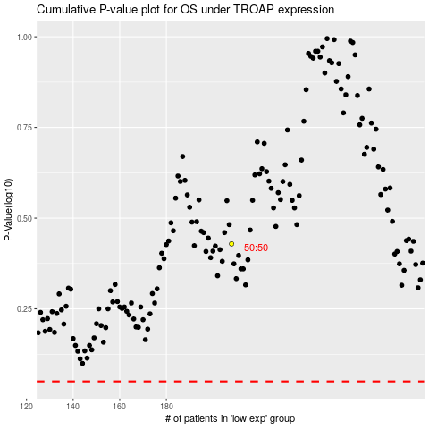

 |  |  |  |  |  | cases_OS | p_OS | rank | exp
 |  |  |  |  |  |  | cases_RFS | p_RFS | rank | exp

