TRPA1 _multivariate
Reported by Tex Li-Hsing Chi. tex@gate.sinica.edu.tw 2019-08-15

Table 2. The clinicopathological features of HNSCC cohort and TRPA1 expression. (Chi square test)
Cutoff at -0.17 (49.8%)
 |  | TRPA1 expression |  | TRPA1 expression |  | (Optimised)
 | Features | Low | (%) | High | (%) | Case no | P-value | Remark | Matthews
Gender | Female | 153 | 36.9 | 153 | 36.9 | 415 | 1 | 0 | 0
2 | Male | 54 | 13 | 55 | 13.3
Age at diagnosis | <=65y | 142 | 34.2 | 132 | 31.8 | 415 | 0.3167 | 0 | 0
4 | >65y | 65 | 15.7 | 76 | 18.3
Clinical T Status | T1+T2 | 81 | 19.5 | 68 | 16.4 | 415 | 0.206 | 0 | 0
6 | T3+T4 | 126 | 30.4 | 140 | 33.7
Clinical N Status | N0 | 104 | 25.1 | 112 | 27 | 415 | 0.5243 | 0 | 0
8 | N1-3 | 103 | 24.8 | 96 | 23.1
Clinical M Status | M0 | 207 | 49.9 | 205 | 49.4 | 415 | 0.2482 | 0 | 0
10 | M1 | 0 | 0 | 3 | 0.7
Clinical Stage | Stage I+II | 56 | 13.5 | 46 | 11.1 | 415 | 0.2918 | 0 | 0
12 | Stage III+IV | 151 | 36.4 | 162 | 39
Surgical Margin status | Negative | 155 | 37.3 | 163 | 39.3 | 415 | 0.4187 | 0 | 0
14 | Positive | 52 | 12.5 | 45 | 10.8
Tobacco Exposure | Low | 89 | 21.4 | 72 | 17.3 | 415 | 0.0872 | 0 | 0
16 | High | 118 | 28.4 | 136 | 32.8

Table 3. Univariate/Multivariate Cox's proportional hazards regression analyses on OS time of TRPA1 gene expression in HNSCC

 |  | Univariate |  |  |  | Multivariate
 | Features | HR | CI95%(L) | CI95%(H) | P-value | HR | CI95%(L) | CI95%(H) | P-value
1 | Female | 1 |  |  |  | 1
Gender | Male | 1.157 | 0.843 | 1.587 | 0.367 | 1.212 | 0.866 | 1.696 | 0.262
11 | <=65y | 1 |  |  |  | 1
Age at diagnosis | >65y | 1.329 | 0.99 | 1.784 | 0.058 | 1.393 | 1.025 | 1.893 | 0.034
12 | T1+T2 | 1 |  |  |  | 1
Clinical T Status | T3+T4 | 1.409 | 1.028 | 1.931 | 0.033 | 2.187 | 1.156 | 4.138 | 0.016
13 | N0 | 1 |  |  |  | 1
Clinical N Status | N1-3 | 1.185 | 0.89 | 1.577 | 0.246 | 1.231 | 0.861 | 1.758 | 0.255
14 | M0 | 1 |  |  |  | 1
Clinical M Status | M1 | 4.097 | 1.009 | 16.644 | 0.049 | 9.73 | 2.108 | 44.905 | 0.004
15 | Stage I+II | 1 |  |  |  | 1
Clinical Stage | Stage III+IV | 1.245 | 0.882 | 1.759 | 0.213 | 0.512 | 0.238 | 1.1 | 0.086
16 | Negative | 1 |  |  |  | 1
Surgical Margin status | Positive | 1.591 | 1.155 | 2.191 | 0.004 | 1.668 | 1.207 | 2.305 | 0.002
17 | Low | 1 |  |  |  | 1
Tobacco Exposure | High | 1.364 | 1.008 | 1.844 | 0.044 | 1.464 | 1.061 | 2.021 | 0.02
18 | Low | 1 |  |  |  | 1
RNAseq(z-score) | High | 0.99 | 0.743 | 1.321 | 0.948 | 0.933 | 0.696 | 1.25 | 0.64

Table 4. Univariate/Multivariate Cox's proportional hazards regression analyses on RFS time of TRPA1 gene expression in HNSCC

 |  | Univariate |  |  |  | Multivariate
 | Features | HR | CI95%(L) | CI95%(H) | P-value | HR | CI95%(L) | CI95%(H) | P-value
1 | Female | 1 |  |  |  | 1
Gender | Male | 1.157 | 0.843 | 1.587 | 0.367 | 1.212 | 0.866 | 1.696 | 0.262
11 | <=65y | 1 |  |  |  | 1
Age at diagnosis | >65y | 1.329 | 0.99 | 1.784 | 0.058 | 1.393 | 1.025 | 1.893 | 0.034
12 | T1+T2 | 1 |  |  |  | 1
Clinical T Status | T3+T4 | 1.409 | 1.028 | 1.931 | 0.033 | 2.187 | 1.156 | 4.138 | 0.016
13 | N0 | 1 |  |  |  | 1
Clinical N Status | N1-3 | 1.185 | 0.89 | 1.577 | 0.246 | 1.231 | 0.861 | 1.758 | 0.255
14 | M0 | 1 |  |  |  | 1
Clinical M Status | M1 | 4.097 | 1.009 | 16.644 | 0.049 | 9.73 | 2.108 | 44.905 | 0.004
15 | Stage I+II | 1 |  |  |  | 1
Clinical Stage | Stage III+IV | 1.245 | 0.882 | 1.759 | 0.213 | 0.512 | 0.238 | 1.1 | 0.086
16 | Negative | 1 |  |  |  | 1
Surgical Margin status | Positive | 1.591 | 1.155 | 2.191 | 0.004 | 1.668 | 1.207 | 2.305 | 0.002
17 | Low | 1 |  |  |  | 1
Tobacco Exposure | High | 1.364 | 1.008 | 1.844 | 0.044 | 1.464 | 1.061 | 2.021 | 0.02
18 | Low | 1 |  |  |  | 1
RNAseq(z-score) | High | 0.99 | 0.743 | 1.321 | 0.948 | 0.933 | 0.696 | 1.25 | 0.64

Kaplan-Meier survival estimate: Cutoff at -0.17 (49.8%)

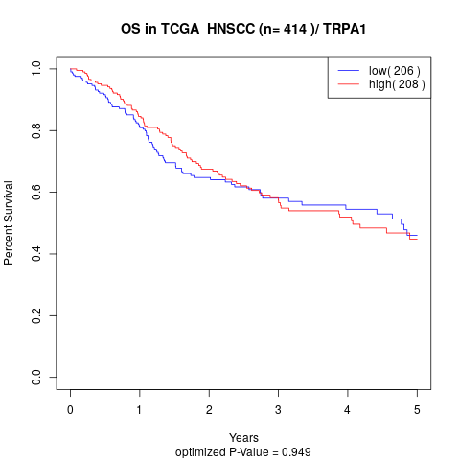

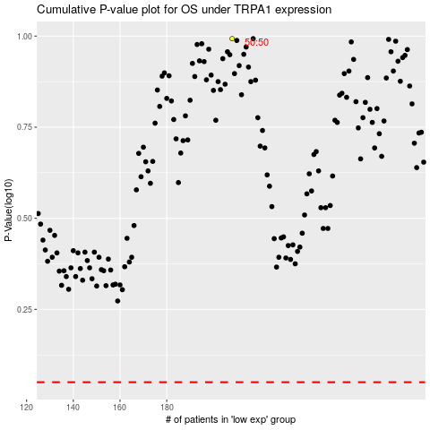

 |  |  |  |  |  | cases_OS | p_OS | rank | exp
 |  |  |  |  |  |  | cases_RFS | p_RFS | rank | exp

