TRPC1 _multivariate
Reported by Tex Li-Hsing Chi. tex@gate.sinica.edu.tw 2019-08-15

Table 2. The clinicopathological features of HNSCC cohort and TRPC1 expression. (Chi square test)
Cutoff at -0.085 (59.9%)
 |  | TRPC1 expression |  | TRPC1 expression |  | (Optimised)
 | Features | Low | (%) | High | (%) | Case no | P-value | Remark | Matthews
Gender | Female | 183 | 44.1 | 123 | 29.6 | 415 | 0.9818 | 0 | 0
2 | Male | 66 | 15.9 | 43 | 10.4
Age at diagnosis | <=65y | 170 | 41 | 104 | 25.1 | 415 | 0.2806 | 0 | 0
4 | >65y | 79 | 19 | 62 | 14.9
Clinical T Status | T1+T2 | 97 | 23.4 | 52 | 12.5 | 415 | 0.1381 | 0 | 0
6 | T3+T4 | 152 | 36.6 | 114 | 27.5
Clinical N Status | N0 | 127 | 30.6 | 89 | 21.4 | 415 | 0.6736 | 0 | 0
8 | N1-3 | 122 | 29.4 | 77 | 18.6
Clinical M Status | M0 | 246 | 59.3 | 166 | 40 | 415 | 0.2783 | 0 | 0
10 | M1 | 3 | 0.7 | 0 | 0
Clinical Stage | Stage I+II | 65 | 15.7 | 37 | 8.9 | 415 | 0.4425 | 0 | 0
12 | Stage III+IV | 184 | 44.3 | 129 | 31.1
Surgical Margin status | Negative | 193 | 46.5 | 125 | 30.1 | 415 | 0.6366 | 0 | 0
14 | Positive | 56 | 13.5 | 41 | 9.9
Tobacco Exposure | Low | 106 | 25.5 | 55 | 13.3 | 415 | 0.0641 | 0 | 0
16 | High | 143 | 34.5 | 111 | 26.7

Table 3. Univariate/Multivariate Cox's proportional hazards regression analyses on OS time of TRPC1 gene expression in HNSCC

 |  | Univariate |  |  |  | Multivariate
 | Features | HR | CI95%(L) | CI95%(H) | P-value | HR | CI95%(L) | CI95%(H) | P-value
1 | Female | 1 |  |  |  | 1
Gender | Male | 1.157 | 0.843 | 1.587 | 0.367 | 1.185 | 0.849 | 1.654 | 0.319
11 | <=65y | 1 |  |  |  | 1
Age at diagnosis | >65y | 1.329 | 0.99 | 1.784 | 0.058 | 1.357 | 0.997 | 1.846 | 0.052
12 | T1+T2 | 1 |  |  |  | 1
Clinical T Status | T3+T4 | 1.409 | 1.028 | 1.931 | 0.033 | 2.189 | 1.158 | 4.14 | 0.016
13 | N0 | 1 |  |  |  | 1
Clinical N Status | N1-3 | 1.185 | 0.89 | 1.577 | 0.246 | 1.253 | 0.878 | 1.789 | 0.214
14 | M0 | 1 |  |  |  | 1
Clinical M Status | M1 | 4.097 | 1.009 | 16.644 | 0.049 | 10.255 | 2.226 | 47.238 | 0.003
15 | Stage I+II | 1 |  |  |  | 1
Clinical Stage | Stage III+IV | 1.245 | 0.882 | 1.759 | 0.213 | 0.495 | 0.231 | 1.061 | 0.071
16 | Negative | 1 |  |  |  | 1
Surgical Margin status | Positive | 1.591 | 1.155 | 2.191 | 0.004 | 1.673 | 1.21 | 2.313 | 0.002
17 | Low | 1 |  |  |  | 1
Tobacco Exposure | High | 1.364 | 1.008 | 1.844 | 0.044 | 1.397 | 1.012 | 1.93 | 0.042
18 | Low | 1 |  |  |  | 1
RNAseq(z-score) | High | 1.345 | 1.003 | 1.802 | 0.047 | 1.266 | 0.938 | 1.71 | 0.124

Table 4. Univariate/Multivariate Cox's proportional hazards regression analyses on RFS time of TRPC1 gene expression in HNSCC

 |  | Univariate |  |  |  | Multivariate
 | Features | HR | CI95%(L) | CI95%(H) | P-value | HR | CI95%(L) | CI95%(H) | P-value
1 | Female | 1 |  |  |  | 1
Gender | Male | 1.157 | 0.843 | 1.587 | 0.367 | 1.185 | 0.849 | 1.654 | 0.319
11 | <=65y | 1 |  |  |  | 1
Age at diagnosis | >65y | 1.329 | 0.99 | 1.784 | 0.058 | 1.357 | 0.997 | 1.846 | 0.052
12 | T1+T2 | 1 |  |  |  | 1
Clinical T Status | T3+T4 | 1.409 | 1.028 | 1.931 | 0.033 | 2.189 | 1.158 | 4.14 | 0.016
13 | N0 | 1 |  |  |  | 1
Clinical N Status | N1-3 | 1.185 | 0.89 | 1.577 | 0.246 | 1.253 | 0.878 | 1.789 | 0.214
14 | M0 | 1 |  |  |  | 1
Clinical M Status | M1 | 4.097 | 1.009 | 16.644 | 0.049 | 10.255 | 2.226 | 47.238 | 0.003
15 | Stage I+II | 1 |  |  |  | 1
Clinical Stage | Stage III+IV | 1.245 | 0.882 | 1.759 | 0.213 | 0.495 | 0.231 | 1.061 | 0.071
16 | Negative | 1 |  |  |  | 1
Surgical Margin status | Positive | 1.591 | 1.155 | 2.191 | 0.004 | 1.673 | 1.21 | 2.313 | 0.002
17 | Low | 1 |  |  |  | 1
Tobacco Exposure | High | 1.364 | 1.008 | 1.844 | 0.044 | 1.397 | 1.012 | 1.93 | 0.042
18 | Low | 1 |  |  |  | 1
RNAseq(z-score) | High | 1.345 | 1.003 | 1.802 | 0.047 | 1.266 | 0.938 | 1.71 | 0.124

Kaplan-Meier survival estimate: Cutoff at -0.085 (59.9%)



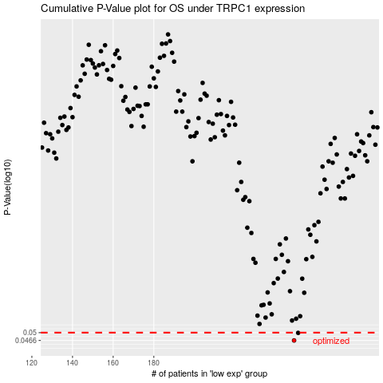

 |  |  |  |  |  | cases_OS | p_OS | rank | exp
 |  |  |  |  |  | 249 | 0.0466 | 249 | -0.084794027329
 |  |  |  |  |  | 251 | 0.0499 | 244 | -0.073452150878
 |  |  |  |  |  |  | cases_RFS | p_RFS | rank | exp
 |  |  |  |  |  |  | 248 | 0.0466 | 167 | -0.095586934883
 |  |  |  |  |  |  | 250 | 0.0499 | 309 | -0.079692196807

