TRPC4AP _multivariate
Reported by Tex Li-Hsing Chi. tex@gate.sinica.edu.tw 2019-08-15

Table 2. The clinicopathological features of HNSCC cohort and TRPC4AP expression. (Chi square test)
Cutoff at 0.012 (62.6%)
 |  | TRPC4AP expression |  | TRPC4AP expression |  | (Optimised)
 | Features | Low | (%) | High | (%) | Case no | P-value | Remark | Matthews
Gender | Female | 190 | 45.8 | 116 | 28 | 415 | 0.7801 | 0 | 0
2 | Male | 70 | 16.9 | 39 | 9.4
Age at diagnosis | <=65y | 170 | 41 | 104 | 25.1 | 415 | 0.8033 | 0 | 0
4 | >65y | 90 | 21.7 | 51 | 12.3
Clinical T Status | T1+T2 | 91 | 21.9 | 58 | 14 | 415 | 0.6956 | 0 | 0
6 | T3+T4 | 169 | 40.7 | 97 | 23.4
Clinical N Status | N0 | 134 | 32.3 | 82 | 19.8 | 415 | 0.8669 | 0 | 0
8 | N1-3 | 126 | 30.4 | 73 | 17.6
Clinical M Status | M0 | 258 | 62.2 | 154 | 37.1 | 415 | 1 | 0 | 0
10 | M1 | 2 | 0.5 | 1 | 0.2
Clinical Stage | Stage I+II | 58 | 14 | 44 | 10.6 | 415 | 0.2028 | 0 | 0
12 | Stage III+IV | 202 | 48.7 | 111 | 26.7
Surgical Margin status | Negative | 195 | 47 | 123 | 29.6 | 415 | 0.3389 | 0 | 0
14 | Positive | 65 | 15.7 | 32 | 7.7
Tobacco Exposure | Low | 95 | 22.9 | 66 | 15.9 | 415 | 0.2521 | 0 | 0
16 | High | 165 | 39.8 | 89 | 21.4

Table 3. Univariate/Multivariate Cox's proportional hazards regression analyses on OS time of TRPC4AP gene expression in HNSCC

 |  | Univariate |  |  |  | Multivariate
 | Features | HR | CI95%(L) | CI95%(H) | P-value | HR | CI95%(L) | CI95%(H) | P-value
1 | Female | 1 |  |  |  | 1
Gender | Male | 1.157 | 0.843 | 1.587 | 0.367 | 1.179 | 0.843 | 1.65 | 0.336
11 | <=65y | 1 |  |  |  | 1
Age at diagnosis | >65y | 1.329 | 0.99 | 1.784 | 0.058 | 1.395 | 1.026 | 1.895 | 0.034
12 | T1+T2 | 1 |  |  |  | 1
Clinical T Status | T3+T4 | 1.409 | 1.028 | 1.931 | 0.033 | 2.252 | 1.191 | 4.258 | 0.013
13 | N0 | 1 |  |  |  | 1
Clinical N Status | N1-3 | 1.185 | 0.89 | 1.577 | 0.246 | 1.27 | 0.888 | 1.817 | 0.191
14 | M0 | 1 |  |  |  | 1
Clinical M Status | M1 | 4.097 | 1.009 | 16.644 | 0.049 | 9.65 | 2.105 | 44.23 | 0.004
15 | Stage I+II | 1 |  |  |  | 1
Clinical Stage | Stage III+IV | 1.245 | 0.882 | 1.759 | 0.213 | 0.469 | 0.217 | 1.01 | 0.053
16 | Negative | 1 |  |  |  | 1
Surgical Margin status | Positive | 1.591 | 1.155 | 2.191 | 0.004 | 1.65 | 1.193 | 2.281 | 0.002
17 | Low | 1 |  |  |  | 1
Tobacco Exposure | High | 1.364 | 1.008 | 1.844 | 0.044 | 1.407 | 1.019 | 1.942 | 0.038
18 | Low | 1 |  |  |  | 1
RNAseq(z-score) | High | 0.722 | 0.532 | 0.981 | 0.037 | 0.745 | 0.546 | 1.016 | 0.063

Table 4. Univariate/Multivariate Cox's proportional hazards regression analyses on RFS time of TRPC4AP gene expression in HNSCC

 |  | Univariate |  |  |  | Multivariate
 | Features | HR | CI95%(L) | CI95%(H) | P-value | HR | CI95%(L) | CI95%(H) | P-value
1 | Female | 1 |  |  |  | 1
Gender | Male | 1.157 | 0.843 | 1.587 | 0.367 | 1.179 | 0.843 | 1.65 | 0.336
11 | <=65y | 1 |  |  |  | 1
Age at diagnosis | >65y | 1.329 | 0.99 | 1.784 | 0.058 | 1.395 | 1.026 | 1.895 | 0.034
12 | T1+T2 | 1 |  |  |  | 1
Clinical T Status | T3+T4 | 1.409 | 1.028 | 1.931 | 0.033 | 2.252 | 1.191 | 4.258 | 0.013
13 | N0 | 1 |  |  |  | 1
Clinical N Status | N1-3 | 1.185 | 0.89 | 1.577 | 0.246 | 1.27 | 0.888 | 1.817 | 0.191
14 | M0 | 1 |  |  |  | 1
Clinical M Status | M1 | 4.097 | 1.009 | 16.644 | 0.049 | 9.65 | 2.105 | 44.23 | 0.004
15 | Stage I+II | 1 |  |  |  | 1
Clinical Stage | Stage III+IV | 1.245 | 0.882 | 1.759 | 0.213 | 0.469 | 0.217 | 1.01 | 0.053
16 | Negative | 1 |  |  |  | 1
Surgical Margin status | Positive | 1.591 | 1.155 | 2.191 | 0.004 | 1.65 | 1.193 | 2.281 | 0.002
17 | Low | 1 |  |  |  | 1
Tobacco Exposure | High | 1.364 | 1.008 | 1.844 | 0.044 | 1.407 | 1.019 | 1.942 | 0.038
18 | Low | 1 |  |  |  | 1
RNAseq(z-score) | High | 0.722 | 0.532 | 0.981 | 0.037 | 0.745 | 0.546 | 1.016 | 0.063

Kaplan-Meier survival estimate: Cutoff at 0.012 (62.6%)



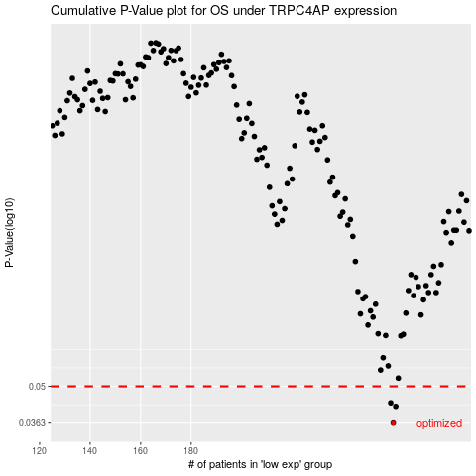

 |  |  |  |  |  | cases_OS | p_OS | rank | exp
 |  |  |  |  |  | 260 | 0.0363 | 187 | 0.012011731203
 |  |  |  |  |  | 261 | 0.042 | 255 | 0.012321738325
 |  |  |  |  |  | 259 | 0.0433 | 412 | 0.011199040566
 |  |  |  |  |  |  | cases_RFS | p_RFS | rank | exp
 |  |  |  |  |  |  | 259 | 0.0363 | 412 | 0.011199040566
 |  |  |  |  |  |  | 260 | 0.042 | 187 | 0.012011731203
 |  |  |  |  |  |  | 258 | 0.0433 | 289 | 0.010889886414

