TRPM2 _multivariate
Reported by Tex Li-Hsing Chi. tex@gate.sinica.edu.tw 2019-08-15

Table 2. The clinicopathological features of HNSCC cohort and TRPM2 expression. (Chi square test)
Cutoff at -0.197 (49.8%)
 |  | TRPM2 expression |  | TRPM2 expression |  | (Optimised)
 | Features | Low | (%) | High | (%) | Case no | P-value | Remark | Matthews
Gender | Female | 162 | 39 | 144 | 34.7 | 415 | 0.0479 | 1 | 0
2 | Male | 45 | 10.8 | 64 | 15.4
Age at diagnosis | <=65y | 150 | 36.1 | 124 | 29.9 | 415 | 0.0078 | 1 | 0
4 | >65y | 57 | 13.7 | 84 | 20.2
Clinical T Status | T1+T2 | 78 | 18.8 | 71 | 17.1 | 415 | 0.5152 | 0 | 0
6 | T3+T4 | 129 | 31.1 | 137 | 33
Clinical N Status | N0 | 109 | 26.3 | 107 | 25.8 | 415 | 0.8812 | 0 | 0
8 | N1-3 | 98 | 23.6 | 101 | 24.3
Clinical M Status | M0 | 205 | 49.4 | 207 | 49.9 | 415 | 0.6232 | 0 | 0
10 | M1 | 2 | 0.5 | 1 | 0.2
Clinical Stage | Stage I+II | 51 | 12.3 | 51 | 12.3 | 415 | 1 | 0 | 0
12 | Stage III+IV | 156 | 37.6 | 157 | 37.8
Surgical Margin status | Negative | 163 | 39.3 | 155 | 37.3 | 415 | 0.3537 | 0 | 0
14 | Positive | 44 | 10.6 | 53 | 12.8
Tobacco Exposure | Low | 84 | 20.2 | 77 | 18.6 | 415 | 0.4816 | 0 | 0
16 | High | 123 | 29.6 | 131 | 31.6

Table 3. Univariate/Multivariate Cox's proportional hazards regression analyses on OS time of TRPM2 gene expression in HNSCC

 |  | Univariate |  |  |  | Multivariate
 | Features | HR | CI95%(L) | CI95%(H) | P-value | HR | CI95%(L) | CI95%(H) | P-value
1 | Female | 1 |  |  |  | 1
Gender | Male | 1.157 | 0.843 | 1.587 | 0.367 | 1.21 | 0.866 | 1.69 | 0.265
11 | <=65y | 1 |  |  |  | 1
Age at diagnosis | >65y | 1.329 | 0.99 | 1.784 | 0.058 | 1.418 | 1.039 | 1.935 | 0.028
12 | T1+T2 | 1 |  |  |  | 1
Clinical T Status | T3+T4 | 1.409 | 1.028 | 1.931 | 0.033 | 2.24 | 1.182 | 4.242 | 0.013
13 | N0 | 1 |  |  |  | 1
Clinical N Status | N1-3 | 1.185 | 0.89 | 1.577 | 0.246 | 1.251 | 0.876 | 1.785 | 0.218
14 | M0 | 1 |  |  |  | 1
Clinical M Status | M1 | 4.097 | 1.009 | 16.644 | 0.049 | 9.478 | 2.067 | 43.459 | 0.004
15 | Stage I+II | 1 |  |  |  | 1
Clinical Stage | Stage III+IV | 1.245 | 0.882 | 1.759 | 0.213 | 0.493 | 0.229 | 1.061 | 0.07
16 | Negative | 1 |  |  |  | 1
Surgical Margin status | Positive | 1.591 | 1.155 | 2.191 | 0.004 | 1.693 | 1.223 | 2.343 | 0.002
17 | Low | 1 |  |  |  | 1
Tobacco Exposure | High | 1.364 | 1.008 | 1.844 | 0.044 | 1.458 | 1.058 | 2.009 | 0.021
18 | Low | 1 |  |  |  | 1
RNAseq(z-score) | High | 1.024 | 0.768 | 1.363 | 0.873 | 0.898 | 0.669 | 1.206 | 0.475

Table 4. Univariate/Multivariate Cox's proportional hazards regression analyses on RFS time of TRPM2 gene expression in HNSCC

 |  | Univariate |  |  |  | Multivariate
 | Features | HR | CI95%(L) | CI95%(H) | P-value | HR | CI95%(L) | CI95%(H) | P-value
1 | Female | 1 |  |  |  | 1
Gender | Male | 1.157 | 0.843 | 1.587 | 0.367 | 1.21 | 0.866 | 1.69 | 0.265
11 | <=65y | 1 |  |  |  | 1
Age at diagnosis | >65y | 1.329 | 0.99 | 1.784 | 0.058 | 1.418 | 1.039 | 1.935 | 0.028
12 | T1+T2 | 1 |  |  |  | 1
Clinical T Status | T3+T4 | 1.409 | 1.028 | 1.931 | 0.033 | 2.24 | 1.182 | 4.242 | 0.013
13 | N0 | 1 |  |  |  | 1
Clinical N Status | N1-3 | 1.185 | 0.89 | 1.577 | 0.246 | 1.251 | 0.876 | 1.785 | 0.218
14 | M0 | 1 |  |  |  | 1
Clinical M Status | M1 | 4.097 | 1.009 | 16.644 | 0.049 | 9.478 | 2.067 | 43.459 | 0.004
15 | Stage I+II | 1 |  |  |  | 1
Clinical Stage | Stage III+IV | 1.245 | 0.882 | 1.759 | 0.213 | 0.493 | 0.229 | 1.061 | 0.07
16 | Negative | 1 |  |  |  | 1
Surgical Margin status | Positive | 1.591 | 1.155 | 2.191 | 0.004 | 1.693 | 1.223 | 2.343 | 0.002
17 | Low | 1 |  |  |  | 1
Tobacco Exposure | High | 1.364 | 1.008 | 1.844 | 0.044 | 1.458 | 1.058 | 2.009 | 0.021
18 | Low | 1 |  |  |  | 1
RNAseq(z-score) | High | 1.024 | 0.768 | 1.363 | 0.873 | 0.898 | 0.669 | 1.206 | 0.475

Kaplan-Meier survival estimate: Cutoff at -0.197 (49.8%)



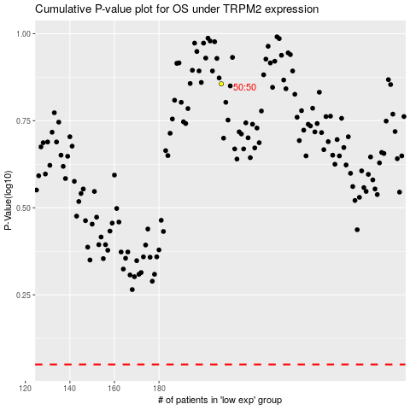

 |  |  |  |  |  | cases_OS | p_OS | rank | exp
 |  |  |  |  |  |  | cases_RFS | p_RFS | rank | exp

