TRPM4 _multivariate
Reported by Tex Li-Hsing Chi. tex@gate.sinica.edu.tw 2019-08-15

Table 2. The clinicopathological features of HNSCC cohort and TRPM4 expression. (Chi square test)
Cutoff at -0.191 (50.0%)
 |  | TRPM4 expression |  | TRPM4 expression |  | (Optimised)
 | Features | Low | (%) | High | (%) | Case no | P-value | Remark | Matthews
Gender | Female | 159 | 38.3 | 147 | 35.4 | 415 | 0.1905 | 0 | 0
2 | Male | 48 | 11.6 | 61 | 14.7
Age at diagnosis | <=65y | 153 | 36.9 | 121 | 29.2 | 415 | 0.001 | 1 | 0
4 | >65y | 54 | 13 | 87 | 21
Clinical T Status | T1+T2 | 81 | 19.5 | 68 | 16.4 | 415 | 0.206 | 0 | 0
6 | T3+T4 | 126 | 30.4 | 140 | 33.7
Clinical N Status | N0 | 105 | 25.3 | 111 | 26.7 | 415 | 0.6598 | 0 | 0
8 | N1-3 | 102 | 24.6 | 97 | 23.4
Clinical M Status | M0 | 206 | 49.6 | 206 | 49.6 | 415 | 1 | 0 | 0
10 | M1 | 1 | 0.2 | 2 | 0.5
Clinical Stage | Stage I+II | 56 | 13.5 | 46 | 11.1 | 415 | 0.2918 | 0 | 0
12 | Stage III+IV | 151 | 36.4 | 162 | 39
Surgical Margin status | Negative | 161 | 38.8 | 157 | 37.8 | 415 | 0.6429 | 0 | 0
14 | Positive | 46 | 11.1 | 51 | 12.3
Tobacco Exposure | Low | 69 | 16.6 | 92 | 22.2 | 415 | 0.0266 | 1 | 0
16 | High | 138 | 33.3 | 116 | 28

Table 3. Univariate/Multivariate Cox's proportional hazards regression analyses on OS time of TRPM4 gene expression in HNSCC

 |  | Univariate |  |  |  | Multivariate
 | Features | HR | CI95%(L) | CI95%(H) | P-value | HR | CI95%(L) | CI95%(H) | P-value
1 | Female | 1 |  |  |  | 1
Gender | Male | 1.157 | 0.843 | 1.587 | 0.367 | 1.211 | 0.868 | 1.69 | 0.26
11 | <=65y | 1 |  |  |  | 1
Age at diagnosis | >65y | 1.329 | 0.99 | 1.784 | 0.058 | 1.438 | 1.054 | 1.962 | 0.022
12 | T1+T2 | 1 |  |  |  | 1
Clinical T Status | T3+T4 | 1.409 | 1.028 | 1.931 | 0.033 | 2.211 | 1.169 | 4.183 | 0.015
13 | N0 | 1 |  |  |  | 1
Clinical N Status | N1-3 | 1.185 | 0.89 | 1.577 | 0.246 | 1.243 | 0.871 | 1.774 | 0.23
14 | M0 | 1 |  |  |  | 1
Clinical M Status | M1 | 4.097 | 1.009 | 16.644 | 0.049 | 9.979 | 2.171 | 45.874 | 0.003
15 | Stage I+II | 1 |  |  |  | 1
Clinical Stage | Stage III+IV | 1.245 | 0.882 | 1.759 | 0.213 | 0.516 | 0.24 | 1.109 | 0.09
16 | Negative | 1 |  |  |  | 1
Surgical Margin status | Positive | 1.591 | 1.155 | 2.191 | 0.004 | 1.667 | 1.207 | 2.303 | 0.002
17 | Low | 1 |  |  |  | 1
Tobacco Exposure | High | 1.364 | 1.008 | 1.844 | 0.044 | 1.422 | 1.031 | 1.961 | 0.032
18 | Low | 1 |  |  |  | 1
RNAseq(z-score) | High | 0.888 | 0.666 | 1.183 | 0.417 | 0.827 | 0.615 | 1.113 | 0.21

Table 4. Univariate/Multivariate Cox's proportional hazards regression analyses on RFS time of TRPM4 gene expression in HNSCC

 |  | Univariate |  |  |  | Multivariate
 | Features | HR | CI95%(L) | CI95%(H) | P-value | HR | CI95%(L) | CI95%(H) | P-value
1 | Female | 1 |  |  |  | 1
Gender | Male | 1.157 | 0.843 | 1.587 | 0.367 | 1.211 | 0.868 | 1.69 | 0.26
11 | <=65y | 1 |  |  |  | 1
Age at diagnosis | >65y | 1.329 | 0.99 | 1.784 | 0.058 | 1.438 | 1.054 | 1.962 | 0.022
12 | T1+T2 | 1 |  |  |  | 1
Clinical T Status | T3+T4 | 1.409 | 1.028 | 1.931 | 0.033 | 2.211 | 1.169 | 4.183 | 0.015
13 | N0 | 1 |  |  |  | 1
Clinical N Status | N1-3 | 1.185 | 0.89 | 1.577 | 0.246 | 1.243 | 0.871 | 1.774 | 0.23
14 | M0 | 1 |  |  |  | 1
Clinical M Status | M1 | 4.097 | 1.009 | 16.644 | 0.049 | 9.979 | 2.171 | 45.874 | 0.003
15 | Stage I+II | 1 |  |  |  | 1
Clinical Stage | Stage III+IV | 1.245 | 0.882 | 1.759 | 0.213 | 0.516 | 0.24 | 1.109 | 0.09
16 | Negative | 1 |  |  |  | 1
Surgical Margin status | Positive | 1.591 | 1.155 | 2.191 | 0.004 | 1.667 | 1.207 | 2.303 | 0.002
17 | Low | 1 |  |  |  | 1
Tobacco Exposure | High | 1.364 | 1.008 | 1.844 | 0.044 | 1.422 | 1.031 | 1.961 | 0.032
18 | Low | 1 |  |  |  | 1
RNAseq(z-score) | High | 0.888 | 0.666 | 1.183 | 0.417 | 0.827 | 0.615 | 1.113 | 0.21

Kaplan-Meier survival estimate: Cutoff at -0.191 (50.0%)



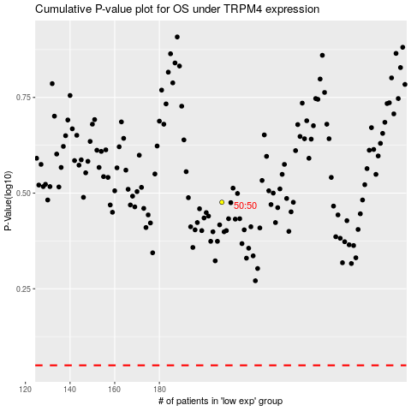

 |  |  |  |  |  | cases_OS | p_OS | rank | exp
 |  |  |  |  |  |  | cases_RFS | p_RFS | rank | exp

