TRPM8 _multivariate
Reported by Tex Li-Hsing Chi. tex@gate.sinica.edu.tw 2019-08-15

Table 2. The clinicopathological features of HNSCC cohort and TRPM8 expression. (Chi square test)
Cutoff at -0.139 (69.8%)
 |  | TRPM8 expression |  | TRPM8 expression |  | (Optimised)
 | Features | Low | (%) | High | (%) | Case no | P-value | Remark | Matthews
Gender | Female | 203 | 48.9 | 103 | 24.8 | 415 | 0.012 | 1 | 0
2 | Male | 87 | 21 | 22 | 5.3
Age at diagnosis | <=65y | 188 | 45.3 | 86 | 20.7 | 415 | 0.5023 | 0 | 0
4 | >65y | 102 | 24.6 | 39 | 9.4
Clinical T Status | T1+T2 | 99 | 23.9 | 50 | 12 | 415 | 0.3027 | 0 | 0
6 | T3+T4 | 191 | 46 | 75 | 18.1
Clinical N Status | N0 | 152 | 36.6 | 64 | 15.4 | 415 | 0.9045 | 0 | 0
8 | N1-3 | 138 | 33.3 | 61 | 14.7
Clinical M Status | M0 | 288 | 69.4 | 124 | 29.9 | 415 | 1 | 0 | 0
10 | M1 | 2 | 0.5 | 1 | 0.2
Clinical Stage | Stage I+II | 67 | 16.1 | 35 | 8.4 | 415 | 0.3479 | 0 | 0
12 | Stage III+IV | 223 | 53.7 | 90 | 21.7
Surgical Margin status | Negative | 226 | 54.5 | 92 | 22.2 | 415 | 0.3765 | 0 | 0
14 | Positive | 64 | 15.4 | 33 | 8
Tobacco Exposure | Low | 126 | 30.4 | 35 | 8.4 | 415 | 0.0031 | 1 | 0
16 | High | 164 | 39.5 | 90 | 21.7

Table 3. Univariate/Multivariate Cox's proportional hazards regression analyses on OS time of TRPM8 gene expression in HNSCC

 |  | Univariate |  |  |  | Multivariate
 | Features | HR | CI95%(L) | CI95%(H) | P-value | HR | CI95%(L) | CI95%(H) | P-value
1 | Female | 1 |  |  |  | 1
Gender | Male | 1.157 | 0.843 | 1.587 | 0.367 | 1.261 | 0.899 | 1.771 | 0.18
11 | <=65y | 1 |  |  |  | 1
Age at diagnosis | >65y | 1.329 | 0.99 | 1.784 | 0.058 | 1.393 | 1.025 | 1.893 | 0.034
12 | T1+T2 | 1 |  |  |  | 1
Clinical T Status | T3+T4 | 1.409 | 1.028 | 1.931 | 0.033 | 2.206 | 1.167 | 4.17 | 0.015
13 | N0 | 1 |  |  |  | 1
Clinical N Status | N1-3 | 1.185 | 0.89 | 1.577 | 0.246 | 1.232 | 0.862 | 1.759 | 0.252
14 | M0 | 1 |  |  |  | 1
Clinical M Status | M1 | 4.097 | 1.009 | 16.644 | 0.049 | 9.128 | 1.99 | 41.877 | 0.004
15 | Stage I+II | 1 |  |  |  | 1
Clinical Stage | Stage III+IV | 1.245 | 0.882 | 1.759 | 0.213 | 0.512 | 0.239 | 1.1 | 0.086
16 | Negative | 1 |  |  |  | 1
Surgical Margin status | Positive | 1.591 | 1.155 | 2.191 | 0.004 | 1.674 | 1.211 | 2.313 | 0.002
17 | Low | 1 |  |  |  | 1
Tobacco Exposure | High | 1.364 | 1.008 | 1.844 | 0.044 | 1.395 | 1.01 | 1.927 | 0.043
18 | Low | 1 |  |  |  | 1
RNAseq(z-score) | High | 1.354 | 1 | 1.832 | 0.05 | 1.358 | 0.994 | 1.855 | 0.054

Table 4. Univariate/Multivariate Cox's proportional hazards regression analyses on RFS time of TRPM8 gene expression in HNSCC

 |  | Univariate |  |  |  | Multivariate
 | Features | HR | CI95%(L) | CI95%(H) | P-value | HR | CI95%(L) | CI95%(H) | P-value
1 | Female | 1 |  |  |  | 1
Gender | Male | 1.157 | 0.843 | 1.587 | 0.367 | 1.261 | 0.899 | 1.771 | 0.18
11 | <=65y | 1 |  |  |  | 1
Age at diagnosis | >65y | 1.329 | 0.99 | 1.784 | 0.058 | 1.393 | 1.025 | 1.893 | 0.034
12 | T1+T2 | 1 |  |  |  | 1
Clinical T Status | T3+T4 | 1.409 | 1.028 | 1.931 | 0.033 | 2.206 | 1.167 | 4.17 | 0.015
13 | N0 | 1 |  |  |  | 1
Clinical N Status | N1-3 | 1.185 | 0.89 | 1.577 | 0.246 | 1.232 | 0.862 | 1.759 | 0.252
14 | M0 | 1 |  |  |  | 1
Clinical M Status | M1 | 4.097 | 1.009 | 16.644 | 0.049 | 9.128 | 1.99 | 41.877 | 0.004
15 | Stage I+II | 1 |  |  |  | 1
Clinical Stage | Stage III+IV | 1.245 | 0.882 | 1.759 | 0.213 | 0.512 | 0.239 | 1.1 | 0.086
16 | Negative | 1 |  |  |  | 1
Surgical Margin status | Positive | 1.591 | 1.155 | 2.191 | 0.004 | 1.674 | 1.211 | 2.313 | 0.002
17 | Low | 1 |  |  |  | 1
Tobacco Exposure | High | 1.364 | 1.008 | 1.844 | 0.044 | 1.395 | 1.01 | 1.927 | 0.043
18 | Low | 1 |  |  |  | 1
RNAseq(z-score) | High | 1.354 | 1 | 1.832 | 0.05 | 1.358 | 0.994 | 1.855 | 0.054

Kaplan-Meier survival estimate: Cutoff at -0.139 (69.8%)



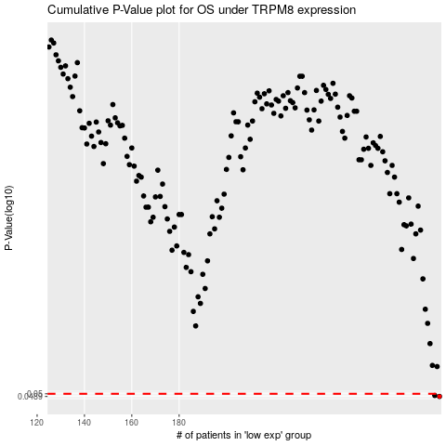

 |  |  |  |  |  | cases_OS | p_OS | rank | exp
 |  |  |  |  |  | 290 | 0.0489 | 247 | -0.13850723403
 |  |  |  |  |  | 288 | 0.0493 | 404 | -0.13898444295
 |  |  |  |  |  |  | cases_RFS | p_RFS | rank | exp
 |  |  |  |  |  |  | 289 | 0.0489 | 121 | -0.13852073994
 |  |  |  |  |  |  | 287 | 0.0493 | 165 | -0.13934009866

