TRPT1 _multivariate
Reported by Tex Li-Hsing Chi. tex@gate.sinica.edu.tw 2019-08-15

Table 2. The clinicopathological features of HNSCC cohort and TRPT1 expression. (Chi square test)
Cutoff at -0.272 (49.8%)
 |  | TRPT1 expression |  | TRPT1 expression |  | (Optimised)
 | Features | Low | (%) | High | (%) | Case no | P-value | Remark | Matthews
Gender | Female | 148 | 35.7 | 158 | 38.1 | 415 | 0.3567 | 0 | 0
2 | Male | 59 | 14.2 | 50 | 12
Age at diagnosis | <=65y | 124 | 29.9 | 150 | 36.1 | 415 | 0.0116 | 1 | 0
4 | >65y | 83 | 20 | 58 | 14
Clinical T Status | T1+T2 | 65 | 15.7 | 84 | 20.2 | 415 | 0.0711 | 0 | 0
6 | T3+T4 | 142 | 34.2 | 124 | 29.9
Clinical N Status | N0 | 108 | 26 | 108 | 26 | 415 | 1 | 0 | 0
8 | N1-3 | 99 | 23.9 | 100 | 24.1
Clinical M Status | M0 | 206 | 49.6 | 206 | 49.6 | 415 | 1 | 0 | 0
10 | M1 | 1 | 0.2 | 2 | 0.5
Clinical Stage | Stage I+II | 48 | 11.6 | 54 | 13 | 415 | 0.5878 | 0 | 0
12 | Stage III+IV | 159 | 38.3 | 154 | 37.1
Surgical Margin status | Negative | 160 | 38.6 | 158 | 38.1 | 415 | 0.8167 | 0 | 0
14 | Positive | 47 | 11.3 | 50 | 12
Tobacco Exposure | Low | 81 | 19.5 | 80 | 19.3 | 415 | 0.9199 | 0 | 0
16 | High | 126 | 30.4 | 128 | 30.8

Table 3. Univariate/Multivariate Cox's proportional hazards regression analyses on OS time of TRPT1 gene expression in HNSCC

 |  | Univariate |  |  |  | Multivariate
 | Features | HR | CI95%(L) | CI95%(H) | P-value | HR | CI95%(L) | CI95%(H) | P-value
1 | Female | 1 |  |  |  | 1
Gender | Male | 1.157 | 0.843 | 1.587 | 0.367 | 1.21 | 0.865 | 1.691 | 0.266
11 | <=65y | 1 |  |  |  | 1
Age at diagnosis | >65y | 1.329 | 0.99 | 1.784 | 0.058 | 1.375 | 1.009 | 1.874 | 0.044
12 | T1+T2 | 1 |  |  |  | 1
Clinical T Status | T3+T4 | 1.409 | 1.028 | 1.931 | 0.033 | 2.154 | 1.135 | 4.088 | 0.019
13 | N0 | 1 |  |  |  | 1
Clinical N Status | N1-3 | 1.185 | 0.89 | 1.577 | 0.246 | 1.23 | 0.861 | 1.757 | 0.255
14 | M0 | 1 |  |  |  | 1
Clinical M Status | M1 | 4.097 | 1.009 | 16.644 | 0.049 | 9.534 | 2.079 | 43.724 | 0.004
15 | Stage I+II | 1 |  |  |  | 1
Clinical Stage | Stage III+IV | 1.245 | 0.882 | 1.759 | 0.213 | 0.515 | 0.239 | 1.11 | 0.09
16 | Negative | 1 |  |  |  | 1
Surgical Margin status | Positive | 1.591 | 1.155 | 2.191 | 0.004 | 1.682 | 1.217 | 2.325 | 0.002
17 | Low | 1 |  |  |  | 1
Tobacco Exposure | High | 1.364 | 1.008 | 1.844 | 0.044 | 1.466 | 1.062 | 2.022 | 0.02
18 | Low | 1 |  |  |  | 1
RNAseq(z-score) | High | 0.89 | 0.668 | 1.186 | 0.428 | 0.91 | 0.678 | 1.222 | 0.532

Table 4. Univariate/Multivariate Cox's proportional hazards regression analyses on RFS time of TRPT1 gene expression in HNSCC

 |  | Univariate |  |  |  | Multivariate
 | Features | HR | CI95%(L) | CI95%(H) | P-value | HR | CI95%(L) | CI95%(H) | P-value
1 | Female | 1 |  |  |  | 1
Gender | Male | 1.157 | 0.843 | 1.587 | 0.367 | 1.21 | 0.865 | 1.691 | 0.266
11 | <=65y | 1 |  |  |  | 1
Age at diagnosis | >65y | 1.329 | 0.99 | 1.784 | 0.058 | 1.375 | 1.009 | 1.874 | 0.044
12 | T1+T2 | 1 |  |  |  | 1
Clinical T Status | T3+T4 | 1.409 | 1.028 | 1.931 | 0.033 | 2.154 | 1.135 | 4.088 | 0.019
13 | N0 | 1 |  |  |  | 1
Clinical N Status | N1-3 | 1.185 | 0.89 | 1.577 | 0.246 | 1.23 | 0.861 | 1.757 | 0.255
14 | M0 | 1 |  |  |  | 1
Clinical M Status | M1 | 4.097 | 1.009 | 16.644 | 0.049 | 9.534 | 2.079 | 43.724 | 0.004
15 | Stage I+II | 1 |  |  |  | 1
Clinical Stage | Stage III+IV | 1.245 | 0.882 | 1.759 | 0.213 | 0.515 | 0.239 | 1.11 | 0.09
16 | Negative | 1 |  |  |  | 1
Surgical Margin status | Positive | 1.591 | 1.155 | 2.191 | 0.004 | 1.682 | 1.217 | 2.325 | 0.002
17 | Low | 1 |  |  |  | 1
Tobacco Exposure | High | 1.364 | 1.008 | 1.844 | 0.044 | 1.466 | 1.062 | 2.022 | 0.02
18 | Low | 1 |  |  |  | 1
RNAseq(z-score) | High | 0.89 | 0.668 | 1.186 | 0.428 | 0.91 | 0.678 | 1.222 | 0.532

Kaplan-Meier survival estimate: Cutoff at -0.272 (49.8%)



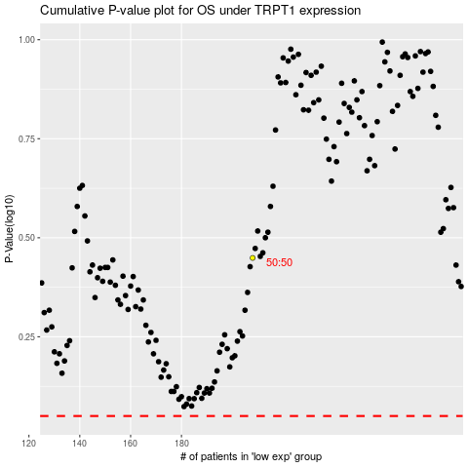

 |  |  |  |  |  | cases_OS | p_OS | rank | exp
 |  |  |  |  |  |  | cases_RFS | p_RFS | rank | exp

