TRPV6 _multivariate
Reported by Tex Li-Hsing Chi. tex@gate.sinica.edu.tw 2019-08-15

Table 2. The clinicopathological features of HNSCC cohort and TRPV6 expression. (Chi square test)
Cutoff at -0.169 (49.8%)
 |  | TRPV6 expression |  | TRPV6 expression |  | (Optimised)
 | Features | Low | (%) | High | (%) | Case no | P-value | Remark | Matthews
Gender | Female | 146 | 35.2 | 160 | 38.6 | 415 | 0.1714 | 0 | 0
2 | Male | 61 | 14.7 | 48 | 11.6
Age at diagnosis | <=65y | 136 | 32.8 | 138 | 33.3 | 415 | 0.9719 | 0 | 0
4 | >65y | 71 | 17.1 | 70 | 16.9
Clinical T Status | T1+T2 | 61 | 14.7 | 88 | 21.2 | 415 | 0.0087 | 1 | 0
6 | T3+T4 | 146 | 35.2 | 120 | 28.9
Clinical N Status | N0 | 98 | 23.6 | 118 | 28.4 | 415 | 0.0694 | 0 | 0
8 | N1-3 | 109 | 26.3 | 90 | 21.7
Clinical M Status | M0 | 204 | 49.2 | 208 | 50.1 | 415 | 0.1232 | 0 | 0
10 | M1 | 3 | 0.7 | 0 | 0
Clinical Stage | Stage I+II | 41 | 9.9 | 61 | 14.7 | 415 | 0.0325 | 1 | 0
12 | Stage III+IV | 166 | 40 | 147 | 35.4
Surgical Margin status | Negative | 162 | 39 | 156 | 37.6 | 415 | 0.4867 | 0 | 0
14 | Positive | 45 | 10.8 | 52 | 12.5
Tobacco Exposure | Low | 90 | 21.7 | 71 | 17.1 | 415 | 0.0559 | 0 | 0
16 | High | 117 | 28.2 | 137 | 33

Table 3. Univariate/Multivariate Cox's proportional hazards regression analyses on OS time of TRPV6 gene expression in HNSCC

 |  | Univariate |  |  |  | Multivariate
 | Features | HR | CI95%(L) | CI95%(H) | P-value | HR | CI95%(L) | CI95%(H) | P-value
1 | Female | 1 |  |  |  | 1
Gender | Male | 1.157 | 0.843 | 1.587 | 0.367 | 1.221 | 0.872 | 1.71 | 0.246
11 | <=65y | 1 |  |  |  | 1
Age at diagnosis | >65y | 1.329 | 0.99 | 1.784 | 0.058 | 1.414 | 1.038 | 1.927 | 0.028
12 | T1+T2 | 1 |  |  |  | 1
Clinical T Status | T3+T4 | 1.409 | 1.028 | 1.931 | 0.033 | 2.059 | 1.085 | 3.91 | 0.027
13 | N0 | 1 |  |  |  | 1
Clinical N Status | N1-3 | 1.185 | 0.89 | 1.577 | 0.246 | 1.202 | 0.841 | 1.719 | 0.313
14 | M0 | 1 |  |  |  | 1
Clinical M Status | M1 | 4.097 | 1.009 | 16.644 | 0.049 | 8.073 | 1.746 | 37.332 | 0.008
15 | Stage I+II | 1 |  |  |  | 1
Clinical Stage | Stage III+IV | 1.245 | 0.882 | 1.759 | 0.213 | 0.527 | 0.245 | 1.133 | 0.101
16 | Negative | 1 |  |  |  | 1
Surgical Margin status | Positive | 1.591 | 1.155 | 2.191 | 0.004 | 1.705 | 1.233 | 2.357 | 0.001
17 | Low | 1 |  |  |  | 1
Tobacco Exposure | High | 1.364 | 1.008 | 1.844 | 0.044 | 1.557 | 1.115 | 2.173 | 0.009
18 | Low | 1 |  |  |  | 1
RNAseq(z-score) | High | 0.801 | 0.6 | 1.068 | 0.13 | 0.767 | 0.566 | 1.037 | 0.085

Table 4. Univariate/Multivariate Cox's proportional hazards regression analyses on RFS time of TRPV6 gene expression in HNSCC

 |  | Univariate |  |  |  | Multivariate
 | Features | HR | CI95%(L) | CI95%(H) | P-value | HR | CI95%(L) | CI95%(H) | P-value
1 | Female | 1 |  |  |  | 1
Gender | Male | 1.157 | 0.843 | 1.587 | 0.367 | 1.221 | 0.872 | 1.71 | 0.246
11 | <=65y | 1 |  |  |  | 1
Age at diagnosis | >65y | 1.329 | 0.99 | 1.784 | 0.058 | 1.414 | 1.038 | 1.927 | 0.028
12 | T1+T2 | 1 |  |  |  | 1
Clinical T Status | T3+T4 | 1.409 | 1.028 | 1.931 | 0.033 | 2.059 | 1.085 | 3.91 | 0.027
13 | N0 | 1 |  |  |  | 1
Clinical N Status | N1-3 | 1.185 | 0.89 | 1.577 | 0.246 | 1.202 | 0.841 | 1.719 | 0.313
14 | M0 | 1 |  |  |  | 1
Clinical M Status | M1 | 4.097 | 1.009 | 16.644 | 0.049 | 8.073 | 1.746 | 37.332 | 0.008
15 | Stage I+II | 1 |  |  |  | 1
Clinical Stage | Stage III+IV | 1.245 | 0.882 | 1.759 | 0.213 | 0.527 | 0.245 | 1.133 | 0.101
16 | Negative | 1 |  |  |  | 1
Surgical Margin status | Positive | 1.591 | 1.155 | 2.191 | 0.004 | 1.705 | 1.233 | 2.357 | 0.001
17 | Low | 1 |  |  |  | 1
Tobacco Exposure | High | 1.364 | 1.008 | 1.844 | 0.044 | 1.557 | 1.115 | 2.173 | 0.009
18 | Low | 1 |  |  |  | 1
RNAseq(z-score) | High | 0.801 | 0.6 | 1.068 | 0.13 | 0.767 | 0.566 | 1.037 | 0.085

Kaplan-Meier survival estimate: Cutoff at -0.169 (49.8%)



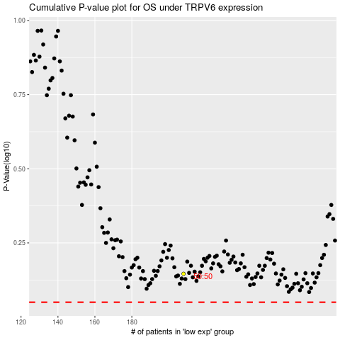

 |  |  |  |  |  | cases_OS | p_OS | rank | exp
 |  |  |  |  |  |  | cases_RFS | p_RFS | rank | exp

