TRUB1 _multivariate
Reported by Tex Li-Hsing Chi. tex@gate.sinica.edu.tw 2019-08-15

Table 2. The clinicopathological features of HNSCC cohort and TRUB1 expression. (Chi square test)
Cutoff at -0.076 (49.8%)
 |  | TRUB1 expression |  | TRUB1 expression |  | (Optimised)
 | Features | Low | (%) | High | (%) | Case no | P-value | Remark | Matthews
Gender | Female | 153 | 36.9 | 153 | 36.9 | 415 | 1 | 0 | 0
2 | Male | 54 | 13 | 55 | 13.3
Age at diagnosis | <=65y | 129 | 31.1 | 145 | 34.9 | 415 | 0.1372 | 0 | 0
4 | >65y | 78 | 18.8 | 63 | 15.2
Clinical T Status | T1+T2 | 71 | 17.1 | 78 | 18.8 | 415 | 0.5638 | 0 | 0
6 | T3+T4 | 136 | 32.8 | 130 | 31.3
Clinical N Status | N0 | 107 | 25.8 | 109 | 26.3 | 415 | 0.9624 | 0 | 0
8 | N1-3 | 100 | 24.1 | 99 | 23.9
Clinical M Status | M0 | 204 | 49.2 | 208 | 50.1 | 415 | 0.1232 | 0 | 0
10 | M1 | 3 | 0.7 | 0 | 0
Clinical Stage | Stage I+II | 44 | 10.6 | 58 | 14 | 415 | 0.1459 | 0 | 0
12 | Stage III+IV | 163 | 39.3 | 150 | 36.1
Surgical Margin status | Negative | 158 | 38.1 | 160 | 38.6 | 415 | 0.9081 | 0 | 0
14 | Positive | 49 | 11.8 | 48 | 11.6
Tobacco Exposure | Low | 72 | 17.3 | 89 | 21.4 | 415 | 0.1071 | 0 | 0
16 | High | 135 | 32.5 | 119 | 28.7

Table 3. Univariate/Multivariate Cox's proportional hazards regression analyses on OS time of TRUB1 gene expression in HNSCC

 |  | Univariate |  |  |  | Multivariate
 | Features | HR | CI95%(L) | CI95%(H) | P-value | HR | CI95%(L) | CI95%(H) | P-value
1 | Female | 1 |  |  |  | 1
Gender | Male | 1.157 | 0.843 | 1.587 | 0.367 | 1.201 | 0.86 | 1.678 | 0.283
11 | <=65y | 1 |  |  |  | 1
Age at diagnosis | >65y | 1.329 | 0.99 | 1.784 | 0.058 | 1.388 | 1.017 | 1.895 | 0.039
12 | T1+T2 | 1 |  |  |  | 1
Clinical T Status | T3+T4 | 1.409 | 1.028 | 1.931 | 0.033 | 2.205 | 1.166 | 4.171 | 0.015
13 | N0 | 1 |  |  |  | 1
Clinical N Status | N1-3 | 1.185 | 0.89 | 1.577 | 0.246 | 1.242 | 0.87 | 1.772 | 0.233
14 | M0 | 1 |  |  |  | 1
Clinical M Status | M1 | 4.097 | 1.009 | 16.644 | 0.049 | 9.336 | 2.023 | 43.085 | 0.004
15 | Stage I+II | 1 |  |  |  | 1
Clinical Stage | Stage III+IV | 1.245 | 0.882 | 1.759 | 0.213 | 0.503 | 0.234 | 1.082 | 0.079
16 | Negative | 1 |  |  |  | 1
Surgical Margin status | Positive | 1.591 | 1.155 | 2.191 | 0.004 | 1.67 | 1.209 | 2.309 | 0.002
17 | Low | 1 |  |  |  | 1
Tobacco Exposure | High | 1.364 | 1.008 | 1.844 | 0.044 | 1.45 | 1.05 | 2.003 | 0.024
18 | Low | 1 |  |  |  | 1
RNAseq(z-score) | High | 0.883 | 0.662 | 1.176 | 0.394 | 0.985 | 0.733 | 1.323 | 0.918

Table 4. Univariate/Multivariate Cox's proportional hazards regression analyses on RFS time of TRUB1 gene expression in HNSCC

 |  | Univariate |  |  |  | Multivariate
 | Features | HR | CI95%(L) | CI95%(H) | P-value | HR | CI95%(L) | CI95%(H) | P-value
1 | Female | 1 |  |  |  | 1
Gender | Male | 1.157 | 0.843 | 1.587 | 0.367 | 1.201 | 0.86 | 1.678 | 0.283
11 | <=65y | 1 |  |  |  | 1
Age at diagnosis | >65y | 1.329 | 0.99 | 1.784 | 0.058 | 1.388 | 1.017 | 1.895 | 0.039
12 | T1+T2 | 1 |  |  |  | 1
Clinical T Status | T3+T4 | 1.409 | 1.028 | 1.931 | 0.033 | 2.205 | 1.166 | 4.171 | 0.015
13 | N0 | 1 |  |  |  | 1
Clinical N Status | N1-3 | 1.185 | 0.89 | 1.577 | 0.246 | 1.242 | 0.87 | 1.772 | 0.233
14 | M0 | 1 |  |  |  | 1
Clinical M Status | M1 | 4.097 | 1.009 | 16.644 | 0.049 | 9.336 | 2.023 | 43.085 | 0.004
15 | Stage I+II | 1 |  |  |  | 1
Clinical Stage | Stage III+IV | 1.245 | 0.882 | 1.759 | 0.213 | 0.503 | 0.234 | 1.082 | 0.079
16 | Negative | 1 |  |  |  | 1
Surgical Margin status | Positive | 1.591 | 1.155 | 2.191 | 0.004 | 1.67 | 1.209 | 2.309 | 0.002
17 | Low | 1 |  |  |  | 1
Tobacco Exposure | High | 1.364 | 1.008 | 1.844 | 0.044 | 1.45 | 1.05 | 2.003 | 0.024
18 | Low | 1 |  |  |  | 1
RNAseq(z-score) | High | 0.883 | 0.662 | 1.176 | 0.394 | 0.985 | 0.733 | 1.323 | 0.918

Kaplan-Meier survival estimate: Cutoff at -0.076 (49.8%)



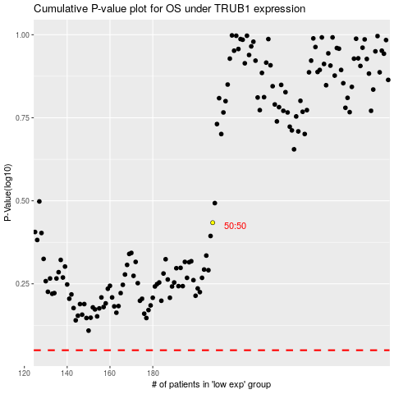

 |  |  |  |  |  | cases_OS | p_OS | rank | exp
 |  |  |  |  |  |  | cases_RFS | p_RFS | rank | exp

